SIRT4 _multivariate
Reported by Tex Li-Hsing Chi. tex@gate.sinica.edu.tw 2019-08-16

Table 2. The clinicopathological features of HNSCC cohort and SIRT4 expression. (Chi square test)
Cutoff at -0.307 (49.8%)
 |  | SIRT4 expression |  | SIRT4 expression |  | (Optimised)
 | Features | Low | (%) | High | (%) | Case no | P-value | Remark | Matthews
Gender | Female | 145 | 34.9 | 161 | 38.8 | 415 | 0.1116 | 0 | 0
2 | Male | 62 | 14.9 | 47 | 11.3
Age at diagnosis | <=65y | 138 | 33.3 | 136 | 32.8 | 415 | 0.8634 | 0 | 0
4 | >65y | 69 | 16.6 | 72 | 17.3
Clinical T Status | T1+T2 | 64 | 15.4 | 85 | 20.5 | 415 | 0.0445 | 1 | 0
6 | T3+T4 | 143 | 34.5 | 123 | 29.6
Clinical N Status | N0 | 100 | 24.1 | 116 | 28 | 415 | 0.1548 | 0 | 0
8 | N1-3 | 107 | 25.8 | 92 | 22.2
Clinical M Status | M0 | 206 | 49.6 | 206 | 49.6 | 415 | 1 | 0 | 0
10 | M1 | 1 | 0.2 | 2 | 0.5
Clinical Stage | Stage I+II | 43 | 10.4 | 59 | 14.2 | 415 | 0.0925 | 0 | 0
12 | Stage III+IV | 164 | 39.5 | 149 | 35.9
Surgical Margin status | Negative | 166 | 40 | 152 | 36.6 | 415 | 0.1042 | 0 | 0
14 | Positive | 41 | 9.9 | 56 | 13.5
Tobacco Exposure | Low | 72 | 17.3 | 89 | 21.4 | 415 | 0.1071 | 0 | 0
16 | High | 135 | 32.5 | 119 | 28.7

Table 3. Univariate/Multivariate Cox's proportional hazards regression analyses on OS time of SIRT4 gene expression in HNSCC

 |  | Univariate |  |  |  | Multivariate
 | Features | HR | CI95%(L) | CI95%(H) | P-value | HR | CI95%(L) | CI95%(H) | P-value
1 | Female | 1 |  |  |  | 1
Gender | Male | 1.157 | 0.843 | 1.587 | 0.367 | 1.207 | 0.864 | 1.687 | 0.27
11 | <=65y | 1 |  |  |  | 1
Age at diagnosis | >65y | 1.329 | 0.99 | 1.784 | 0.058 | 1.402 | 1.031 | 1.906 | 0.031
12 | T1+T2 | 1 |  |  |  | 1
Clinical T Status | T3+T4 | 1.409 | 1.028 | 1.931 | 0.033 | 2.209 | 1.168 | 4.178 | 0.015
13 | N0 | 1 |  |  |  | 1
Clinical N Status | N1-3 | 1.185 | 0.89 | 1.577 | 0.246 | 1.245 | 0.873 | 1.777 | 0.226
14 | M0 | 1 |  |  |  | 1
Clinical M Status | M1 | 4.097 | 1.009 | 16.644 | 0.049 | 9.051 | 1.969 | 41.61 | 0.005
15 | Stage I+II | 1 |  |  |  | 1
Clinical Stage | Stage III+IV | 1.245 | 0.882 | 1.759 | 0.213 | 0.509 | 0.237 | 1.092 | 0.083
16 | Negative | 1 |  |  |  | 1
Surgical Margin status | Positive | 1.591 | 1.155 | 2.191 | 0.004 | 1.641 | 1.184 | 2.274 | 0.003
17 | Low | 1 |  |  |  | 1
Tobacco Exposure | High | 1.364 | 1.008 | 1.844 | 0.044 | 1.464 | 1.062 | 2.017 | 0.02
18 | Low | 1 |  |  |  | 1
RNAseq(z-score) | High | 1.131 | 0.848 | 1.509 | 0.403 | 1.133 | 0.845 | 1.519 | 0.405

Table 4. Univariate/Multivariate Cox's proportional hazards regression analyses on RFS time of SIRT4 gene expression in HNSCC

 |  | Univariate |  |  |  | Multivariate
 | Features | HR | CI95%(L) | CI95%(H) | P-value | HR | CI95%(L) | CI95%(H) | P-value
1 | Female | 1 |  |  |  | 1
Gender | Male | 1.157 | 0.843 | 1.587 | 0.367 | 1.207 | 0.864 | 1.687 | 0.27
11 | <=65y | 1 |  |  |  | 1
Age at diagnosis | >65y | 1.329 | 0.99 | 1.784 | 0.058 | 1.402 | 1.031 | 1.906 | 0.031
12 | T1+T2 | 1 |  |  |  | 1
Clinical T Status | T3+T4 | 1.409 | 1.028 | 1.931 | 0.033 | 2.209 | 1.168 | 4.178 | 0.015
13 | N0 | 1 |  |  |  | 1
Clinical N Status | N1-3 | 1.185 | 0.89 | 1.577 | 0.246 | 1.245 | 0.873 | 1.777 | 0.226
14 | M0 | 1 |  |  |  | 1
Clinical M Status | M1 | 4.097 | 1.009 | 16.644 | 0.049 | 9.051 | 1.969 | 41.61 | 0.005
15 | Stage I+II | 1 |  |  |  | 1
Clinical Stage | Stage III+IV | 1.245 | 0.882 | 1.759 | 0.213 | 0.509 | 0.237 | 1.092 | 0.083
16 | Negative | 1 |  |  |  | 1
Surgical Margin status | Positive | 1.591 | 1.155 | 2.191 | 0.004 | 1.641 | 1.184 | 2.274 | 0.003
17 | Low | 1 |  |  |  | 1
Tobacco Exposure | High | 1.364 | 1.008 | 1.844 | 0.044 | 1.464 | 1.062 | 2.017 | 0.02
18 | Low | 1 |  |  |  | 1
RNAseq(z-score) | High | 1.131 | 0.848 | 1.509 | 0.403 | 1.133 | 0.845 | 1.519 | 0.405

Kaplan-Meier survival estimate: Cutoff at -0.307 (49.8%)



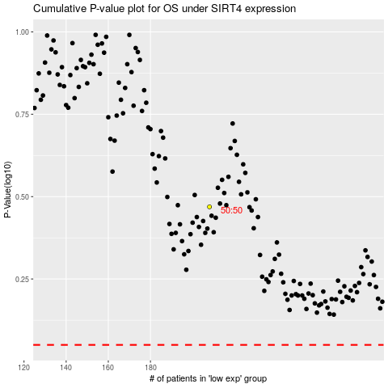

 |  |  |  |  |  | cases_OS | p_OS | rank | exp
 |  |  |  |  |  |  | cases_RFS | p_RFS | rank | exp

