SIRT6 _multivariate
Reported by Tex Li-Hsing Chi. tex@gate.sinica.edu.tw 2019-08-16

Table 2. The clinicopathological features of HNSCC cohort and SIRT6 expression. (Chi square test)
Cutoff at -0.217 (50.0%)
 |  | SIRT6 expression |  | SIRT6 expression |  | (Optimised)
 | Features | Low | (%) | High | (%) | Case no | P-value | Remark | Matthews
Gender | Female | 149 | 35.9 | 157 | 37.8 | 415 | 0.4848 | 0 | 0
2 | Male | 58 | 14 | 51 | 12.3
Age at diagnosis | <=65y | 139 | 33.5 | 135 | 32.5 | 415 | 0.7044 | 0 | 0
4 | >65y | 68 | 16.4 | 73 | 17.6
Clinical T Status | T1+T2 | 75 | 18.1 | 74 | 17.8 | 415 | 0.9707 | 0 | 0
6 | T3+T4 | 132 | 31.8 | 134 | 32.3
Clinical N Status | N0 | 112 | 27 | 104 | 25.1 | 415 | 0.4599 | 0 | 0
8 | N1-3 | 95 | 22.9 | 104 | 25.1
Clinical M Status | M0 | 206 | 49.6 | 206 | 49.6 | 415 | 1 | 0 | 0
10 | M1 | 1 | 0.2 | 2 | 0.5
Clinical Stage | Stage I+II | 52 | 12.5 | 50 | 12 | 415 | 0.8871 | 0 | 0
12 | Stage III+IV | 155 | 37.3 | 158 | 38.1
Surgical Margin status | Negative | 162 | 39 | 156 | 37.6 | 415 | 0.4867 | 0 | 0
14 | Positive | 45 | 10.8 | 52 | 12.5
Tobacco Exposure | Low | 74 | 17.8 | 87 | 21 | 415 | 0.227 | 0 | 0
16 | High | 133 | 32 | 121 | 29.2

Table 3. Univariate/Multivariate Cox's proportional hazards regression analyses on OS time of SIRT6 gene expression in HNSCC

 |  | Univariate |  |  |  | Multivariate
 | Features | HR | CI95%(L) | CI95%(H) | P-value | HR | CI95%(L) | CI95%(H) | P-value
1 | Female | 1 |  |  |  | 1
Gender | Male | 1.157 | 0.843 | 1.587 | 0.367 | 1.196 | 0.856 | 1.671 | 0.293
11 | <=65y | 1 |  |  |  | 1
Age at diagnosis | >65y | 1.329 | 0.99 | 1.784 | 0.058 | 1.396 | 1.026 | 1.898 | 0.034
12 | T1+T2 | 1 |  |  |  | 1
Clinical T Status | T3+T4 | 1.409 | 1.028 | 1.931 | 0.033 | 2.225 | 1.176 | 4.211 | 0.014
13 | N0 | 1 |  |  |  | 1
Clinical N Status | N1-3 | 1.185 | 0.89 | 1.577 | 0.246 | 1.258 | 0.879 | 1.8 | 0.209
14 | M0 | 1 |  |  |  | 1
Clinical M Status | M1 | 4.097 | 1.009 | 16.644 | 0.049 | 9.552 | 2.082 | 43.827 | 0.004
15 | Stage I+II | 1 |  |  |  | 1
Clinical Stage | Stage III+IV | 1.245 | 0.882 | 1.759 | 0.213 | 0.496 | 0.231 | 1.067 | 0.073
16 | Negative | 1 |  |  |  | 1
Surgical Margin status | Positive | 1.591 | 1.155 | 2.191 | 0.004 | 1.687 | 1.219 | 2.335 | 0.002
17 | Low | 1 |  |  |  | 1
Tobacco Exposure | High | 1.364 | 1.008 | 1.844 | 0.044 | 1.445 | 1.048 | 1.992 | 0.025
18 | Low | 1 |  |  |  | 1
RNAseq(z-score) | High | 0.952 | 0.715 | 1.269 | 0.737 | 0.911 | 0.68 | 1.219 | 0.53

Table 4. Univariate/Multivariate Cox's proportional hazards regression analyses on RFS time of SIRT6 gene expression in HNSCC

 |  | Univariate |  |  |  | Multivariate
 | Features | HR | CI95%(L) | CI95%(H) | P-value | HR | CI95%(L) | CI95%(H) | P-value
1 | Female | 1 |  |  |  | 1
Gender | Male | 1.157 | 0.843 | 1.587 | 0.367 | 1.196 | 0.856 | 1.671 | 0.293
11 | <=65y | 1 |  |  |  | 1
Age at diagnosis | >65y | 1.329 | 0.99 | 1.784 | 0.058 | 1.396 | 1.026 | 1.898 | 0.034
12 | T1+T2 | 1 |  |  |  | 1
Clinical T Status | T3+T4 | 1.409 | 1.028 | 1.931 | 0.033 | 2.225 | 1.176 | 4.211 | 0.014
13 | N0 | 1 |  |  |  | 1
Clinical N Status | N1-3 | 1.185 | 0.89 | 1.577 | 0.246 | 1.258 | 0.879 | 1.8 | 0.209
14 | M0 | 1 |  |  |  | 1
Clinical M Status | M1 | 4.097 | 1.009 | 16.644 | 0.049 | 9.552 | 2.082 | 43.827 | 0.004
15 | Stage I+II | 1 |  |  |  | 1
Clinical Stage | Stage III+IV | 1.245 | 0.882 | 1.759 | 0.213 | 0.496 | 0.231 | 1.067 | 0.073
16 | Negative | 1 |  |  |  | 1
Surgical Margin status | Positive | 1.591 | 1.155 | 2.191 | 0.004 | 1.687 | 1.219 | 2.335 | 0.002
17 | Low | 1 |  |  |  | 1
Tobacco Exposure | High | 1.364 | 1.008 | 1.844 | 0.044 | 1.445 | 1.048 | 1.992 | 0.025
18 | Low | 1 |  |  |  | 1
RNAseq(z-score) | High | 0.952 | 0.715 | 1.269 | 0.737 | 0.911 | 0.68 | 1.219 | 0.53

Kaplan-Meier survival estimate: Cutoff at -0.217 (50.0%)



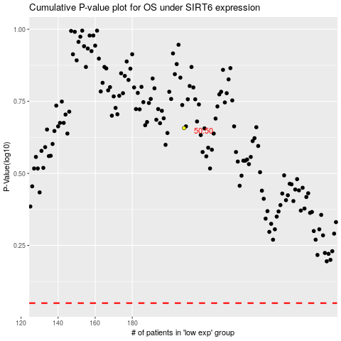

 |  |  |  |  |  | cases_OS | p_OS | rank | exp
 |  |  |  |  |  |  | cases_RFS | p_RFS | rank | exp

