SIVA1 _multivariate
Reported by Tex Li-Hsing Chi. tex@gate.sinica.edu.tw 2019-08-16

Table 2. The clinicopathological features of HNSCC cohort and SIVA1 expression. (Chi square test)
Cutoff at -0.445 (33.6%)
 |  | SIVA1 expression |  | SIVA1 expression |  | (Optimised)
 | Features | Low | (%) | High | (%) | Case no | P-value | Remark | Matthews
Gender | Female | 92 | 22.2 | 214 | 51.6 | 415 | 0.0114 | 1 | 0
2 | Male | 48 | 11.6 | 61 | 14.7
Age at diagnosis | <=65y | 94 | 22.7 | 180 | 43.4 | 415 | 0.8152 | 0 | 0
4 | >65y | 46 | 11.1 | 95 | 22.9
Clinical T Status | T1+T2 | 55 | 13.3 | 94 | 22.7 | 415 | 0.3594 | 0 | 0
6 | T3+T4 | 85 | 20.5 | 181 | 43.6
Clinical N Status | N0 | 76 | 18.3 | 140 | 33.7 | 415 | 0.5843 | 0 | 0
8 | N1-3 | 64 | 15.4 | 135 | 32.5
Clinical M Status | M0 | 140 | 33.7 | 272 | 65.5 | 415 | 0.554 | 0 | 0
10 | M1 | 0 | 0 | 3 | 0.7
Clinical Stage | Stage I+II | 40 | 9.6 | 62 | 14.9 | 415 | 0.2196 | 0 | 0
12 | Stage III+IV | 100 | 24.1 | 213 | 51.3
Surgical Margin status | Negative | 111 | 26.7 | 207 | 49.9 | 415 | 0.3922 | 0 | 0
14 | Positive | 29 | 7 | 68 | 16.4
Tobacco Exposure | Low | 69 | 16.6 | 92 | 22.2 | 415 | 0.002 | 1 | 0
16 | High | 71 | 17.1 | 183 | 44.1

Table 3. Univariate/Multivariate Cox's proportional hazards regression analyses on OS time of SIVA1 gene expression in HNSCC

 |  | Univariate |  |  |  | Multivariate
 | Features | HR | CI95%(L) | CI95%(H) | P-value | HR | CI95%(L) | CI95%(H) | P-value
1 | Female | 1 |  |  |  | 1
Gender | Male | 1.157 | 0.843 | 1.587 | 0.367 | 1.213 | 0.867 | 1.697 | 0.26
11 | <=65y | 1 |  |  |  | 1
Age at diagnosis | >65y | 1.329 | 0.99 | 1.784 | 0.058 | 1.365 | 1.003 | 1.857 | 0.048
12 | T1+T2 | 1 |  |  |  | 1
Clinical T Status | T3+T4 | 1.409 | 1.028 | 1.931 | 0.033 | 2.181 | 1.154 | 4.124 | 0.016
13 | N0 | 1 |  |  |  | 1
Clinical N Status | N1-3 | 1.185 | 0.89 | 1.577 | 0.246 | 1.246 | 0.873 | 1.777 | 0.226
14 | M0 | 1 |  |  |  | 1
Clinical M Status | M1 | 4.097 | 1.009 | 16.644 | 0.049 | 8.752 | 1.901 | 40.293 | 0.005
15 | Stage I+II | 1 |  |  |  | 1
Clinical Stage | Stage III+IV | 1.245 | 0.882 | 1.759 | 0.213 | 0.5 | 0.233 | 1.073 | 0.075
16 | Negative | 1 |  |  |  | 1
Surgical Margin status | Positive | 1.591 | 1.155 | 2.191 | 0.004 | 1.639 | 1.185 | 2.268 | 0.003
17 | Low | 1 |  |  |  | 1
Tobacco Exposure | High | 1.364 | 1.008 | 1.844 | 0.044 | 1.411 | 1.021 | 1.95 | 0.037
18 | Low | 1 |  |  |  | 1
RNAseq(z-score) | High | 1.389 | 1.013 | 1.906 | 0.041 | 1.212 | 0.876 | 1.678 | 0.246

Table 4. Univariate/Multivariate Cox's proportional hazards regression analyses on RFS time of SIVA1 gene expression in HNSCC

 |  | Univariate |  |  |  | Multivariate
 | Features | HR | CI95%(L) | CI95%(H) | P-value | HR | CI95%(L) | CI95%(H) | P-value
1 | Female | 1 |  |  |  | 1
Gender | Male | 1.157 | 0.843 | 1.587 | 0.367 | 1.213 | 0.867 | 1.697 | 0.26
11 | <=65y | 1 |  |  |  | 1
Age at diagnosis | >65y | 1.329 | 0.99 | 1.784 | 0.058 | 1.365 | 1.003 | 1.857 | 0.048
12 | T1+T2 | 1 |  |  |  | 1
Clinical T Status | T3+T4 | 1.409 | 1.028 | 1.931 | 0.033 | 2.181 | 1.154 | 4.124 | 0.016
13 | N0 | 1 |  |  |  | 1
Clinical N Status | N1-3 | 1.185 | 0.89 | 1.577 | 0.246 | 1.246 | 0.873 | 1.777 | 0.226
14 | M0 | 1 |  |  |  | 1
Clinical M Status | M1 | 4.097 | 1.009 | 16.644 | 0.049 | 8.752 | 1.901 | 40.293 | 0.005
15 | Stage I+II | 1 |  |  |  | 1
Clinical Stage | Stage III+IV | 1.245 | 0.882 | 1.759 | 0.213 | 0.5 | 0.233 | 1.073 | 0.075
16 | Negative | 1 |  |  |  | 1
Surgical Margin status | Positive | 1.591 | 1.155 | 2.191 | 0.004 | 1.639 | 1.185 | 2.268 | 0.003
17 | Low | 1 |  |  |  | 1
Tobacco Exposure | High | 1.364 | 1.008 | 1.844 | 0.044 | 1.411 | 1.021 | 1.95 | 0.037
18 | Low | 1 |  |  |  | 1
RNAseq(z-score) | High | 1.389 | 1.013 | 1.906 | 0.041 | 1.212 | 0.876 | 1.678 | 0.246

Kaplan-Meier survival estimate: Cutoff at -0.445 (33.6%)

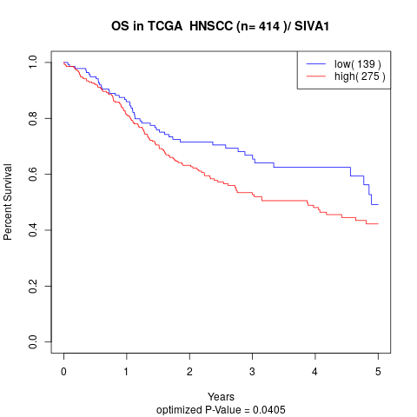

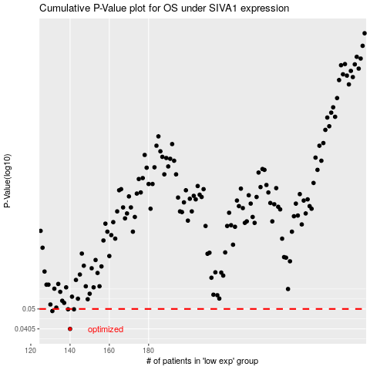

 |  |  |  |  |  | cases_OS | p_OS | rank | exp
 |  |  |  |  |  | 140 | 0.0405 | 43 | -0.44518055324
 |  |  |  |  |  | 131 | 0.0489 | 369 | -0.47021739291
 |  |  |  |  |  | 139 | 0.0498 | 139 | -0.44808710536
 |  |  |  |  |  | 142 | 0.0498 | 222 | -0.44238395712
 |  |  |  |  |  |  | cases_RFS | p_RFS | rank | exp
 |  |  |  |  |  |  | 139 | 0.0405 | 139 | -0.44808710536
 |  |  |  |  |  |  | 130 | 0.0489 | 146 | -0.47209931954
 |  |  |  |  |  |  | 141 | 0.0498 | 11 | -0.44476252026
 |  |  |  |  |  |  | 138 | 0.0498 | 106 | -0.44991544372

