SIX4 _multivariate
Reported by Tex Li-Hsing Chi. tex@gate.sinica.edu.tw 2019-08-16

Table 2. The clinicopathological features of HNSCC cohort and SIX4 expression. (Chi square test)
Cutoff at -0.268 (49.8%)
 |  | SIX4 expression |  | SIX4 expression |  | (Optimised)
 | Features | Low | (%) | High | (%) | Case no | P-value | Remark | Matthews
Gender | Female | 142 | 34.2 | 164 | 39.5 | 415 | 0.0238 | 1 | 0
2 | Male | 65 | 15.7 | 44 | 10.6
Age at diagnosis | <=65y | 131 | 31.6 | 143 | 34.5 | 415 | 0.2839 | 0 | 0
4 | >65y | 76 | 18.3 | 65 | 15.7
Clinical T Status | T1+T2 | 81 | 19.5 | 68 | 16.4 | 415 | 0.206 | 0 | 0
6 | T3+T4 | 126 | 30.4 | 140 | 33.7
Clinical N Status | N0 | 117 | 28.2 | 99 | 23.9 | 415 | 0.0852 | 1 | 0
8 | N1-3 | 90 | 21.7 | 109 | 26.3
Clinical M Status | M0 | 204 | 49.2 | 208 | 50.1 | 415 | 0.1232 | 0 | 0
10 | M1 | 3 | 0.7 | 0 | 0
Clinical Stage | Stage I+II | 58 | 14 | 44 | 10.6 | 415 | 0.131 | 0 | 0
12 | Stage III+IV | 149 | 35.9 | 164 | 39.5
Surgical Margin status | Negative | 160 | 38.6 | 158 | 38.1 | 415 | 0.8167 | 0 | 0
14 | Positive | 47 | 11.3 | 50 | 12
Tobacco Exposure | Low | 97 | 23.4 | 64 | 15.4 | 415 | 9e-04 | 1 | 0
16 | High | 110 | 26.5 | 144 | 34.7

Table 3. Univariate/Multivariate Cox's proportional hazards regression analyses on OS time of SIX4 gene expression in HNSCC

 |  | Univariate |  |  |  | Multivariate
 | Features | HR | CI95%(L) | CI95%(H) | P-value | HR | CI95%(L) | CI95%(H) | P-value
1 | Female | 1 |  |  |  | 1
Gender | Male | 1.157 | 0.843 | 1.587 | 0.367 | 1.212 | 0.866 | 1.696 | 0.262
11 | <=65y | 1 |  |  |  | 1
Age at diagnosis | >65y | 1.329 | 0.99 | 1.784 | 0.058 | 1.389 | 1.022 | 1.888 | 0.036
12 | T1+T2 | 1 |  |  |  | 1
Clinical T Status | T3+T4 | 1.409 | 1.028 | 1.931 | 0.033 | 2.202 | 1.165 | 4.164 | 0.015
13 | N0 | 1 |  |  |  | 1
Clinical N Status | N1-3 | 1.185 | 0.89 | 1.577 | 0.246 | 1.228 | 0.859 | 1.757 | 0.261
14 | M0 | 1 |  |  |  | 1
Clinical M Status | M1 | 4.097 | 1.009 | 16.644 | 0.049 | 9.847 | 2.121 | 45.709 | 0.003
15 | Stage I+II | 1 |  |  |  | 1
Clinical Stage | Stage III+IV | 1.245 | 0.882 | 1.759 | 0.213 | 0.502 | 0.234 | 1.077 | 0.077
16 | Negative | 1 |  |  |  | 1
Surgical Margin status | Positive | 1.591 | 1.155 | 2.191 | 0.004 | 1.678 | 1.214 | 2.32 | 0.002
17 | Low | 1 |  |  |  | 1
Tobacco Exposure | High | 1.364 | 1.008 | 1.844 | 0.044 | 1.435 | 1.037 | 1.985 | 0.029
18 | Low | 1 |  |  |  | 1
RNAseq(z-score) | High | 1.104 | 0.826 | 1.475 | 0.505 | 1.075 | 0.791 | 1.461 | 0.642

Table 4. Univariate/Multivariate Cox's proportional hazards regression analyses on RFS time of SIX4 gene expression in HNSCC

 |  | Univariate |  |  |  | Multivariate
 | Features | HR | CI95%(L) | CI95%(H) | P-value | HR | CI95%(L) | CI95%(H) | P-value
1 | Female | 1 |  |  |  | 1
Gender | Male | 1.157 | 0.843 | 1.587 | 0.367 | 1.212 | 0.866 | 1.696 | 0.262
11 | <=65y | 1 |  |  |  | 1
Age at diagnosis | >65y | 1.329 | 0.99 | 1.784 | 0.058 | 1.389 | 1.022 | 1.888 | 0.036
12 | T1+T2 | 1 |  |  |  | 1
Clinical T Status | T3+T4 | 1.409 | 1.028 | 1.931 | 0.033 | 2.202 | 1.165 | 4.164 | 0.015
13 | N0 | 1 |  |  |  | 1
Clinical N Status | N1-3 | 1.185 | 0.89 | 1.577 | 0.246 | 1.228 | 0.859 | 1.757 | 0.261
14 | M0 | 1 |  |  |  | 1
Clinical M Status | M1 | 4.097 | 1.009 | 16.644 | 0.049 | 9.847 | 2.121 | 45.709 | 0.003
15 | Stage I+II | 1 |  |  |  | 1
Clinical Stage | Stage III+IV | 1.245 | 0.882 | 1.759 | 0.213 | 0.502 | 0.234 | 1.077 | 0.077
16 | Negative | 1 |  |  |  | 1
Surgical Margin status | Positive | 1.591 | 1.155 | 2.191 | 0.004 | 1.678 | 1.214 | 2.32 | 0.002
17 | Low | 1 |  |  |  | 1
Tobacco Exposure | High | 1.364 | 1.008 | 1.844 | 0.044 | 1.435 | 1.037 | 1.985 | 0.029
18 | Low | 1 |  |  |  | 1
RNAseq(z-score) | High | 1.104 | 0.826 | 1.475 | 0.505 | 1.075 | 0.791 | 1.461 | 0.642

Kaplan-Meier survival estimate: Cutoff at -0.268 (49.8%)



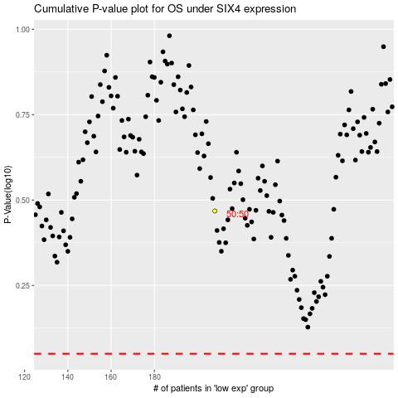

 |  |  |  |  |  | cases_OS | p_OS | rank | exp
 |  |  |  |  |  |  | cases_RFS | p_RFS | rank | exp

