SKA3 _multivariate
Reported by Tex Li-Hsing Chi. tex@gate.sinica.edu.tw 2019-08-16

Table 2. The clinicopathological features of HNSCC cohort and SKA3 expression. (Chi square test)
Cutoff at -0.589 (30.4%)
 |  | SKA3 expression |  | SKA3 expression |  | (Optimised)
 | Features | Low | (%) | High | (%) | Case no | P-value | Remark | Matthews
Gender | Female | 94 | 22.7 | 212 | 51.1 | 415 | 1 | 0 | 0
2 | Male | 33 | 8 | 76 | 18.3
Age at diagnosis | <=65y | 89 | 21.4 | 185 | 44.6 | 415 | 0.2957 | 0 | 0
4 | >65y | 38 | 9.2 | 103 | 24.8
Clinical T Status | T1+T2 | 34 | 8.2 | 115 | 27.7 | 415 | 0.0137 | 1 | 0
6 | T3+T4 | 93 | 22.4 | 173 | 41.7
Clinical N Status | N0 | 70 | 16.9 | 146 | 35.2 | 415 | 0.4686 | 0 | 0
8 | N1-3 | 57 | 13.7 | 142 | 34.2
Clinical M Status | M0 | 127 | 30.6 | 285 | 68.7 | 415 | 0.5562 | 0 | 0
10 | M1 | 0 | 0 | 3 | 0.7
Clinical Stage | Stage I+II | 24 | 5.8 | 78 | 18.8 | 415 | 0.0967 | 0 | 0
12 | Stage III+IV | 103 | 24.8 | 210 | 50.6
Surgical Margin status | Negative | 107 | 25.8 | 211 | 50.8 | 415 | 0.0166 | 1 | 0
14 | Positive | 20 | 4.8 | 77 | 18.6
Tobacco Exposure | Low | 55 | 13.3 | 106 | 25.5 | 415 | 0.2298 | 0 | 0
16 | High | 72 | 17.3 | 182 | 43.9

Table 3. Univariate/Multivariate Cox's proportional hazards regression analyses on OS time of SKA3 gene expression in HNSCC

 |  | Univariate |  |  |  | Multivariate
 | Features | HR | CI95%(L) | CI95%(H) | P-value | HR | CI95%(L) | CI95%(H) | P-value
1 | Female | 1 |  |  |  | 1
Gender | Male | 1.157 | 0.843 | 1.587 | 0.367 | 1.191 | 0.85 | 1.667 | 0.31
11 | <=65y | 1 |  |  |  | 1
Age at diagnosis | >65y | 1.329 | 0.99 | 1.784 | 0.058 | 1.361 | 1 | 1.853 | 0.05
12 | T1+T2 | 1 |  |  |  | 1
Clinical T Status | T3+T4 | 1.409 | 1.028 | 1.931 | 0.033 | 2.281 | 1.204 | 4.32 | 0.011
13 | N0 | 1 |  |  |  | 1
Clinical N Status | N1-3 | 1.185 | 0.89 | 1.577 | 0.246 | 1.225 | 0.859 | 1.748 | 0.262
14 | M0 | 1 |  |  |  | 1
Clinical M Status | M1 | 4.097 | 1.009 | 16.644 | 0.049 | 8.864 | 1.93 | 40.704 | 0.005
15 | Stage I+II | 1 |  |  |  | 1
Clinical Stage | Stage III+IV | 1.245 | 0.882 | 1.759 | 0.213 | 0.509 | 0.237 | 1.094 | 0.084
16 | Negative | 1 |  |  |  | 1
Surgical Margin status | Positive | 1.591 | 1.155 | 2.191 | 0.004 | 1.616 | 1.167 | 2.239 | 0.004
17 | Low | 1 |  |  |  | 1
Tobacco Exposure | High | 1.364 | 1.008 | 1.844 | 0.044 | 1.433 | 1.038 | 1.978 | 0.029
18 | Low | 1 |  |  |  | 1
RNAseq(z-score) | High | 1.394 | 1.006 | 1.931 | 0.046 | 1.322 | 0.947 | 1.845 | 0.101

Table 4. Univariate/Multivariate Cox's proportional hazards regression analyses on RFS time of SKA3 gene expression in HNSCC

 |  | Univariate |  |  |  | Multivariate
 | Features | HR | CI95%(L) | CI95%(H) | P-value | HR | CI95%(L) | CI95%(H) | P-value
1 | Female | 1 |  |  |  | 1
Gender | Male | 1.157 | 0.843 | 1.587 | 0.367 | 1.191 | 0.85 | 1.667 | 0.31
11 | <=65y | 1 |  |  |  | 1
Age at diagnosis | >65y | 1.329 | 0.99 | 1.784 | 0.058 | 1.361 | 1 | 1.853 | 0.05
12 | T1+T2 | 1 |  |  |  | 1
Clinical T Status | T3+T4 | 1.409 | 1.028 | 1.931 | 0.033 | 2.281 | 1.204 | 4.32 | 0.011
13 | N0 | 1 |  |  |  | 1
Clinical N Status | N1-3 | 1.185 | 0.89 | 1.577 | 0.246 | 1.225 | 0.859 | 1.748 | 0.262
14 | M0 | 1 |  |  |  | 1
Clinical M Status | M1 | 4.097 | 1.009 | 16.644 | 0.049 | 8.864 | 1.93 | 40.704 | 0.005
15 | Stage I+II | 1 |  |  |  | 1
Clinical Stage | Stage III+IV | 1.245 | 0.882 | 1.759 | 0.213 | 0.509 | 0.237 | 1.094 | 0.084
16 | Negative | 1 |  |  |  | 1
Surgical Margin status | Positive | 1.591 | 1.155 | 2.191 | 0.004 | 1.616 | 1.167 | 2.239 | 0.004
17 | Low | 1 |  |  |  | 1
Tobacco Exposure | High | 1.364 | 1.008 | 1.844 | 0.044 | 1.433 | 1.038 | 1.978 | 0.029
18 | Low | 1 |  |  |  | 1
RNAseq(z-score) | High | 1.394 | 1.006 | 1.931 | 0.046 | 1.322 | 0.947 | 1.845 | 0.101

Kaplan-Meier survival estimate: Cutoff at -0.589 (30.4%)



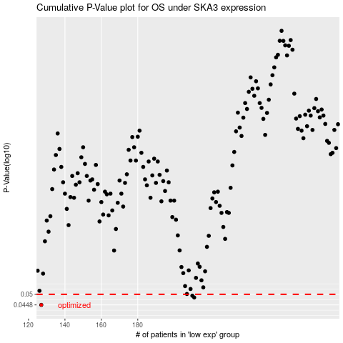

 |  |  |  |  |  | cases_OS | p_OS | rank | exp
 |  |  |  |  |  | 127 | 0.0448 | 191 | -0.58909566995
 |  |  |  |  |  | 211 | 0.0484 | 375 | -0.08153153697
 |  |  |  |  |  | 210 | 0.0493 | 28 | -0.083811229544
 |  |  |  |  |  |  | cases_RFS | p_RFS | rank | exp
 |  |  |  |  |  |  | 126 | 0.0448 | 317 | -0.59138048831
 |  |  |  |  |  |  | 210 | 0.0484 | 28 | -0.083811229544
 |  |  |  |  |  |  | 209 | 0.0493 | 197 | -0.084137998294

