SKIL _multivariate
Reported by Tex Li-Hsing Chi. tex@gate.sinica.edu.tw 2019-08-16

Table 2. The clinicopathological features of HNSCC cohort and SKIL expression. (Chi square test)
Cutoff at -0.116 (50.0%)
 |  | SKIL expression |  | SKIL expression |  | (Optimised)
 | Features | Low | (%) | High | (%) | Case no | P-value | Remark | Matthews
Gender | Female | 151 | 36.4 | 155 | 37.3 | 415 | 0.8007 | 0 | 0
2 | Male | 56 | 13.5 | 53 | 12.8
Age at diagnosis | <=65y | 137 | 33 | 137 | 33 | 415 | 1 | 0 | 0
4 | >65y | 70 | 16.9 | 71 | 17.1
Clinical T Status | T1+T2 | 76 | 18.3 | 73 | 17.6 | 415 | 0.8092 | 0 | 0
6 | T3+T4 | 131 | 31.6 | 135 | 32.5
Clinical N Status | N0 | 102 | 24.6 | 114 | 27.5 | 415 | 0.3031 | 0 | 0
8 | N1-3 | 105 | 25.3 | 94 | 22.7
Clinical M Status | M0 | 204 | 49.2 | 208 | 50.1 | 415 | 0.1232 | 0 | 0
10 | M1 | 3 | 0.7 | 0 | 0
Clinical Stage | Stage I+II | 46 | 11.1 | 56 | 13.5 | 415 | 0.3182 | 0 | 0
12 | Stage III+IV | 161 | 38.8 | 152 | 36.6
Surgical Margin status | Negative | 155 | 37.3 | 163 | 39.3 | 415 | 0.4187 | 0 | 0
14 | Positive | 52 | 12.5 | 45 | 10.8
Tobacco Exposure | Low | 86 | 20.7 | 75 | 18.1 | 415 | 0.2687 | 0 | 0
16 | High | 121 | 29.2 | 133 | 32

Table 3. Univariate/Multivariate Cox's proportional hazards regression analyses on OS time of SKIL gene expression in HNSCC

 |  | Univariate |  |  |  | Multivariate
 | Features | HR | CI95%(L) | CI95%(H) | P-value | HR | CI95%(L) | CI95%(H) | P-value
1 | Female | 1 |  |  |  | 1
Gender | Male | 1.157 | 0.843 | 1.587 | 0.367 | 1.203 | 0.862 | 1.68 | 0.277
11 | <=65y | 1 |  |  |  | 1
Age at diagnosis | >65y | 1.329 | 0.99 | 1.784 | 0.058 | 1.393 | 1.025 | 1.894 | 0.034
12 | T1+T2 | 1 |  |  |  | 1
Clinical T Status | T3+T4 | 1.409 | 1.028 | 1.931 | 0.033 | 2.172 | 1.147 | 4.113 | 0.017
13 | N0 | 1 |  |  |  | 1
Clinical N Status | N1-3 | 1.185 | 0.89 | 1.577 | 0.246 | 1.247 | 0.873 | 1.779 | 0.225
14 | M0 | 1 |  |  |  | 1
Clinical M Status | M1 | 4.097 | 1.009 | 16.644 | 0.049 | 9.755 | 2.119 | 44.912 | 0.003
15 | Stage I+II | 1 |  |  |  | 1
Clinical Stage | Stage III+IV | 1.245 | 0.882 | 1.759 | 0.213 | 0.512 | 0.238 | 1.102 | 0.087
16 | Negative | 1 |  |  |  | 1
Surgical Margin status | Positive | 1.591 | 1.155 | 2.191 | 0.004 | 1.687 | 1.219 | 2.334 | 0.002
17 | Low | 1 |  |  |  | 1
Tobacco Exposure | High | 1.364 | 1.008 | 1.844 | 0.044 | 1.457 | 1.058 | 2.008 | 0.021
18 | Low | 1 |  |  |  | 1
RNAseq(z-score) | High | 1.053 | 0.79 | 1.403 | 0.727 | 1.1 | 0.82 | 1.475 | 0.524

Table 4. Univariate/Multivariate Cox's proportional hazards regression analyses on RFS time of SKIL gene expression in HNSCC

 |  | Univariate |  |  |  | Multivariate
 | Features | HR | CI95%(L) | CI95%(H) | P-value | HR | CI95%(L) | CI95%(H) | P-value
1 | Female | 1 |  |  |  | 1
Gender | Male | 1.157 | 0.843 | 1.587 | 0.367 | 1.203 | 0.862 | 1.68 | 0.277
11 | <=65y | 1 |  |  |  | 1
Age at diagnosis | >65y | 1.329 | 0.99 | 1.784 | 0.058 | 1.393 | 1.025 | 1.894 | 0.034
12 | T1+T2 | 1 |  |  |  | 1
Clinical T Status | T3+T4 | 1.409 | 1.028 | 1.931 | 0.033 | 2.172 | 1.147 | 4.113 | 0.017
13 | N0 | 1 |  |  |  | 1
Clinical N Status | N1-3 | 1.185 | 0.89 | 1.577 | 0.246 | 1.247 | 0.873 | 1.779 | 0.225
14 | M0 | 1 |  |  |  | 1
Clinical M Status | M1 | 4.097 | 1.009 | 16.644 | 0.049 | 9.755 | 2.119 | 44.912 | 0.003
15 | Stage I+II | 1 |  |  |  | 1
Clinical Stage | Stage III+IV | 1.245 | 0.882 | 1.759 | 0.213 | 0.512 | 0.238 | 1.102 | 0.087
16 | Negative | 1 |  |  |  | 1
Surgical Margin status | Positive | 1.591 | 1.155 | 2.191 | 0.004 | 1.687 | 1.219 | 2.334 | 0.002
17 | Low | 1 |  |  |  | 1
Tobacco Exposure | High | 1.364 | 1.008 | 1.844 | 0.044 | 1.457 | 1.058 | 2.008 | 0.021
18 | Low | 1 |  |  |  | 1
RNAseq(z-score) | High | 1.053 | 0.79 | 1.403 | 0.727 | 1.1 | 0.82 | 1.475 | 0.524

Kaplan-Meier survival estimate: Cutoff at -0.116 (50.0%)



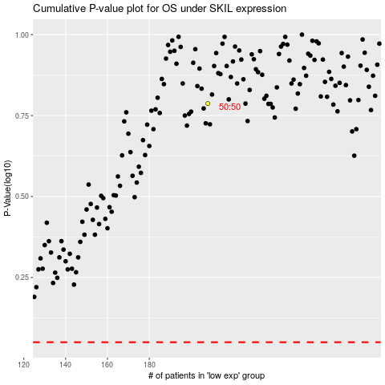

 |  |  |  |  |  | cases_OS | p_OS | rank | exp
 |  |  |  |  |  |  | cases_RFS | p_RFS | rank | exp

