SLA2 _multivariate
Reported by Tex Li-Hsing Chi. tex@gate.sinica.edu.tw 2019-08-16

Table 2. The clinicopathological features of HNSCC cohort and SLA2 expression. (Chi square test)
Cutoff at -0.319 (50.0%)
 |  | SLA2 expression |  | SLA2 expression |  | (Optimised)
 | Features | Low | (%) | High | (%) | Case no | P-value | Remark | Matthews
Gender | Female | 159 | 38.3 | 147 | 35.4 | 415 | 0.1905 | 0 | 0
2 | Male | 48 | 11.6 | 61 | 14.7
Age at diagnosis | <=65y | 143 | 34.5 | 131 | 31.6 | 415 | 0.2269 | 0 | 0
4 | >65y | 64 | 15.4 | 77 | 18.6
Clinical T Status | T1+T2 | 71 | 17.1 | 78 | 18.8 | 415 | 0.5638 | 0 | 0
6 | T3+T4 | 136 | 32.8 | 130 | 31.3
Clinical N Status | N0 | 116 | 28 | 100 | 24.1 | 415 | 0.1273 | 1 | 0
8 | N1-3 | 91 | 21.9 | 108 | 26
Clinical M Status | M0 | 206 | 49.6 | 206 | 49.6 | 415 | 1 | 0 | 0
10 | M1 | 1 | 0.2 | 2 | 0.5
Clinical Stage | Stage I+II | 54 | 13 | 48 | 11.6 | 415 | 0.5498 | 0 | 0
12 | Stage III+IV | 153 | 36.9 | 160 | 38.6
Surgical Margin status | Negative | 161 | 38.8 | 157 | 37.8 | 415 | 0.6429 | 0 | 0
14 | Positive | 46 | 11.1 | 51 | 12.3
Tobacco Exposure | Low | 70 | 16.9 | 91 | 21.9 | 415 | 0.0439 | 1 | 0
16 | High | 137 | 33 | 117 | 28.2

Table 3. Univariate/Multivariate Cox's proportional hazards regression analyses on OS time of SLA2 gene expression in HNSCC

 |  | Univariate |  |  |  | Multivariate
 | Features | HR | CI95%(L) | CI95%(H) | P-value | HR | CI95%(L) | CI95%(H) | P-value
1 | Female | 1 |  |  |  | 1
Gender | Male | 1.157 | 0.843 | 1.587 | 0.367 | 1.207 | 0.864 | 1.687 | 0.27
11 | <=65y | 1 |  |  |  | 1
Age at diagnosis | >65y | 1.329 | 0.99 | 1.784 | 0.058 | 1.39 | 1.023 | 1.888 | 0.035
12 | T1+T2 | 1 |  |  |  | 1
Clinical T Status | T3+T4 | 1.409 | 1.028 | 1.931 | 0.033 | 2.174 | 1.149 | 4.114 | 0.017
13 | N0 | 1 |  |  |  | 1
Clinical N Status | N1-3 | 1.185 | 0.89 | 1.577 | 0.246 | 1.241 | 0.87 | 1.77 | 0.234
14 | M0 | 1 |  |  |  | 1
Clinical M Status | M1 | 4.097 | 1.009 | 16.644 | 0.049 | 9.606 | 2.093 | 44.074 | 0.004
15 | Stage I+II | 1 |  |  |  | 1
Clinical Stage | Stage III+IV | 1.245 | 0.882 | 1.759 | 0.213 | 0.51 | 0.238 | 1.095 | 0.084
16 | Negative | 1 |  |  |  | 1
Surgical Margin status | Positive | 1.591 | 1.155 | 2.191 | 0.004 | 1.689 | 1.221 | 2.337 | 0.002
17 | Low | 1 |  |  |  | 1
Tobacco Exposure | High | 1.364 | 1.008 | 1.844 | 0.044 | 1.426 | 1.031 | 1.973 | 0.032
18 | Low | 1 |  |  |  | 1
RNAseq(z-score) | High | 0.901 | 0.676 | 1.2 | 0.475 | 0.899 | 0.67 | 1.206 | 0.476

Table 4. Univariate/Multivariate Cox's proportional hazards regression analyses on RFS time of SLA2 gene expression in HNSCC

 |  | Univariate |  |  |  | Multivariate
 | Features | HR | CI95%(L) | CI95%(H) | P-value | HR | CI95%(L) | CI95%(H) | P-value
1 | Female | 1 |  |  |  | 1
Gender | Male | 1.157 | 0.843 | 1.587 | 0.367 | 1.207 | 0.864 | 1.687 | 0.27
11 | <=65y | 1 |  |  |  | 1
Age at diagnosis | >65y | 1.329 | 0.99 | 1.784 | 0.058 | 1.39 | 1.023 | 1.888 | 0.035
12 | T1+T2 | 1 |  |  |  | 1
Clinical T Status | T3+T4 | 1.409 | 1.028 | 1.931 | 0.033 | 2.174 | 1.149 | 4.114 | 0.017
13 | N0 | 1 |  |  |  | 1
Clinical N Status | N1-3 | 1.185 | 0.89 | 1.577 | 0.246 | 1.241 | 0.87 | 1.77 | 0.234
14 | M0 | 1 |  |  |  | 1
Clinical M Status | M1 | 4.097 | 1.009 | 16.644 | 0.049 | 9.606 | 2.093 | 44.074 | 0.004
15 | Stage I+II | 1 |  |  |  | 1
Clinical Stage | Stage III+IV | 1.245 | 0.882 | 1.759 | 0.213 | 0.51 | 0.238 | 1.095 | 0.084
16 | Negative | 1 |  |  |  | 1
Surgical Margin status | Positive | 1.591 | 1.155 | 2.191 | 0.004 | 1.689 | 1.221 | 2.337 | 0.002
17 | Low | 1 |  |  |  | 1
Tobacco Exposure | High | 1.364 | 1.008 | 1.844 | 0.044 | 1.426 | 1.031 | 1.973 | 0.032
18 | Low | 1 |  |  |  | 1
RNAseq(z-score) | High | 0.901 | 0.676 | 1.2 | 0.475 | 0.899 | 0.67 | 1.206 | 0.476

Kaplan-Meier survival estimate: Cutoff at -0.319 (50.0%)



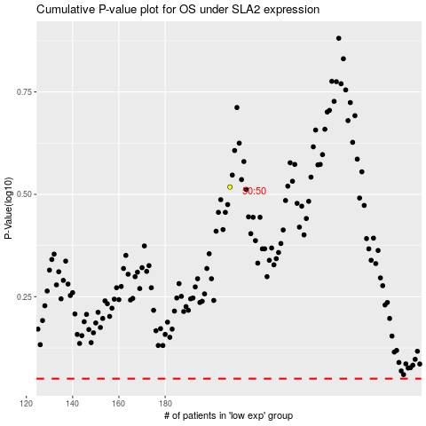

 |  |  |  |  |  | cases_OS | p_OS | rank | exp
 |  |  |  |  |  |  | cases_RFS | p_RFS | rank | exp

