SLAMF7 _multivariate
Reported by Tex Li-Hsing Chi. tex@gate.sinica.edu.tw 2019-08-16

Table 2. The clinicopathological features of HNSCC cohort and SLAMF7 expression. (Chi square test)
Cutoff at -0.301 (50.0%)
 |  | SLAMF7 expression |  | SLAMF7 expression |  | (Optimised)
 | Features | Low | (%) | High | (%) | Case no | P-value | Remark | Matthews
Gender | Female | 175 | 42.2 | 131 | 31.6 | 415 | 0 | 1 | 0
2 | Male | 32 | 7.7 | 77 | 18.6
Age at diagnosis | <=65y | 146 | 35.2 | 128 | 30.8 | 415 | 0.0672 | 0 | 0
4 | >65y | 61 | 14.7 | 80 | 19.3
Clinical T Status | T1+T2 | 69 | 16.6 | 80 | 19.3 | 415 | 0.3239 | 0 | 0
6 | T3+T4 | 138 | 33.3 | 128 | 30.8
Clinical N Status | N0 | 110 | 26.5 | 106 | 25.5 | 415 | 0.7294 | 0 | 0
8 | N1-3 | 97 | 23.4 | 102 | 24.6
Clinical M Status | M0 | 206 | 49.6 | 206 | 49.6 | 415 | 1 | 0 | 0
10 | M1 | 1 | 0.2 | 2 | 0.5
Clinical Stage | Stage I+II | 50 | 12 | 52 | 12.5 | 415 | 0.9315 | 0 | 0
12 | Stage III+IV | 157 | 37.8 | 156 | 37.6
Surgical Margin status | Negative | 152 | 36.6 | 166 | 40 | 415 | 0.1329 | 0 | 0
14 | Positive | 55 | 13.3 | 42 | 10.1
Tobacco Exposure | Low | 60 | 14.5 | 101 | 24.3 | 415 | 1e-04 | 1 | 0
16 | High | 147 | 35.4 | 107 | 25.8

Table 3. Univariate/Multivariate Cox's proportional hazards regression analyses on OS time of SLAMF7 gene expression in HNSCC

 |  | Univariate |  |  |  | Multivariate
 | Features | HR | CI95%(L) | CI95%(H) | P-value | HR | CI95%(L) | CI95%(H) | P-value
1 | Female | 1 |  |  |  | 1
Gender | Male | 1.157 | 0.843 | 1.587 | 0.367 | 1.237 | 0.876 | 1.748 | 0.227
11 | <=65y | 1 |  |  |  | 1
Age at diagnosis | >65y | 1.329 | 0.99 | 1.784 | 0.058 | 1.393 | 1.025 | 1.894 | 0.034
12 | T1+T2 | 1 |  |  |  | 1
Clinical T Status | T3+T4 | 1.409 | 1.028 | 1.931 | 0.033 | 2.177 | 1.15 | 4.119 | 0.017
13 | N0 | 1 |  |  |  | 1
Clinical N Status | N1-3 | 1.185 | 0.89 | 1.577 | 0.246 | 1.238 | 0.867 | 1.766 | 0.24
14 | M0 | 1 |  |  |  | 1
Clinical M Status | M1 | 4.097 | 1.009 | 16.644 | 0.049 | 9.693 | 2.109 | 44.548 | 0.004
15 | Stage I+II | 1 |  |  |  | 1
Clinical Stage | Stage III+IV | 1.245 | 0.882 | 1.759 | 0.213 | 0.51 | 0.237 | 1.095 | 0.084
16 | Negative | 1 |  |  |  | 1
Surgical Margin status | Positive | 1.591 | 1.155 | 2.191 | 0.004 | 1.665 | 1.205 | 2.301 | 0.002
17 | Low | 1 |  |  |  | 1
Tobacco Exposure | High | 1.364 | 1.008 | 1.844 | 0.044 | 1.42 | 1.023 | 1.97 | 0.036
18 | Low | 1 |  |  |  | 1
RNAseq(z-score) | High | 0.873 | 0.655 | 1.163 | 0.353 | 0.9 | 0.659 | 1.229 | 0.507

Table 4. Univariate/Multivariate Cox's proportional hazards regression analyses on RFS time of SLAMF7 gene expression in HNSCC

 |  | Univariate |  |  |  | Multivariate
 | Features | HR | CI95%(L) | CI95%(H) | P-value | HR | CI95%(L) | CI95%(H) | P-value
1 | Female | 1 |  |  |  | 1
Gender | Male | 1.157 | 0.843 | 1.587 | 0.367 | 1.237 | 0.876 | 1.748 | 0.227
11 | <=65y | 1 |  |  |  | 1
Age at diagnosis | >65y | 1.329 | 0.99 | 1.784 | 0.058 | 1.393 | 1.025 | 1.894 | 0.034
12 | T1+T2 | 1 |  |  |  | 1
Clinical T Status | T3+T4 | 1.409 | 1.028 | 1.931 | 0.033 | 2.177 | 1.15 | 4.119 | 0.017
13 | N0 | 1 |  |  |  | 1
Clinical N Status | N1-3 | 1.185 | 0.89 | 1.577 | 0.246 | 1.238 | 0.867 | 1.766 | 0.24
14 | M0 | 1 |  |  |  | 1
Clinical M Status | M1 | 4.097 | 1.009 | 16.644 | 0.049 | 9.693 | 2.109 | 44.548 | 0.004
15 | Stage I+II | 1 |  |  |  | 1
Clinical Stage | Stage III+IV | 1.245 | 0.882 | 1.759 | 0.213 | 0.51 | 0.237 | 1.095 | 0.084
16 | Negative | 1 |  |  |  | 1
Surgical Margin status | Positive | 1.591 | 1.155 | 2.191 | 0.004 | 1.665 | 1.205 | 2.301 | 0.002
17 | Low | 1 |  |  |  | 1
Tobacco Exposure | High | 1.364 | 1.008 | 1.844 | 0.044 | 1.42 | 1.023 | 1.97 | 0.036
18 | Low | 1 |  |  |  | 1
RNAseq(z-score) | High | 0.873 | 0.655 | 1.163 | 0.353 | 0.9 | 0.659 | 1.229 | 0.507

Kaplan-Meier survival estimate: Cutoff at -0.301 (50.0%)



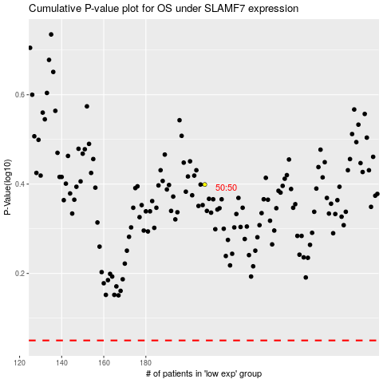

 |  |  |  |  |  | cases_OS | p_OS | rank | exp
 |  |  |  |  |  |  | cases_RFS | p_RFS | rank | exp

