SLAMF8 _multivariate
Reported by Tex Li-Hsing Chi. tex@gate.sinica.edu.tw 2019-08-16

Table 2. The clinicopathological features of HNSCC cohort and SLAMF8 expression. (Chi square test)
Cutoff at -0.26 (49.8%)
 |  | SLAMF8 expression |  | SLAMF8 expression |  | (Optimised)
 | Features | Low | (%) | High | (%) | Case no | P-value | Remark | Matthews
Gender | Female | 161 | 38.8 | 145 | 34.9 | 415 | 0.0792 | 0 | 0
2 | Male | 46 | 11.1 | 63 | 15.2
Age at diagnosis | <=65y | 145 | 34.9 | 129 | 31.1 | 415 | 0.1046 | 0 | 0
4 | >65y | 62 | 14.9 | 79 | 19
Clinical T Status | T1+T2 | 71 | 17.1 | 78 | 18.8 | 415 | 0.5638 | 0 | 0
6 | T3+T4 | 136 | 32.8 | 130 | 31.3
Clinical N Status | N0 | 117 | 28.2 | 99 | 23.9 | 415 | 0.0852 | 1 | 0
8 | N1-3 | 90 | 21.7 | 109 | 26.3
Clinical M Status | M0 | 206 | 49.6 | 206 | 49.6 | 415 | 1 | 0 | 0
10 | M1 | 1 | 0.2 | 2 | 0.5
Clinical Stage | Stage I+II | 49 | 11.8 | 53 | 12.8 | 415 | 0.7535 | 0 | 0
12 | Stage III+IV | 158 | 38.1 | 155 | 37.3
Surgical Margin status | Negative | 158 | 38.1 | 160 | 38.6 | 415 | 0.9081 | 0 | 0
14 | Positive | 49 | 11.8 | 48 | 11.6
Tobacco Exposure | Low | 76 | 18.3 | 85 | 20.5 | 415 | 0.4207 | 0 | 0
16 | High | 131 | 31.6 | 123 | 29.6

Table 3. Univariate/Multivariate Cox's proportional hazards regression analyses on OS time of SLAMF8 gene expression in HNSCC

 |  | Univariate |  |  |  | Multivariate
 | Features | HR | CI95%(L) | CI95%(H) | P-value | HR | CI95%(L) | CI95%(H) | P-value
1 | Female | 1 |  |  |  | 1
Gender | Male | 1.157 | 0.843 | 1.587 | 0.367 | 1.204 | 0.861 | 1.683 | 0.277
11 | <=65y | 1 |  |  |  | 1
Age at diagnosis | >65y | 1.329 | 0.99 | 1.784 | 0.058 | 1.392 | 1.024 | 1.892 | 0.035
12 | T1+T2 | 1 |  |  |  | 1
Clinical T Status | T3+T4 | 1.409 | 1.028 | 1.931 | 0.033 | 2.206 | 1.167 | 4.173 | 0.015
13 | N0 | 1 |  |  |  | 1
Clinical N Status | N1-3 | 1.185 | 0.89 | 1.577 | 0.246 | 1.244 | 0.871 | 1.777 | 0.229
14 | M0 | 1 |  |  |  | 1
Clinical M Status | M1 | 4.097 | 1.009 | 16.644 | 0.049 | 9.44 | 2.059 | 43.29 | 0.004
15 | Stage I+II | 1 |  |  |  | 1
Clinical Stage | Stage III+IV | 1.245 | 0.882 | 1.759 | 0.213 | 0.503 | 0.234 | 1.08 | 0.078
16 | Negative | 1 |  |  |  | 1
Surgical Margin status | Positive | 1.591 | 1.155 | 2.191 | 0.004 | 1.673 | 1.21 | 2.311 | 0.002
17 | Low | 1 |  |  |  | 1
Tobacco Exposure | High | 1.364 | 1.008 | 1.844 | 0.044 | 1.449 | 1.05 | 1.999 | 0.024
18 | Low | 1 |  |  |  | 1
RNAseq(z-score) | High | 0.975 | 0.732 | 1.299 | 0.864 | 0.969 | 0.726 | 1.295 | 0.833

Table 4. Univariate/Multivariate Cox's proportional hazards regression analyses on RFS time of SLAMF8 gene expression in HNSCC

 |  | Univariate |  |  |  | Multivariate
 | Features | HR | CI95%(L) | CI95%(H) | P-value | HR | CI95%(L) | CI95%(H) | P-value
1 | Female | 1 |  |  |  | 1
Gender | Male | 1.157 | 0.843 | 1.587 | 0.367 | 1.204 | 0.861 | 1.683 | 0.277
11 | <=65y | 1 |  |  |  | 1
Age at diagnosis | >65y | 1.329 | 0.99 | 1.784 | 0.058 | 1.392 | 1.024 | 1.892 | 0.035
12 | T1+T2 | 1 |  |  |  | 1
Clinical T Status | T3+T4 | 1.409 | 1.028 | 1.931 | 0.033 | 2.206 | 1.167 | 4.173 | 0.015
13 | N0 | 1 |  |  |  | 1
Clinical N Status | N1-3 | 1.185 | 0.89 | 1.577 | 0.246 | 1.244 | 0.871 | 1.777 | 0.229
14 | M0 | 1 |  |  |  | 1
Clinical M Status | M1 | 4.097 | 1.009 | 16.644 | 0.049 | 9.44 | 2.059 | 43.29 | 0.004
15 | Stage I+II | 1 |  |  |  | 1
Clinical Stage | Stage III+IV | 1.245 | 0.882 | 1.759 | 0.213 | 0.503 | 0.234 | 1.08 | 0.078
16 | Negative | 1 |  |  |  | 1
Surgical Margin status | Positive | 1.591 | 1.155 | 2.191 | 0.004 | 1.673 | 1.21 | 2.311 | 0.002
17 | Low | 1 |  |  |  | 1
Tobacco Exposure | High | 1.364 | 1.008 | 1.844 | 0.044 | 1.449 | 1.05 | 1.999 | 0.024
18 | Low | 1 |  |  |  | 1
RNAseq(z-score) | High | 0.975 | 0.732 | 1.299 | 0.864 | 0.969 | 0.726 | 1.295 | 0.833

Kaplan-Meier survival estimate: Cutoff at -0.26 (49.8%)



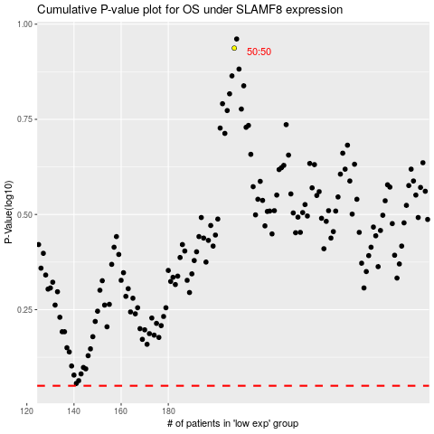

 |  |  |  |  |  | cases_OS | p_OS | rank | exp
 |  |  |  |  |  |  | cases_RFS | p_RFS | rank | exp

