SLC10A3 _multivariate
Reported by Tex Li-Hsing Chi. tex@gate.sinica.edu.tw 2019-08-16

Table 2. The clinicopathological features of HNSCC cohort and SLC10A3 expression. (Chi square test)
Cutoff at -0.157 (50.0%)
 |  | SLC10A3 expression |  | SLC10A3 expression |  | (Optimised)
 | Features | Low | (%) | High | (%) | Case no | P-value | Remark | Matthews
Gender | Female | 148 | 35.7 | 158 | 38.1 | 415 | 0.3567 | 0 | 0
2 | Male | 59 | 14.2 | 50 | 12
Age at diagnosis | <=65y | 127 | 30.6 | 147 | 35.4 | 415 | 0.0573 | 0 | 0
4 | >65y | 80 | 19.3 | 61 | 14.7
Clinical T Status | T1+T2 | 83 | 20 | 66 | 15.9 | 415 | 0.0941 | 0 | 0
6 | T3+T4 | 124 | 29.9 | 142 | 34.2
Clinical N Status | N0 | 103 | 24.8 | 113 | 27.2 | 415 | 0.4047 | 0 | 0
8 | N1-3 | 104 | 25.1 | 95 | 22.9
Clinical M Status | M0 | 206 | 49.6 | 206 | 49.6 | 415 | 1 | 0 | 0
10 | M1 | 1 | 0.2 | 2 | 0.5
Clinical Stage | Stage I+II | 52 | 12.5 | 50 | 12 | 415 | 0.8871 | 0 | 0
12 | Stage III+IV | 155 | 37.3 | 158 | 38.1
Surgical Margin status | Negative | 150 | 36.1 | 168 | 40.5 | 415 | 0.0492 | 1 | 0
14 | Positive | 57 | 13.7 | 40 | 9.6
Tobacco Exposure | Low | 81 | 19.5 | 80 | 19.3 | 415 | 0.9199 | 0 | 0
16 | High | 126 | 30.4 | 128 | 30.8

Table 3. Univariate/Multivariate Cox's proportional hazards regression analyses on OS time of SLC10A3 gene expression in HNSCC

 |  | Univariate |  |  |  | Multivariate
 | Features | HR | CI95%(L) | CI95%(H) | P-value | HR | CI95%(L) | CI95%(H) | P-value
1 | Female | 1 |  |  |  | 1
Gender | Male | 1.157 | 0.843 | 1.587 | 0.367 | 1.191 | 0.851 | 1.666 | 0.308
11 | <=65y | 1 |  |  |  | 1
Age at diagnosis | >65y | 1.329 | 0.99 | 1.784 | 0.058 | 1.413 | 1.036 | 1.927 | 0.029
12 | T1+T2 | 1 |  |  |  | 1
Clinical T Status | T3+T4 | 1.409 | 1.028 | 1.931 | 0.033 | 2.173 | 1.148 | 4.115 | 0.017
13 | N0 | 1 |  |  |  | 1
Clinical N Status | N1-3 | 1.185 | 0.89 | 1.577 | 0.246 | 1.253 | 0.877 | 1.791 | 0.215
14 | M0 | 1 |  |  |  | 1
Clinical M Status | M1 | 4.097 | 1.009 | 16.644 | 0.049 | 9.038 | 1.961 | 41.647 | 0.005
15 | Stage I+II | 1 |  |  |  | 1
Clinical Stage | Stage III+IV | 1.245 | 0.882 | 1.759 | 0.213 | 0.504 | 0.235 | 1.081 | 0.078
16 | Negative | 1 |  |  |  | 1
Surgical Margin status | Positive | 1.591 | 1.155 | 2.191 | 0.004 | 1.678 | 1.214 | 2.319 | 0.002
17 | Low | 1 |  |  |  | 1
Tobacco Exposure | High | 1.364 | 1.008 | 1.844 | 0.044 | 1.457 | 1.058 | 2.008 | 0.021
18 | Low | 1 |  |  |  | 1
RNAseq(z-score) | High | 1.103 | 0.827 | 1.47 | 0.505 | 1.096 | 0.815 | 1.473 | 0.543

Table 4. Univariate/Multivariate Cox's proportional hazards regression analyses on RFS time of SLC10A3 gene expression in HNSCC

 |  | Univariate |  |  |  | Multivariate
 | Features | HR | CI95%(L) | CI95%(H) | P-value | HR | CI95%(L) | CI95%(H) | P-value
1 | Female | 1 |  |  |  | 1
Gender | Male | 1.157 | 0.843 | 1.587 | 0.367 | 1.191 | 0.851 | 1.666 | 0.308
11 | <=65y | 1 |  |  |  | 1
Age at diagnosis | >65y | 1.329 | 0.99 | 1.784 | 0.058 | 1.413 | 1.036 | 1.927 | 0.029
12 | T1+T2 | 1 |  |  |  | 1
Clinical T Status | T3+T4 | 1.409 | 1.028 | 1.931 | 0.033 | 2.173 | 1.148 | 4.115 | 0.017
13 | N0 | 1 |  |  |  | 1
Clinical N Status | N1-3 | 1.185 | 0.89 | 1.577 | 0.246 | 1.253 | 0.877 | 1.791 | 0.215
14 | M0 | 1 |  |  |  | 1
Clinical M Status | M1 | 4.097 | 1.009 | 16.644 | 0.049 | 9.038 | 1.961 | 41.647 | 0.005
15 | Stage I+II | 1 |  |  |  | 1
Clinical Stage | Stage III+IV | 1.245 | 0.882 | 1.759 | 0.213 | 0.504 | 0.235 | 1.081 | 0.078
16 | Negative | 1 |  |  |  | 1
Surgical Margin status | Positive | 1.591 | 1.155 | 2.191 | 0.004 | 1.678 | 1.214 | 2.319 | 0.002
17 | Low | 1 |  |  |  | 1
Tobacco Exposure | High | 1.364 | 1.008 | 1.844 | 0.044 | 1.457 | 1.058 | 2.008 | 0.021
18 | Low | 1 |  |  |  | 1
RNAseq(z-score) | High | 1.103 | 0.827 | 1.47 | 0.505 | 1.096 | 0.815 | 1.473 | 0.543

Kaplan-Meier survival estimate: Cutoff at -0.157 (50.0%)



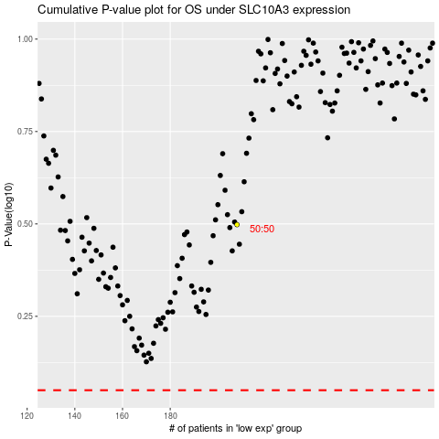

 |  |  |  |  |  | cases_OS | p_OS | rank | exp
 |  |  |  |  |  |  | cases_RFS | p_RFS | rank | exp

