SLC10A4 _multivariate
Reported by Tex Li-Hsing Chi. tex@gate.sinica.edu.tw 2019-08-16

Table 2. The clinicopathological features of HNSCC cohort and SLC10A4 expression. (Chi square test)
Cutoff at -0.178 (49.5%)
 |  | SLC10A4 expression |  | SLC10A4 expression |  | (Optimised)
 | Features | Low | (%) | High | (%) | Case no | P-value | Remark | Matthews
Gender | Female | 146 | 35.2 | 160 | 38.6 | 415 | 0.2288 | 0 | 0
2 | Male | 60 | 14.5 | 49 | 11.8
Age at diagnosis | <=65y | 125 | 30.1 | 149 | 35.9 | 415 | 0.0294 | 1 | 0
4 | >65y | 81 | 19.5 | 60 | 14.5
Clinical T Status | T1+T2 | 72 | 17.3 | 77 | 18.6 | 415 | 0.7649 | 0 | 0
6 | T3+T4 | 134 | 32.3 | 132 | 31.8
Clinical N Status | N0 | 106 | 25.5 | 110 | 26.5 | 415 | 0.8876 | 0 | 0
8 | N1-3 | 100 | 24.1 | 99 | 23.9
Clinical M Status | M0 | 204 | 49.2 | 208 | 50.1 | 415 | 0.6214 | 0 | 0
10 | M1 | 2 | 0.5 | 1 | 0.2
Clinical Stage | Stage I+II | 51 | 12.3 | 51 | 12.3 | 415 | 1 | 0 | 0
12 | Stage III+IV | 155 | 37.3 | 158 | 38.1
Surgical Margin status | Negative | 159 | 38.3 | 159 | 38.3 | 415 | 0.8172 | 0 | 0
14 | Positive | 47 | 11.3 | 50 | 12
Tobacco Exposure | Low | 94 | 22.7 | 67 | 16.1 | 415 | 0.0049 | 1 | 0
16 | High | 112 | 27 | 142 | 34.2

Table 3. Univariate/Multivariate Cox's proportional hazards regression analyses on OS time of SLC10A4 gene expression in HNSCC

 |  | Univariate |  |  |  | Multivariate
 | Features | HR | CI95%(L) | CI95%(H) | P-value | HR | CI95%(L) | CI95%(H) | P-value
1 | Female | 1 |  |  |  | 1
Gender | Male | 1.157 | 0.843 | 1.587 | 0.367 | 1.2 | 0.858 | 1.678 | 0.287
11 | <=65y | 1 |  |  |  | 1
Age at diagnosis | >65y | 1.329 | 0.99 | 1.784 | 0.058 | 1.385 | 1.018 | 1.884 | 0.038
12 | T1+T2 | 1 |  |  |  | 1
Clinical T Status | T3+T4 | 1.409 | 1.028 | 1.931 | 0.033 | 2.145 | 1.133 | 4.061 | 0.019
13 | N0 | 1 |  |  |  | 1
Clinical N Status | N1-3 | 1.185 | 0.89 | 1.577 | 0.246 | 1.238 | 0.868 | 1.766 | 0.239
14 | M0 | 1 |  |  |  | 1
Clinical M Status | M1 | 4.097 | 1.009 | 16.644 | 0.049 | 9.047 | 1.97 | 41.539 | 0.005
15 | Stage I+II | 1 |  |  |  | 1
Clinical Stage | Stage III+IV | 1.245 | 0.882 | 1.759 | 0.213 | 0.521 | 0.242 | 1.121 | 0.095
16 | Negative | 1 |  |  |  | 1
Surgical Margin status | Positive | 1.591 | 1.155 | 2.191 | 0.004 | 1.667 | 1.207 | 2.303 | 0.002
17 | Low | 1 |  |  |  | 1
Tobacco Exposure | High | 1.364 | 1.008 | 1.844 | 0.044 | 1.487 | 1.075 | 2.056 | 0.016
18 | Low | 1 |  |  |  | 1
RNAseq(z-score) | High | 0.871 | 0.653 | 1.161 | 0.345 | 0.863 | 0.644 | 1.157 | 0.324

Table 4. Univariate/Multivariate Cox's proportional hazards regression analyses on RFS time of SLC10A4 gene expression in HNSCC

 |  | Univariate |  |  |  | Multivariate
 | Features | HR | CI95%(L) | CI95%(H) | P-value | HR | CI95%(L) | CI95%(H) | P-value
1 | Female | 1 |  |  |  | 1
Gender | Male | 1.157 | 0.843 | 1.587 | 0.367 | 1.2 | 0.858 | 1.678 | 0.287
11 | <=65y | 1 |  |  |  | 1
Age at diagnosis | >65y | 1.329 | 0.99 | 1.784 | 0.058 | 1.385 | 1.018 | 1.884 | 0.038
12 | T1+T2 | 1 |  |  |  | 1
Clinical T Status | T3+T4 | 1.409 | 1.028 | 1.931 | 0.033 | 2.145 | 1.133 | 4.061 | 0.019
13 | N0 | 1 |  |  |  | 1
Clinical N Status | N1-3 | 1.185 | 0.89 | 1.577 | 0.246 | 1.238 | 0.868 | 1.766 | 0.239
14 | M0 | 1 |  |  |  | 1
Clinical M Status | M1 | 4.097 | 1.009 | 16.644 | 0.049 | 9.047 | 1.97 | 41.539 | 0.005
15 | Stage I+II | 1 |  |  |  | 1
Clinical Stage | Stage III+IV | 1.245 | 0.882 | 1.759 | 0.213 | 0.521 | 0.242 | 1.121 | 0.095
16 | Negative | 1 |  |  |  | 1
Surgical Margin status | Positive | 1.591 | 1.155 | 2.191 | 0.004 | 1.667 | 1.207 | 2.303 | 0.002
17 | Low | 1 |  |  |  | 1
Tobacco Exposure | High | 1.364 | 1.008 | 1.844 | 0.044 | 1.487 | 1.075 | 2.056 | 0.016
18 | Low | 1 |  |  |  | 1
RNAseq(z-score) | High | 0.871 | 0.653 | 1.161 | 0.345 | 0.863 | 0.644 | 1.157 | 0.324

Kaplan-Meier survival estimate: Cutoff at -0.178 (49.5%)



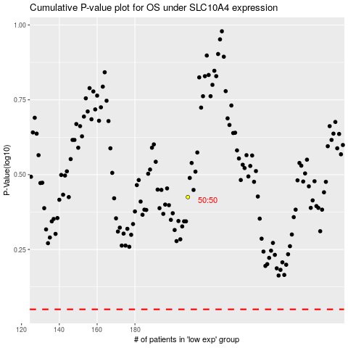

 |  |  |  |  |  | cases_OS | p_OS | rank | exp
 |  |  |  |  |  |  | cases_RFS | p_RFS | rank | exp

