SLC10A5 _multivariate
Reported by Tex Li-Hsing Chi. tex@gate.sinica.edu.tw 2019-08-16

Table 2. The clinicopathological features of HNSCC cohort and SLC10A5 expression. (Chi square test)
Cutoff at -0.343 (50.0%)
 |  | SLC10A5 expression |  | SLC10A5 expression |  | (Optimised)
 | Features | Low | (%) | High | (%) | Case no | P-value | Remark | Matthews
Gender | Female | 144 | 34.7 | 162 | 39 | 415 | 0.0697 | 0 | 0
2 | Male | 63 | 15.2 | 46 | 11.1
Age at diagnosis | <=65y | 125 | 30.1 | 149 | 35.9 | 415 | 0.0206 | 1 | 0
4 | >65y | 82 | 19.8 | 59 | 14.2
Clinical T Status | T1+T2 | 79 | 19 | 70 | 16.9 | 415 | 0.3924 | 0 | 0
6 | T3+T4 | 128 | 30.8 | 138 | 33.3
Clinical N Status | N0 | 110 | 26.5 | 106 | 25.5 | 415 | 0.7294 | 0 | 0
8 | N1-3 | 97 | 23.4 | 102 | 24.6
Clinical M Status | M0 | 206 | 49.6 | 206 | 49.6 | 415 | 1 | 0 | 0
10 | M1 | 1 | 0.2 | 2 | 0.5
Clinical Stage | Stage I+II | 61 | 14.7 | 41 | 9.9 | 415 | 0.0282 | 1 | 0
12 | Stage III+IV | 146 | 35.2 | 167 | 40.2
Surgical Margin status | Negative | 163 | 39.3 | 155 | 37.3 | 415 | 0.3537 | 0 | 0
14 | Positive | 44 | 10.6 | 53 | 12.8
Tobacco Exposure | Low | 86 | 20.7 | 75 | 18.1 | 415 | 0.2687 | 0 | 0
16 | High | 121 | 29.2 | 133 | 32

Table 3. Univariate/Multivariate Cox's proportional hazards regression analyses on OS time of SLC10A5 gene expression in HNSCC

 |  | Univariate |  |  |  | Multivariate
 | Features | HR | CI95%(L) | CI95%(H) | P-value | HR | CI95%(L) | CI95%(H) | P-value
1 | Female | 1 |  |  |  | 1
Gender | Male | 1.157 | 0.843 | 1.587 | 0.367 | 1.213 | 0.867 | 1.698 | 0.26
11 | <=65y | 1 |  |  |  | 1
Age at diagnosis | >65y | 1.329 | 0.99 | 1.784 | 0.058 | 1.4 | 1.029 | 1.904 | 0.032
12 | T1+T2 | 1 |  |  |  | 1
Clinical T Status | T3+T4 | 1.409 | 1.028 | 1.931 | 0.033 | 2.228 | 1.177 | 4.219 | 0.014
13 | N0 | 1 |  |  |  | 1
Clinical N Status | N1-3 | 1.185 | 0.89 | 1.577 | 0.246 | 1.249 | 0.875 | 1.784 | 0.221
14 | M0 | 1 |  |  |  | 1
Clinical M Status | M1 | 4.097 | 1.009 | 16.644 | 0.049 | 9.308 | 2.029 | 42.699 | 0.004
15 | Stage I+II | 1 |  |  |  | 1
Clinical Stage | Stage III+IV | 1.245 | 0.882 | 1.759 | 0.213 | 0.49 | 0.227 | 1.059 | 0.07
16 | Negative | 1 |  |  |  | 1
Surgical Margin status | Positive | 1.591 | 1.155 | 2.191 | 0.004 | 1.663 | 1.203 | 2.3 | 0.002
17 | Low | 1 |  |  |  | 1
Tobacco Exposure | High | 1.364 | 1.008 | 1.844 | 0.044 | 1.452 | 1.054 | 2.001 | 0.023
18 | Low | 1 |  |  |  | 1
RNAseq(z-score) | High | 1.077 | 0.806 | 1.438 | 0.617 | 1.084 | 0.804 | 1.462 | 0.595

Table 4. Univariate/Multivariate Cox's proportional hazards regression analyses on RFS time of SLC10A5 gene expression in HNSCC

 |  | Univariate |  |  |  | Multivariate
 | Features | HR | CI95%(L) | CI95%(H) | P-value | HR | CI95%(L) | CI95%(H) | P-value
1 | Female | 1 |  |  |  | 1
Gender | Male | 1.157 | 0.843 | 1.587 | 0.367 | 1.213 | 0.867 | 1.698 | 0.26
11 | <=65y | 1 |  |  |  | 1
Age at diagnosis | >65y | 1.329 | 0.99 | 1.784 | 0.058 | 1.4 | 1.029 | 1.904 | 0.032
12 | T1+T2 | 1 |  |  |  | 1
Clinical T Status | T3+T4 | 1.409 | 1.028 | 1.931 | 0.033 | 2.228 | 1.177 | 4.219 | 0.014
13 | N0 | 1 |  |  |  | 1
Clinical N Status | N1-3 | 1.185 | 0.89 | 1.577 | 0.246 | 1.249 | 0.875 | 1.784 | 0.221
14 | M0 | 1 |  |  |  | 1
Clinical M Status | M1 | 4.097 | 1.009 | 16.644 | 0.049 | 9.308 | 2.029 | 42.699 | 0.004
15 | Stage I+II | 1 |  |  |  | 1
Clinical Stage | Stage III+IV | 1.245 | 0.882 | 1.759 | 0.213 | 0.49 | 0.227 | 1.059 | 0.07
16 | Negative | 1 |  |  |  | 1
Surgical Margin status | Positive | 1.591 | 1.155 | 2.191 | 0.004 | 1.663 | 1.203 | 2.3 | 0.002
17 | Low | 1 |  |  |  | 1
Tobacco Exposure | High | 1.364 | 1.008 | 1.844 | 0.044 | 1.452 | 1.054 | 2.001 | 0.023
18 | Low | 1 |  |  |  | 1
RNAseq(z-score) | High | 1.077 | 0.806 | 1.438 | 0.617 | 1.084 | 0.804 | 1.462 | 0.595

Kaplan-Meier survival estimate: Cutoff at -0.343 (50.0%)



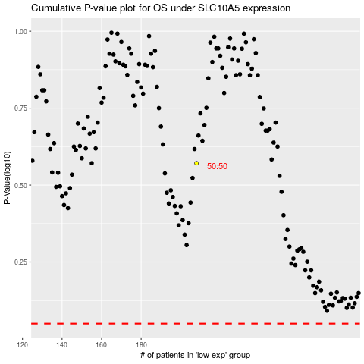

 |  |  |  |  |  | cases_OS | p_OS | rank | exp
 |  |  |  |  |  |  | cases_RFS | p_RFS | rank | exp

