SLC10A7 _multivariate
Reported by Tex Li-Hsing Chi. tex@gate.sinica.edu.tw 2019-08-16

Table 2. The clinicopathological features of HNSCC cohort and SLC10A7 expression. (Chi square test)
Cutoff at 0.021 (57.5%)
 |  | SLC10A7 expression |  | SLC10A7 expression |  | (Optimised)
 | Features | Low | (%) | High | (%) | Case no | P-value | Remark | Matthews
Gender | Female | 178 | 42.9 | 128 | 30.8 | 415 | 0.7738 | 0 | 0
2 | Male | 61 | 14.7 | 48 | 11.6
Age at diagnosis | <=65y | 153 | 36.9 | 121 | 29.2 | 415 | 0.3674 | 0 | 0
4 | >65y | 86 | 20.7 | 55 | 13.3
Clinical T Status | T1+T2 | 86 | 20.7 | 63 | 15.2 | 415 | 1 | 0 | 0
6 | T3+T4 | 153 | 36.9 | 113 | 27.2
Clinical N Status | N0 | 123 | 29.6 | 93 | 22.4 | 415 | 0.8587 | 0 | 0
8 | N1-3 | 116 | 28 | 83 | 20
Clinical M Status | M0 | 236 | 56.9 | 176 | 42.4 | 415 | 0.2655 | 0 | 0
10 | M1 | 3 | 0.7 | 0 | 0
Clinical Stage | Stage I+II | 58 | 14 | 44 | 10.6 | 415 | 0.9554 | 0 | 0
12 | Stage III+IV | 181 | 43.6 | 132 | 31.8
Surgical Margin status | Negative | 186 | 44.8 | 132 | 31.8 | 415 | 0.5576 | 0 | 0
14 | Positive | 53 | 12.8 | 44 | 10.6
Tobacco Exposure | Low | 94 | 22.7 | 67 | 16.1 | 415 | 0.8387 | 0 | 0
16 | High | 145 | 34.9 | 109 | 26.3

Table 3. Univariate/Multivariate Cox's proportional hazards regression analyses on OS time of SLC10A7 gene expression in HNSCC

 |  | Univariate |  |  |  | Multivariate
 | Features | HR | CI95%(L) | CI95%(H) | P-value | HR | CI95%(L) | CI95%(H) | P-value
1 | Female | 1 |  |  |  | 1
Gender | Male | 1.157 | 0.843 | 1.587 | 0.367 | 1.225 | 0.875 | 1.714 | 0.238
11 | <=65y | 1 |  |  |  | 1
Age at diagnosis | >65y | 1.329 | 0.99 | 1.784 | 0.058 | 1.357 | 0.996 | 1.847 | 0.053
12 | T1+T2 | 1 |  |  |  | 1
Clinical T Status | T3+T4 | 1.409 | 1.028 | 1.931 | 0.033 | 2.18 | 1.153 | 4.123 | 0.017
13 | N0 | 1 |  |  |  | 1
Clinical N Status | N1-3 | 1.185 | 0.89 | 1.577 | 0.246 | 1.242 | 0.871 | 1.771 | 0.232
14 | M0 | 1 |  |  |  | 1
Clinical M Status | M1 | 4.097 | 1.009 | 16.644 | 0.049 | 8.354 | 1.814 | 38.472 | 0.006
15 | Stage I+II | 1 |  |  |  | 1
Clinical Stage | Stage III+IV | 1.245 | 0.882 | 1.759 | 0.213 | 0.511 | 0.238 | 1.097 | 0.085
16 | Negative | 1 |  |  |  | 1
Surgical Margin status | Positive | 1.591 | 1.155 | 2.191 | 0.004 | 1.666 | 1.206 | 2.301 | 0.002
17 | Low | 1 |  |  |  | 1
Tobacco Exposure | High | 1.364 | 1.008 | 1.844 | 0.044 | 1.466 | 1.063 | 2.023 | 0.02
18 | Low | 1 |  |  |  | 1
RNAseq(z-score) | High | 0.74 | 0.549 | 0.996 | 0.047 | 0.76 | 0.563 | 1.027 | 0.074

Table 4. Univariate/Multivariate Cox's proportional hazards regression analyses on RFS time of SLC10A7 gene expression in HNSCC

 |  | Univariate |  |  |  | Multivariate
 | Features | HR | CI95%(L) | CI95%(H) | P-value | HR | CI95%(L) | CI95%(H) | P-value
1 | Female | 1 |  |  |  | 1
Gender | Male | 1.157 | 0.843 | 1.587 | 0.367 | 1.225 | 0.875 | 1.714 | 0.238
11 | <=65y | 1 |  |  |  | 1
Age at diagnosis | >65y | 1.329 | 0.99 | 1.784 | 0.058 | 1.357 | 0.996 | 1.847 | 0.053
12 | T1+T2 | 1 |  |  |  | 1
Clinical T Status | T3+T4 | 1.409 | 1.028 | 1.931 | 0.033 | 2.18 | 1.153 | 4.123 | 0.017
13 | N0 | 1 |  |  |  | 1
Clinical N Status | N1-3 | 1.185 | 0.89 | 1.577 | 0.246 | 1.242 | 0.871 | 1.771 | 0.232
14 | M0 | 1 |  |  |  | 1
Clinical M Status | M1 | 4.097 | 1.009 | 16.644 | 0.049 | 8.354 | 1.814 | 38.472 | 0.006
15 | Stage I+II | 1 |  |  |  | 1
Clinical Stage | Stage III+IV | 1.245 | 0.882 | 1.759 | 0.213 | 0.511 | 0.238 | 1.097 | 0.085
16 | Negative | 1 |  |  |  | 1
Surgical Margin status | Positive | 1.591 | 1.155 | 2.191 | 0.004 | 1.666 | 1.206 | 2.301 | 0.002
17 | Low | 1 |  |  |  | 1
Tobacco Exposure | High | 1.364 | 1.008 | 1.844 | 0.044 | 1.466 | 1.063 | 2.023 | 0.02
18 | Low | 1 |  |  |  | 1
RNAseq(z-score) | High | 0.74 | 0.549 | 0.996 | 0.047 | 0.76 | 0.563 | 1.027 | 0.074

Kaplan-Meier survival estimate: Cutoff at 0.021 (57.5%)



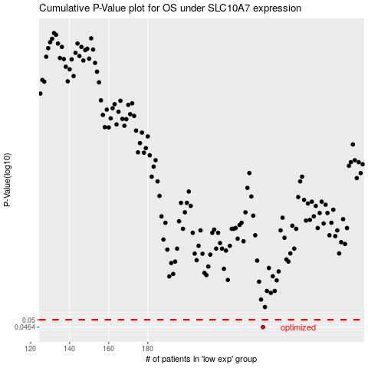

 |  |  |  |  |  | cases_OS | p_OS | rank | exp
 |  |  |  |  |  | 239 | 0.0464 | 14 | 0.020929859566
 |  |  |  |  |  |  | cases_RFS | p_RFS | rank | exp
 |  |  |  |  |  |  | 238 | 0.0464 | 133 | 0.014962126018

