SLC11A1 _multivariate
Reported by Tex Li-Hsing Chi. tex@gate.sinica.edu.tw 2019-08-16

Table 2. The clinicopathological features of HNSCC cohort and SLC11A1 expression. (Chi square test)
Cutoff at -0.193 (49.8%)
 |  | SLC11A1 expression |  | SLC11A1 expression |  | (Optimised)
 | Features | Low | (%) | High | (%) | Case no | P-value | Remark | Matthews
Gender | Female | 153 | 36.9 | 153 | 36.9 | 415 | 1 | 0 | 0
2 | Male | 54 | 13 | 55 | 13.3
Age at diagnosis | <=65y | 148 | 35.7 | 126 | 30.4 | 415 | 0.0248 | 1 | 0
4 | >65y | 59 | 14.2 | 82 | 19.8
Clinical T Status | T1+T2 | 86 | 20.7 | 63 | 15.2 | 415 | 0.0221 | 1 | 0
6 | T3+T4 | 121 | 29.2 | 145 | 34.9
Clinical N Status | N0 | 111 | 26.7 | 105 | 25.3 | 415 | 0.5875 | 0 | 0
8 | N1-3 | 96 | 23.1 | 103 | 24.8
Clinical M Status | M0 | 207 | 49.9 | 205 | 49.4 | 415 | 0.2482 | 0 | 0
10 | M1 | 0 | 0 | 3 | 0.7
Clinical Stage | Stage I+II | 60 | 14.5 | 42 | 10.1 | 415 | 0.0493 | 1 | 0
12 | Stage III+IV | 147 | 35.4 | 166 | 40
Surgical Margin status | Negative | 160 | 38.6 | 158 | 38.1 | 415 | 0.8167 | 0 | 0
14 | Positive | 47 | 11.3 | 50 | 12
Tobacco Exposure | Low | 84 | 20.2 | 77 | 18.6 | 415 | 0.4816 | 0 | 0
16 | High | 123 | 29.6 | 131 | 31.6

Table 3. Univariate/Multivariate Cox's proportional hazards regression analyses on OS time of SLC11A1 gene expression in HNSCC

 |  | Univariate |  |  |  | Multivariate
 | Features | HR | CI95%(L) | CI95%(H) | P-value | HR | CI95%(L) | CI95%(H) | P-value
1 | Female | 1 |  |  |  | 1
Gender | Male | 1.157 | 0.843 | 1.587 | 0.367 | 1.203 | 0.861 | 1.681 | 0.279
11 | <=65y | 1 |  |  |  | 1
Age at diagnosis | >65y | 1.329 | 0.99 | 1.784 | 0.058 | 1.385 | 1.015 | 1.888 | 0.04
12 | T1+T2 | 1 |  |  |  | 1
Clinical T Status | T3+T4 | 1.409 | 1.028 | 1.931 | 0.033 | 2.189 | 1.156 | 4.148 | 0.016
13 | N0 | 1 |  |  |  | 1
Clinical N Status | N1-3 | 1.185 | 0.89 | 1.577 | 0.246 | 1.24 | 0.869 | 1.769 | 0.237
14 | M0 | 1 |  |  |  | 1
Clinical M Status | M1 | 4.097 | 1.009 | 16.644 | 0.049 | 9.21 | 1.987 | 42.679 | 0.005
15 | Stage I+II | 1 |  |  |  | 1
Clinical Stage | Stage III+IV | 1.245 | 0.882 | 1.759 | 0.213 | 0.505 | 0.235 | 1.083 | 0.079
16 | Negative | 1 |  |  |  | 1
Surgical Margin status | Positive | 1.591 | 1.155 | 2.191 | 0.004 | 1.67 | 1.208 | 2.308 | 0.002
17 | Low | 1 |  |  |  | 1
Tobacco Exposure | High | 1.364 | 1.008 | 1.844 | 0.044 | 1.451 | 1.053 | 2 | 0.023
18 | Low | 1 |  |  |  | 1
RNAseq(z-score) | High | 1.175 | 0.882 | 1.565 | 0.271 | 1.035 | 0.769 | 1.391 | 0.822

Table 4. Univariate/Multivariate Cox's proportional hazards regression analyses on RFS time of SLC11A1 gene expression in HNSCC

 |  | Univariate |  |  |  | Multivariate
 | Features | HR | CI95%(L) | CI95%(H) | P-value | HR | CI95%(L) | CI95%(H) | P-value
1 | Female | 1 |  |  |  | 1
Gender | Male | 1.157 | 0.843 | 1.587 | 0.367 | 1.203 | 0.861 | 1.681 | 0.279
11 | <=65y | 1 |  |  |  | 1
Age at diagnosis | >65y | 1.329 | 0.99 | 1.784 | 0.058 | 1.385 | 1.015 | 1.888 | 0.04
12 | T1+T2 | 1 |  |  |  | 1
Clinical T Status | T3+T4 | 1.409 | 1.028 | 1.931 | 0.033 | 2.189 | 1.156 | 4.148 | 0.016
13 | N0 | 1 |  |  |  | 1
Clinical N Status | N1-3 | 1.185 | 0.89 | 1.577 | 0.246 | 1.24 | 0.869 | 1.769 | 0.237
14 | M0 | 1 |  |  |  | 1
Clinical M Status | M1 | 4.097 | 1.009 | 16.644 | 0.049 | 9.21 | 1.987 | 42.679 | 0.005
15 | Stage I+II | 1 |  |  |  | 1
Clinical Stage | Stage III+IV | 1.245 | 0.882 | 1.759 | 0.213 | 0.505 | 0.235 | 1.083 | 0.079
16 | Negative | 1 |  |  |  | 1
Surgical Margin status | Positive | 1.591 | 1.155 | 2.191 | 0.004 | 1.67 | 1.208 | 2.308 | 0.002
17 | Low | 1 |  |  |  | 1
Tobacco Exposure | High | 1.364 | 1.008 | 1.844 | 0.044 | 1.451 | 1.053 | 2 | 0.023
18 | Low | 1 |  |  |  | 1
RNAseq(z-score) | High | 1.175 | 0.882 | 1.565 | 0.271 | 1.035 | 0.769 | 1.391 | 0.822

Kaplan-Meier survival estimate: Cutoff at -0.193 (49.8%)



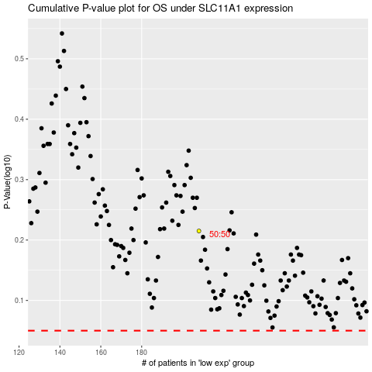

 |  |  |  |  |  | cases_OS | p_OS | rank | exp
 |  |  |  |  |  |  | cases_RFS | p_RFS | rank | exp

