SLC12A2 _multivariate
Reported by Tex Li-Hsing Chi. tex@gate.sinica.edu.tw 2019-08-16

Table 2. The clinicopathological features of HNSCC cohort and SLC12A2 expression. (Chi square test)
Cutoff at -0.088 (66.7%)
 |  | SLC12A2 expression |  | SLC12A2 expression |  | (Optimised)
 | Features | Low | (%) | High | (%) | Case no | P-value | Remark | Matthews
Gender | Female | 208 | 50.1 | 98 | 23.6 | 415 | 0.441 | 0 | 0
2 | Male | 69 | 16.6 | 40 | 9.6
Age at diagnosis | <=65y | 174 | 41.9 | 100 | 24.1 | 415 | 0.065 | 0 | 0
4 | >65y | 103 | 24.8 | 38 | 9.2
Clinical T Status | T1+T2 | 99 | 23.9 | 50 | 12 | 415 | 1 | 0 | 0
6 | T3+T4 | 178 | 42.9 | 88 | 21.2
Clinical N Status | N0 | 137 | 33 | 79 | 19 | 415 | 0.164 | 0 | 0
8 | N1-3 | 140 | 33.7 | 59 | 14.2
Clinical M Status | M0 | 274 | 66 | 138 | 33.3 | 415 | 0.5539 | 0 | 0
10 | M1 | 3 | 0.7 | 0 | 0
Clinical Stage | Stage I+II | 68 | 16.4 | 34 | 8.2 | 415 | 1 | 0 | 0
12 | Stage III+IV | 209 | 50.4 | 104 | 25.1
Surgical Margin status | Negative | 206 | 49.6 | 112 | 27 | 415 | 0.1401 | 0 | 0
14 | Positive | 71 | 17.1 | 26 | 6.3
Tobacco Exposure | Low | 109 | 26.3 | 52 | 12.5 | 415 | 0.7499 | 0 | 0
16 | High | 168 | 40.5 | 86 | 20.7

Table 3. Univariate/Multivariate Cox's proportional hazards regression analyses on OS time of SLC12A2 gene expression in HNSCC

 |  | Univariate |  |  |  | Multivariate
 | Features | HR | CI95%(L) | CI95%(H) | P-value | HR | CI95%(L) | CI95%(H) | P-value
1 | Female | 1 |  |  |  | 1
Gender | Male | 1.157 | 0.843 | 1.587 | 0.367 | 1.203 | 0.862 | 1.68 | 0.277
11 | <=65y | 1 |  |  |  | 1
Age at diagnosis | >65y | 1.329 | 0.99 | 1.784 | 0.058 | 1.332 | 0.978 | 1.813 | 0.069
12 | T1+T2 | 1 |  |  |  | 1
Clinical T Status | T3+T4 | 1.409 | 1.028 | 1.931 | 0.033 | 2.098 | 1.108 | 3.971 | 0.023
13 | N0 | 1 |  |  |  | 1
Clinical N Status | N1-3 | 1.185 | 0.89 | 1.577 | 0.246 | 1.19 | 0.832 | 1.702 | 0.34
14 | M0 | 1 |  |  |  | 1
Clinical M Status | M1 | 4.097 | 1.009 | 16.644 | 0.049 | 8.064 | 1.751 | 37.131 | 0.007
15 | Stage I+II | 1 |  |  |  | 1
Clinical Stage | Stage III+IV | 1.245 | 0.882 | 1.759 | 0.213 | 0.54 | 0.251 | 1.163 | 0.115
16 | Negative | 1 |  |  |  | 1
Surgical Margin status | Positive | 1.591 | 1.155 | 2.191 | 0.004 | 1.568 | 1.131 | 2.174 | 0.007
17 | Low | 1 |  |  |  | 1
Tobacco Exposure | High | 1.364 | 1.008 | 1.844 | 0.044 | 1.466 | 1.065 | 2.019 | 0.019
18 | Low | 1 |  |  |  | 1
RNAseq(z-score) | High | 0.599 | 0.429 | 0.836 | 0.003 | 0.673 | 0.478 | 0.948 | 0.024

Table 4. Univariate/Multivariate Cox's proportional hazards regression analyses on RFS time of SLC12A2 gene expression in HNSCC

 |  | Univariate |  |  |  | Multivariate
 | Features | HR | CI95%(L) | CI95%(H) | P-value | HR | CI95%(L) | CI95%(H) | P-value
1 | Female | 1 |  |  |  | 1
Gender | Male | 1.157 | 0.843 | 1.587 | 0.367 | 1.203 | 0.862 | 1.68 | 0.277
11 | <=65y | 1 |  |  |  | 1
Age at diagnosis | >65y | 1.329 | 0.99 | 1.784 | 0.058 | 1.332 | 0.978 | 1.813 | 0.069
12 | T1+T2 | 1 |  |  |  | 1
Clinical T Status | T3+T4 | 1.409 | 1.028 | 1.931 | 0.033 | 2.098 | 1.108 | 3.971 | 0.023
13 | N0 | 1 |  |  |  | 1
Clinical N Status | N1-3 | 1.185 | 0.89 | 1.577 | 0.246 | 1.19 | 0.832 | 1.702 | 0.34
14 | M0 | 1 |  |  |  | 1
Clinical M Status | M1 | 4.097 | 1.009 | 16.644 | 0.049 | 8.064 | 1.751 | 37.131 | 0.007
15 | Stage I+II | 1 |  |  |  | 1
Clinical Stage | Stage III+IV | 1.245 | 0.882 | 1.759 | 0.213 | 0.54 | 0.251 | 1.163 | 0.115
16 | Negative | 1 |  |  |  | 1
Surgical Margin status | Positive | 1.591 | 1.155 | 2.191 | 0.004 | 1.568 | 1.131 | 2.174 | 0.007
17 | Low | 1 |  |  |  | 1
Tobacco Exposure | High | 1.364 | 1.008 | 1.844 | 0.044 | 1.466 | 1.065 | 2.019 | 0.019
18 | Low | 1 |  |  |  | 1
RNAseq(z-score) | High | 0.599 | 0.429 | 0.836 | 0.003 | 0.673 | 0.478 | 0.948 | 0.024

Kaplan-Meier survival estimate: Cutoff at -0.088 (66.7%)

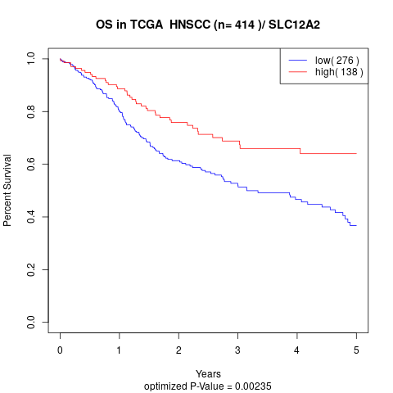

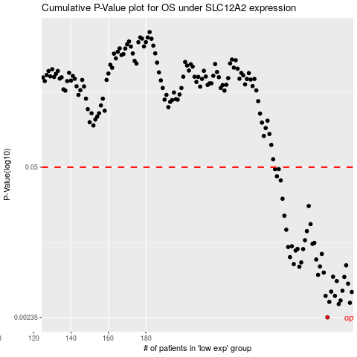

 |  |  |  |  |  | cases_OS | p_OS | rank | exp
 |  |  |  |  |  | 277 | 0.00235 | 242 | -0.088490871211
 |  |  |  |  |  | 283 | 0.00308 | 298 | -0.075400831203
 |  |  |  |  |  | 289 | 0.00316 | 157 | -0.062420036793
 |  |  |  |  |  | 278 | 0.00322 | 39 | -0.086063387533
 |  |  |  |  |  | 284 | 0.00331 | 37 | -0.075071699784
 |  |  |  |  |  | 276 | 0.00364 | 148 | -0.091510419544
 |  |  |  |  |  | 281 | 0.00364 | 189 | -0.078300441815
 |  |  |  |  |  | 290 | 0.00394 | 56 | -0.062032796013
 |  |  |  |  |  | 279 | 0.00397 | 71 | -0.081013079749
 |  |  |  |  |  | 285 | 0.00404 | 60 | -0.072696746967
 |  |  |  |  |  | 288 | 0.00467 | 186 | -0.066308715212
 |  |  |  |  |  | 282 | 0.00492 | 344 | -0.078215369711
 |  |  |  |  |  | 286 | 0.00535 | 160 | -0.071553526648
 |  |  |  |  |  | 280 | 0.00537 | 227 | -0.079498517371
 |  |  |  |  |  | 272 | 0.00558 | 269 | -0.10093343348
 |  |  |  |  |  | 275 | 0.00585 | 225 | -0.093539691396
 |  |  |  |  |  | 262 | 0.00659 | 238 | -0.11815490957
 |  |  |  |  |  | 273 | 0.00662 | 150 | -0.09743106609
 |  |  |  |  |  | 287 | 0.00678 | 23 | -0.071182928389
 |  |  |  |  |  | 259 | 0.00695 | 400 | -0.12093960311
 |  |  |  |  |  | 263 | 0.00719 | 165 | -0.11527073281
 |  |  |  |  |  | 271 | 0.00763 | 143 | -0.10161754336
 |  |  |  |  |  | 257 | 0.00801 | 350 | -0.12323013465
 |  |  |  |  |  | 274 | 0.00855 | 67 | -0.093699980256
 |  |  |  |  |  | 260 | 0.00916 | 25 | -0.12000929549
 |  |  |  |  |  | 264 | 0.00943 | 311 | -0.11490906015
 |  |  |  |  |  | 261 | 0.00946 | 69 | -0.11928353282
 |  |  |  |  |  | 256 | 0.00985 | 273 | -0.12398639311
 |  |  |  |  |  | 258 | 0.01 | 68 | -0.12303814132
 |  |  |  |  |  | 269 | 0.0105 | 13 | -0.10542189348
 |  |  |  |  |  | 270 | 0.0107 | 137 | -0.1054065526
 |  |  |  |  |  | 265 | 0.0113 | 337 | -0.10974448611
 |  |  |  |  |  | 266 | 0.0136 | 26 | -0.10905014898
 |  |  |  |  |  | 255 | 0.014 | 133 | -0.12484204183
 |  |  |  |  |  | 268 | 0.0157 | 224 | -0.10569068414
 |  |  |  |  |  | 254 | 0.0186 | 185 | -0.12958469541
 |  |  |  |  |  | 267 | 0.0227 | 222 | -0.10801384989
 |  |  |  |  |  | 253 | 0.0263 | 61 | -0.13208302602
 |  |  |  |  |  | 252 | 0.0382 | 297 | -0.13630381106
 |  |  |  |  |  | 250 | 0.0416 | 171 | -0.14520151638
 |  |  |  |  |  | 249 | 0.048 | 55 | -0.1456220422
 |  |  |  |  |  | 251 | 0.0481 | 206 | -0.1450892026
 |  |  |  |  |  |  | cases_RFS | p_RFS | rank | exp
 |  |  |  |  |  |  | 276 | 0.00235 | 148 | -0.091510419544
 |  |  |  |  |  |  | 282 | 0.00308 | 344 | -0.078215369711
 |  |  |  |  |  |  | 288 | 0.00316 | 186 | -0.066308715212
 |  |  |  |  |  |  | 277 | 0.00322 | 242 | -0.088490871211
 |  |  |  |  |  |  | 283 | 0.00331 | 298 | -0.075400831203
 |  |  |  |  |  |  | 275 | 0.00364 | 225 | -0.093539691396
 |  |  |  |  |  |  | 280 | 0.00364 | 227 | -0.079498517371
 |  |  |  |  |  |  | 289 | 0.00394 | 157 | -0.062420036793
 |  |  |  |  |  |  | 278 | 0.00397 | 39 | -0.086063387533
 |  |  |  |  |  |  | 284 | 0.00404 | 37 | -0.075071699784
 |  |  |  |  |  |  | 287 | 0.00467 | 23 | -0.071182928389
 |  |  |  |  |  |  | 281 | 0.00492 | 189 | -0.078300441815
 |  |  |  |  |  |  | 285 | 0.00535 | 60 | -0.072696746967
 |  |  |  |  |  |  | 279 | 0.00537 | 71 | -0.081013079749
 |  |  |  |  |  |  | 271 | 0.00558 | 143 | -0.10161754336
 |  |  |  |  |  |  | 274 | 0.00585 | 67 | -0.093699980256
 |  |  |  |  |  |  | 261 | 0.00659 | 69 | -0.11928353282
 |  |  |  |  |  |  | 272 | 0.00662 | 269 | -0.10093343348
 |  |  |  |  |  |  | 286 | 0.00678 | 160 | -0.071553526648
 |  |  |  |  |  |  | 258 | 0.00695 | 68 | -0.12303814132
 |  |  |  |  |  |  | 262 | 0.00719 | 238 | -0.11815490957
 |  |  |  |  |  |  | 270 | 0.00763 | 137 | -0.1054065526
 |  |  |  |  |  |  | 256 | 0.00801 | 273 | -0.12398639311
 |  |  |  |  |  |  | 273 | 0.00855 | 150 | -0.09743106609
 |  |  |  |  |  |  | 259 | 0.00916 | 400 | -0.12093960311
 |  |  |  |  |  |  | 263 | 0.00943 | 165 | -0.11527073281
 |  |  |  |  |  |  | 260 | 0.00946 | 25 | -0.12000929549
 |  |  |  |  |  |  | 255 | 0.00985 | 133 | -0.12484204183
 |  |  |  |  |  |  | 257 | 0.01 | 350 | -0.12323013465
 |  |  |  |  |  |  | 268 | 0.0105 | 224 | -0.10569068414
 |  |  |  |  |  |  | 269 | 0.0107 | 13 | -0.10542189348
 |  |  |  |  |  |  | 264 | 0.0113 | 311 | -0.11490906015
 |  |  |  |  |  |  | 265 | 0.0136 | 337 | -0.10974448611
 |  |  |  |  |  |  | 254 | 0.014 | 185 | -0.12958469541
 |  |  |  |  |  |  | 267 | 0.0157 | 222 | -0.10801384989
 |  |  |  |  |  |  | 253 | 0.0186 | 61 | -0.13208302602
 |  |  |  |  |  |  | 266 | 0.0227 | 26 | -0.10905014898
 |  |  |  |  |  |  | 252 | 0.0263 | 297 | -0.13630381106
 |  |  |  |  |  |  | 251 | 0.0382 | 206 | -0.1450892026
 |  |  |  |  |  |  | 249 | 0.0416 | 55 | -0.1456220422
 |  |  |  |  |  |  | 248 | 0.048 | 405 | -0.1462425572
 |  |  |  |  |  |  | 250 | 0.0481 | 171 | -0.14520151638

