SLC12A7 _multivariate
Reported by Tex Li-Hsing Chi. tex@gate.sinica.edu.tw 2019-08-16

Table 2. The clinicopathological features of HNSCC cohort and SLC12A7 expression. (Chi square test)
Cutoff at -0.294 (49.8%)
 |  | SLC12A7 expression |  | SLC12A7 expression |  | (Optimised)
 | Features | Low | (%) | High | (%) | Case no | P-value | Remark | Matthews
Gender | Female | 146 | 35.2 | 160 | 38.6 | 415 | 0.1714 | 0 | 0
2 | Male | 61 | 14.7 | 48 | 11.6
Age at diagnosis | <=65y | 134 | 32.3 | 140 | 33.7 | 415 | 0.6529 | 0 | 0
4 | >65y | 73 | 17.6 | 68 | 16.4
Clinical T Status | T1+T2 | 75 | 18.1 | 74 | 17.8 | 415 | 0.9707 | 0 | 0
6 | T3+T4 | 132 | 31.8 | 134 | 32.3
Clinical N Status | N0 | 118 | 28.4 | 98 | 23.6 | 415 | 0.0551 | 1 | 0
8 | N1-3 | 89 | 21.4 | 110 | 26.5
Clinical M Status | M0 | 205 | 49.4 | 207 | 49.9 | 415 | 0.6232 | 0 | 0
10 | M1 | 2 | 0.5 | 1 | 0.2
Clinical Stage | Stage I+II | 56 | 13.5 | 46 | 11.1 | 415 | 0.2918 | 0 | 0
12 | Stage III+IV | 151 | 36.4 | 162 | 39
Surgical Margin status | Negative | 158 | 38.1 | 160 | 38.6 | 415 | 0.9081 | 0 | 0
14 | Positive | 49 | 11.8 | 48 | 11.6
Tobacco Exposure | Low | 102 | 24.6 | 59 | 14.2 | 415 | 0 | 1 | 0
16 | High | 105 | 25.3 | 149 | 35.9

Table 3. Univariate/Multivariate Cox's proportional hazards regression analyses on OS time of SLC12A7 gene expression in HNSCC

 |  | Univariate |  |  |  | Multivariate
 | Features | HR | CI95%(L) | CI95%(H) | P-value | HR | CI95%(L) | CI95%(H) | P-value
1 | Female | 1 |  |  |  | 1
Gender | Male | 1.157 | 0.843 | 1.587 | 0.367 | 1.202 | 0.86 | 1.68 | 0.281
11 | <=65y | 1 |  |  |  | 1
Age at diagnosis | >65y | 1.329 | 0.99 | 1.784 | 0.058 | 1.391 | 1.024 | 1.892 | 0.035
12 | T1+T2 | 1 |  |  |  | 1
Clinical T Status | T3+T4 | 1.409 | 1.028 | 1.931 | 0.033 | 2.202 | 1.165 | 4.164 | 0.015
13 | N0 | 1 |  |  |  | 1
Clinical N Status | N1-3 | 1.185 | 0.89 | 1.577 | 0.246 | 1.239 | 0.866 | 1.771 | 0.24
14 | M0 | 1 |  |  |  | 1
Clinical M Status | M1 | 4.097 | 1.009 | 16.644 | 0.049 | 9.447 | 2.053 | 43.476 | 0.004
15 | Stage I+II | 1 |  |  |  | 1
Clinical Stage | Stage III+IV | 1.245 | 0.882 | 1.759 | 0.213 | 0.505 | 0.235 | 1.083 | 0.079
16 | Negative | 1 |  |  |  | 1
Surgical Margin status | Positive | 1.591 | 1.155 | 2.191 | 0.004 | 1.671 | 1.209 | 2.309 | 0.002
17 | Low | 1 |  |  |  | 1
Tobacco Exposure | High | 1.364 | 1.008 | 1.844 | 0.044 | 1.449 | 1.043 | 2.013 | 0.027
18 | Low | 1 |  |  |  | 1
RNAseq(z-score) | High | 1.097 | 0.822 | 1.463 | 0.529 | 1.012 | 0.749 | 1.367 | 0.938

Table 4. Univariate/Multivariate Cox's proportional hazards regression analyses on RFS time of SLC12A7 gene expression in HNSCC

 |  | Univariate |  |  |  | Multivariate
 | Features | HR | CI95%(L) | CI95%(H) | P-value | HR | CI95%(L) | CI95%(H) | P-value
1 | Female | 1 |  |  |  | 1
Gender | Male | 1.157 | 0.843 | 1.587 | 0.367 | 1.202 | 0.86 | 1.68 | 0.281
11 | <=65y | 1 |  |  |  | 1
Age at diagnosis | >65y | 1.329 | 0.99 | 1.784 | 0.058 | 1.391 | 1.024 | 1.892 | 0.035
12 | T1+T2 | 1 |  |  |  | 1
Clinical T Status | T3+T4 | 1.409 | 1.028 | 1.931 | 0.033 | 2.202 | 1.165 | 4.164 | 0.015
13 | N0 | 1 |  |  |  | 1
Clinical N Status | N1-3 | 1.185 | 0.89 | 1.577 | 0.246 | 1.239 | 0.866 | 1.771 | 0.24
14 | M0 | 1 |  |  |  | 1
Clinical M Status | M1 | 4.097 | 1.009 | 16.644 | 0.049 | 9.447 | 2.053 | 43.476 | 0.004
15 | Stage I+II | 1 |  |  |  | 1
Clinical Stage | Stage III+IV | 1.245 | 0.882 | 1.759 | 0.213 | 0.505 | 0.235 | 1.083 | 0.079
16 | Negative | 1 |  |  |  | 1
Surgical Margin status | Positive | 1.591 | 1.155 | 2.191 | 0.004 | 1.671 | 1.209 | 2.309 | 0.002
17 | Low | 1 |  |  |  | 1
Tobacco Exposure | High | 1.364 | 1.008 | 1.844 | 0.044 | 1.449 | 1.043 | 2.013 | 0.027
18 | Low | 1 |  |  |  | 1
RNAseq(z-score) | High | 1.097 | 0.822 | 1.463 | 0.529 | 1.012 | 0.749 | 1.367 | 0.938

Kaplan-Meier survival estimate: Cutoff at -0.294 (49.8%)



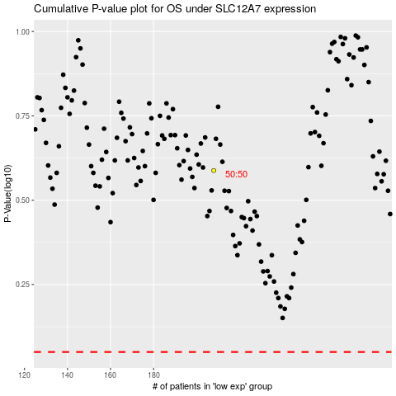

 |  |  |  |  |  | cases_OS | p_OS | rank | exp
 |  |  |  |  |  |  | cases_RFS | p_RFS | rank | exp

