SLC12A8 _multivariate
Reported by Tex Li-Hsing Chi. tex@gate.sinica.edu.tw 2019-08-16

Table 2. The clinicopathological features of HNSCC cohort and SLC12A8 expression. (Chi square test)
Cutoff at -0.182 (49.8%)
 |  | SLC12A8 expression |  | SLC12A8 expression |  | (Optimised)
 | Features | Low | (%) | High | (%) | Case no | P-value | Remark | Matthews
Gender | Female | 146 | 35.2 | 160 | 38.6 | 415 | 0.1714 | 0 | 0
2 | Male | 61 | 14.7 | 48 | 11.6
Age at diagnosis | <=65y | 137 | 33 | 137 | 33 | 415 | 1 | 0 | 0
4 | >65y | 70 | 16.9 | 71 | 17.1
Clinical T Status | T1+T2 | 79 | 19 | 70 | 16.9 | 415 | 0.3924 | 0 | 0
6 | T3+T4 | 128 | 30.8 | 138 | 33.3
Clinical N Status | N0 | 104 | 25.1 | 112 | 27 | 415 | 0.5243 | 0 | 0
8 | N1-3 | 103 | 24.8 | 96 | 23.1
Clinical M Status | M0 | 205 | 49.4 | 207 | 49.9 | 415 | 0.6232 | 0 | 0
10 | M1 | 2 | 0.5 | 1 | 0.2
Clinical Stage | Stage I+II | 51 | 12.3 | 51 | 12.3 | 415 | 1 | 0 | 0
12 | Stage III+IV | 156 | 37.6 | 157 | 37.8
Surgical Margin status | Negative | 156 | 37.6 | 162 | 39 | 415 | 0.5636 | 0 | 0
14 | Positive | 51 | 12.3 | 46 | 11.1
Tobacco Exposure | Low | 95 | 22.9 | 66 | 15.9 | 415 | 0.0035 | 1 | 0
16 | High | 112 | 27 | 142 | 34.2

Table 3. Univariate/Multivariate Cox's proportional hazards regression analyses on OS time of SLC12A8 gene expression in HNSCC

 |  | Univariate |  |  |  | Multivariate
 | Features | HR | CI95%(L) | CI95%(H) | P-value | HR | CI95%(L) | CI95%(H) | P-value
1 | Female | 1 |  |  |  | 1
Gender | Male | 1.157 | 0.843 | 1.587 | 0.367 | 1.165 | 0.832 | 1.633 | 0.374
11 | <=65y | 1 |  |  |  | 1
Age at diagnosis | >65y | 1.329 | 0.99 | 1.784 | 0.058 | 1.417 | 1.04 | 1.929 | 0.027
12 | T1+T2 | 1 |  |  |  | 1
Clinical T Status | T3+T4 | 1.409 | 1.028 | 1.931 | 0.033 | 2.233 | 1.179 | 4.227 | 0.014
13 | N0 | 1 |  |  |  | 1
Clinical N Status | N1-3 | 1.185 | 0.89 | 1.577 | 0.246 | 1.23 | 0.863 | 1.755 | 0.252
14 | M0 | 1 |  |  |  | 1
Clinical M Status | M1 | 4.097 | 1.009 | 16.644 | 0.049 | 8.877 | 1.933 | 40.759 | 0.005
15 | Stage I+II | 1 |  |  |  | 1
Clinical Stage | Stage III+IV | 1.245 | 0.882 | 1.759 | 0.213 | 0.502 | 0.233 | 1.077 | 0.077
16 | Negative | 1 |  |  |  | 1
Surgical Margin status | Positive | 1.591 | 1.155 | 2.191 | 0.004 | 1.659 | 1.201 | 2.293 | 0.002
17 | Low | 1 |  |  |  | 1
Tobacco Exposure | High | 1.364 | 1.008 | 1.844 | 0.044 | 1.519 | 1.096 | 2.106 | 0.012
18 | Low | 1 |  |  |  | 1
RNAseq(z-score) | High | 0.836 | 0.628 | 1.114 | 0.221 | 0.794 | 0.59 | 1.067 | 0.126

Table 4. Univariate/Multivariate Cox's proportional hazards regression analyses on RFS time of SLC12A8 gene expression in HNSCC

 |  | Univariate |  |  |  | Multivariate
 | Features | HR | CI95%(L) | CI95%(H) | P-value | HR | CI95%(L) | CI95%(H) | P-value
1 | Female | 1 |  |  |  | 1
Gender | Male | 1.157 | 0.843 | 1.587 | 0.367 | 1.165 | 0.832 | 1.633 | 0.374
11 | <=65y | 1 |  |  |  | 1
Age at diagnosis | >65y | 1.329 | 0.99 | 1.784 | 0.058 | 1.417 | 1.04 | 1.929 | 0.027
12 | T1+T2 | 1 |  |  |  | 1
Clinical T Status | T3+T4 | 1.409 | 1.028 | 1.931 | 0.033 | 2.233 | 1.179 | 4.227 | 0.014
13 | N0 | 1 |  |  |  | 1
Clinical N Status | N1-3 | 1.185 | 0.89 | 1.577 | 0.246 | 1.23 | 0.863 | 1.755 | 0.252
14 | M0 | 1 |  |  |  | 1
Clinical M Status | M1 | 4.097 | 1.009 | 16.644 | 0.049 | 8.877 | 1.933 | 40.759 | 0.005
15 | Stage I+II | 1 |  |  |  | 1
Clinical Stage | Stage III+IV | 1.245 | 0.882 | 1.759 | 0.213 | 0.502 | 0.233 | 1.077 | 0.077
16 | Negative | 1 |  |  |  | 1
Surgical Margin status | Positive | 1.591 | 1.155 | 2.191 | 0.004 | 1.659 | 1.201 | 2.293 | 0.002
17 | Low | 1 |  |  |  | 1
Tobacco Exposure | High | 1.364 | 1.008 | 1.844 | 0.044 | 1.519 | 1.096 | 2.106 | 0.012
18 | Low | 1 |  |  |  | 1
RNAseq(z-score) | High | 0.836 | 0.628 | 1.114 | 0.221 | 0.794 | 0.59 | 1.067 | 0.126

Kaplan-Meier survival estimate: Cutoff at -0.182 (49.8%)



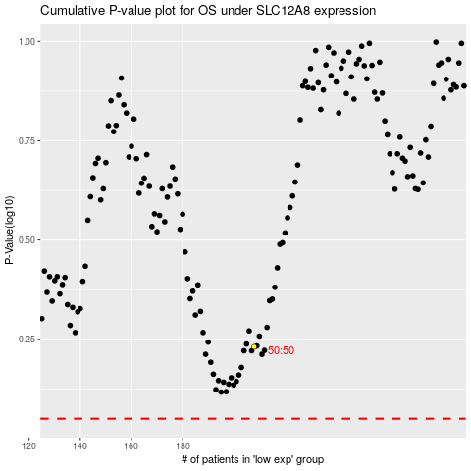

 |  |  |  |  |  | cases_OS | p_OS | rank | exp
 |  |  |  |  |  |  | cases_RFS | p_RFS | rank | exp

