SLC12A9 _multivariate
Reported by Tex Li-Hsing Chi. tex@gate.sinica.edu.tw 2019-08-16

Table 2. The clinicopathological features of HNSCC cohort and SLC12A9 expression. (Chi square test)
Cutoff at -0.2 (49.8%)
 |  | SLC12A9 expression |  | SLC12A9 expression |  | (Optimised)
 | Features | Low | (%) | High | (%) | Case no | P-value | Remark | Matthews
Gender | Female | 148 | 35.7 | 158 | 38.1 | 415 | 0.3567 | 0 | 0
2 | Male | 59 | 14.2 | 50 | 12
Age at diagnosis | <=65y | 143 | 34.5 | 131 | 31.6 | 415 | 0.2269 | 0 | 0
4 | >65y | 64 | 15.4 | 77 | 18.6
Clinical T Status | T1+T2 | 85 | 20.5 | 64 | 15.4 | 415 | 0.0372 | 1 | 0
6 | T3+T4 | 122 | 29.4 | 144 | 34.7
Clinical N Status | N0 | 109 | 26.3 | 107 | 25.8 | 415 | 0.8812 | 0 | 0
8 | N1-3 | 98 | 23.6 | 101 | 24.3
Clinical M Status | M0 | 206 | 49.6 | 206 | 49.6 | 415 | 1 | 0 | 0
10 | M1 | 1 | 0.2 | 2 | 0.5
Clinical Stage | Stage I+II | 61 | 14.7 | 41 | 9.9 | 415 | 0.0282 | 1 | 0
12 | Stage III+IV | 146 | 35.2 | 167 | 40.2
Surgical Margin status | Negative | 155 | 37.3 | 163 | 39.3 | 415 | 0.4187 | 0 | 0
14 | Positive | 52 | 12.5 | 45 | 10.8
Tobacco Exposure | Low | 82 | 19.8 | 79 | 19 | 415 | 0.763 | 0 | 0
16 | High | 125 | 30.1 | 129 | 31.1

Table 3. Univariate/Multivariate Cox's proportional hazards regression analyses on OS time of SLC12A9 gene expression in HNSCC

 |  | Univariate |  |  |  | Multivariate
 | Features | HR | CI95%(L) | CI95%(H) | P-value | HR | CI95%(L) | CI95%(H) | P-value
1 | Female | 1 |  |  |  | 1
Gender | Male | 1.157 | 0.843 | 1.587 | 0.367 | 1.192 | 0.855 | 1.662 | 0.301
11 | <=65y | 1 |  |  |  | 1
Age at diagnosis | >65y | 1.329 | 0.99 | 1.784 | 0.058 | 1.426 | 1.047 | 1.942 | 0.024
12 | T1+T2 | 1 |  |  |  | 1
Clinical T Status | T3+T4 | 1.409 | 1.028 | 1.931 | 0.033 | 2.293 | 1.21 | 4.348 | 0.011
13 | N0 | 1 |  |  |  | 1
Clinical N Status | N1-3 | 1.185 | 0.89 | 1.577 | 0.246 | 1.239 | 0.869 | 1.768 | 0.237
14 | M0 | 1 |  |  |  | 1
Clinical M Status | M1 | 4.097 | 1.009 | 16.644 | 0.049 | 9.974 | 2.17 | 45.853 | 0.003
15 | Stage I+II | 1 |  |  |  | 1
Clinical Stage | Stage III+IV | 1.245 | 0.882 | 1.759 | 0.213 | 0.499 | 0.233 | 1.072 | 0.075
16 | Negative | 1 |  |  |  | 1
Surgical Margin status | Positive | 1.591 | 1.155 | 2.191 | 0.004 | 1.698 | 1.227 | 2.348 | 0.001
17 | Low | 1 |  |  |  | 1
Tobacco Exposure | High | 1.364 | 1.008 | 1.844 | 0.044 | 1.472 | 1.068 | 2.029 | 0.018
18 | Low | 1 |  |  |  | 1
RNAseq(z-score) | High | 0.941 | 0.706 | 1.254 | 0.678 | 0.819 | 0.61 | 1.1 | 0.184

Table 4. Univariate/Multivariate Cox's proportional hazards regression analyses on RFS time of SLC12A9 gene expression in HNSCC

 |  | Univariate |  |  |  | Multivariate
 | Features | HR | CI95%(L) | CI95%(H) | P-value | HR | CI95%(L) | CI95%(H) | P-value
1 | Female | 1 |  |  |  | 1
Gender | Male | 1.157 | 0.843 | 1.587 | 0.367 | 1.192 | 0.855 | 1.662 | 0.301
11 | <=65y | 1 |  |  |  | 1
Age at diagnosis | >65y | 1.329 | 0.99 | 1.784 | 0.058 | 1.426 | 1.047 | 1.942 | 0.024
12 | T1+T2 | 1 |  |  |  | 1
Clinical T Status | T3+T4 | 1.409 | 1.028 | 1.931 | 0.033 | 2.293 | 1.21 | 4.348 | 0.011
13 | N0 | 1 |  |  |  | 1
Clinical N Status | N1-3 | 1.185 | 0.89 | 1.577 | 0.246 | 1.239 | 0.869 | 1.768 | 0.237
14 | M0 | 1 |  |  |  | 1
Clinical M Status | M1 | 4.097 | 1.009 | 16.644 | 0.049 | 9.974 | 2.17 | 45.853 | 0.003
15 | Stage I+II | 1 |  |  |  | 1
Clinical Stage | Stage III+IV | 1.245 | 0.882 | 1.759 | 0.213 | 0.499 | 0.233 | 1.072 | 0.075
16 | Negative | 1 |  |  |  | 1
Surgical Margin status | Positive | 1.591 | 1.155 | 2.191 | 0.004 | 1.698 | 1.227 | 2.348 | 0.001
17 | Low | 1 |  |  |  | 1
Tobacco Exposure | High | 1.364 | 1.008 | 1.844 | 0.044 | 1.472 | 1.068 | 2.029 | 0.018
18 | Low | 1 |  |  |  | 1
RNAseq(z-score) | High | 0.941 | 0.706 | 1.254 | 0.678 | 0.819 | 0.61 | 1.1 | 0.184

Kaplan-Meier survival estimate: Cutoff at -0.2 (49.8%)



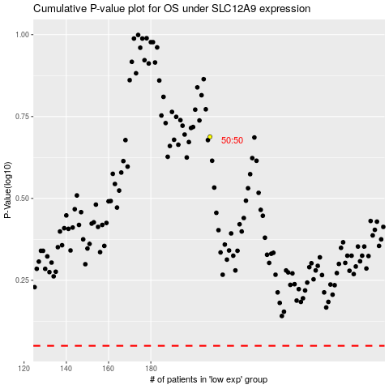

 |  |  |  |  |  | cases_OS | p_OS | rank | exp
 |  |  |  |  |  |  | cases_RFS | p_RFS | rank | exp

