SLC13A5 _multivariate
Reported by Tex Li-Hsing Chi. tex@gate.sinica.edu.tw 2019-08-16

Table 2. The clinicopathological features of HNSCC cohort and SLC13A5 expression. (Chi square test)
Cutoff at -0.167 (50.0%)
 |  | SLC13A5 expression |  | SLC13A5 expression |  | (Optimised)
 | Features | Low | (%) | High | (%) | Case no | P-value | Remark | Matthews
Gender | Female | 150 | 36.1 | 156 | 37.6 | 415 | 0.6344 | 0 | 0
2 | Male | 57 | 13.7 | 52 | 12.5
Age at diagnosis | <=65y | 127 | 30.6 | 147 | 35.4 | 415 | 0.0573 | 0 | 0
4 | >65y | 80 | 19.3 | 61 | 14.7
Clinical T Status | T1+T2 | 73 | 17.6 | 76 | 18.3 | 415 | 0.8666 | 0 | 0
6 | T3+T4 | 134 | 32.3 | 132 | 31.8
Clinical N Status | N0 | 102 | 24.6 | 114 | 27.5 | 415 | 0.3031 | 0 | 0
8 | N1-3 | 105 | 25.3 | 94 | 22.7
Clinical M Status | M0 | 204 | 49.2 | 208 | 50.1 | 415 | 0.1232 | 0 | 0
10 | M1 | 3 | 0.7 | 0 | 0
Clinical Stage | Stage I+II | 44 | 10.6 | 58 | 14 | 415 | 0.1459 | 0 | 0
12 | Stage III+IV | 163 | 39.3 | 150 | 36.1
Surgical Margin status | Negative | 156 | 37.6 | 162 | 39 | 415 | 0.5636 | 0 | 0
14 | Positive | 51 | 12.3 | 46 | 11.1
Tobacco Exposure | Low | 97 | 23.4 | 64 | 15.4 | 415 | 9e-04 | 1 | 0
16 | High | 110 | 26.5 | 144 | 34.7

Table 3. Univariate/Multivariate Cox's proportional hazards regression analyses on OS time of SLC13A5 gene expression in HNSCC

 |  | Univariate |  |  |  | Multivariate
 | Features | HR | CI95%(L) | CI95%(H) | P-value | HR | CI95%(L) | CI95%(H) | P-value
1 | Female | 1 |  |  |  | 1
Gender | Male | 1.157 | 0.843 | 1.587 | 0.367 | 1.204 | 0.861 | 1.682 | 0.278
11 | <=65y | 1 |  |  |  | 1
Age at diagnosis | >65y | 1.329 | 0.99 | 1.784 | 0.058 | 1.405 | 1.029 | 1.917 | 0.032
12 | T1+T2 | 1 |  |  |  | 1
Clinical T Status | T3+T4 | 1.409 | 1.028 | 1.931 | 0.033 | 2.191 | 1.158 | 4.145 | 0.016
13 | N0 | 1 |  |  |  | 1
Clinical N Status | N1-3 | 1.185 | 0.89 | 1.577 | 0.246 | 1.247 | 0.873 | 1.782 | 0.225
14 | M0 | 1 |  |  |  | 1
Clinical M Status | M1 | 4.097 | 1.009 | 16.644 | 0.049 | 9.616 | 2.088 | 44.282 | 0.004
15 | Stage I+II | 1 |  |  |  | 1
Clinical Stage | Stage III+IV | 1.245 | 0.882 | 1.759 | 0.213 | 0.508 | 0.237 | 1.093 | 0.083
16 | Negative | 1 |  |  |  | 1
Surgical Margin status | Positive | 1.591 | 1.155 | 2.191 | 0.004 | 1.674 | 1.211 | 2.313 | 0.002
17 | Low | 1 |  |  |  | 1
Tobacco Exposure | High | 1.364 | 1.008 | 1.844 | 0.044 | 1.429 | 1.025 | 1.993 | 0.035
18 | Low | 1 |  |  |  | 1
RNAseq(z-score) | High | 1.059 | 0.795 | 1.409 | 0.696 | 1.06 | 0.779 | 1.443 | 0.71

Table 4. Univariate/Multivariate Cox's proportional hazards regression analyses on RFS time of SLC13A5 gene expression in HNSCC

 |  | Univariate |  |  |  | Multivariate
 | Features | HR | CI95%(L) | CI95%(H) | P-value | HR | CI95%(L) | CI95%(H) | P-value
1 | Female | 1 |  |  |  | 1
Gender | Male | 1.157 | 0.843 | 1.587 | 0.367 | 1.204 | 0.861 | 1.682 | 0.278
11 | <=65y | 1 |  |  |  | 1
Age at diagnosis | >65y | 1.329 | 0.99 | 1.784 | 0.058 | 1.405 | 1.029 | 1.917 | 0.032
12 | T1+T2 | 1 |  |  |  | 1
Clinical T Status | T3+T4 | 1.409 | 1.028 | 1.931 | 0.033 | 2.191 | 1.158 | 4.145 | 0.016
13 | N0 | 1 |  |  |  | 1
Clinical N Status | N1-3 | 1.185 | 0.89 | 1.577 | 0.246 | 1.247 | 0.873 | 1.782 | 0.225
14 | M0 | 1 |  |  |  | 1
Clinical M Status | M1 | 4.097 | 1.009 | 16.644 | 0.049 | 9.616 | 2.088 | 44.282 | 0.004
15 | Stage I+II | 1 |  |  |  | 1
Clinical Stage | Stage III+IV | 1.245 | 0.882 | 1.759 | 0.213 | 0.508 | 0.237 | 1.093 | 0.083
16 | Negative | 1 |  |  |  | 1
Surgical Margin status | Positive | 1.591 | 1.155 | 2.191 | 0.004 | 1.674 | 1.211 | 2.313 | 0.002
17 | Low | 1 |  |  |  | 1
Tobacco Exposure | High | 1.364 | 1.008 | 1.844 | 0.044 | 1.429 | 1.025 | 1.993 | 0.035
18 | Low | 1 |  |  |  | 1
RNAseq(z-score) | High | 1.059 | 0.795 | 1.409 | 0.696 | 1.06 | 0.779 | 1.443 | 0.71

Kaplan-Meier survival estimate: Cutoff at -0.167 (50.0%)



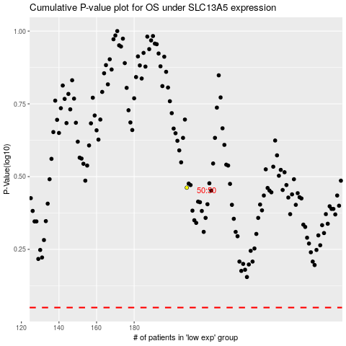

 |  |  |  |  |  | cases_OS | p_OS | rank | exp
 |  |  |  |  |  |  | cases_RFS | p_RFS | rank | exp

