SLC14A2 _multivariate
Reported by Tex Li-Hsing Chi. tex@gate.sinica.edu.tw 2019-08-16

Table 2. The clinicopathological features of HNSCC cohort and SLC14A2 expression. (Chi square test)
Cutoff at -0.232 (50.0%)
 |  | SLC14A2 expression |  | SLC14A2 expression |  | (Optimised)
 | Features | Low | (%) | High | (%) | Case no | P-value | Remark | Matthews
Gender | Female | 153 | 36.9 | 153 | 36.9 | 415 | 1 | 0 | 0
2 | Male | 54 | 13 | 55 | 13.3
Age at diagnosis | <=65y | 140 | 33.7 | 134 | 32.3 | 415 | 0.5574 | 0 | 0
4 | >65y | 67 | 16.1 | 74 | 17.8
Clinical T Status | T1+T2 | 76 | 18.3 | 73 | 17.6 | 415 | 0.8092 | 0 | 0
6 | T3+T4 | 131 | 31.6 | 135 | 32.5
Clinical N Status | N0 | 107 | 25.8 | 109 | 26.3 | 415 | 0.9624 | 0 | 0
8 | N1-3 | 100 | 24.1 | 99 | 23.9
Clinical M Status | M0 | 204 | 49.2 | 208 | 50.1 | 415 | 0.1232 | 0 | 0
10 | M1 | 3 | 0.7 | 0 | 0
Clinical Stage | Stage I+II | 48 | 11.6 | 54 | 13 | 415 | 0.5878 | 0 | 0
12 | Stage III+IV | 159 | 38.3 | 154 | 37.1
Surgical Margin status | Negative | 158 | 38.1 | 160 | 38.6 | 415 | 0.9081 | 0 | 0
14 | Positive | 49 | 11.8 | 48 | 11.6
Tobacco Exposure | Low | 92 | 22.2 | 69 | 16.6 | 415 | 0.0206 | 1 | 0
16 | High | 115 | 27.7 | 139 | 33.5

Table 3. Univariate/Multivariate Cox's proportional hazards regression analyses on OS time of SLC14A2 gene expression in HNSCC

 |  | Univariate |  |  |  | Multivariate
 | Features | HR | CI95%(L) | CI95%(H) | P-value | HR | CI95%(L) | CI95%(H) | P-value
1 | Female | 1 |  |  |  | 1
Gender | Male | 1.157 | 0.843 | 1.587 | 0.367 | 1.203 | 0.861 | 1.681 | 0.28
11 | <=65y | 1 |  |  |  | 1
Age at diagnosis | >65y | 1.329 | 0.99 | 1.784 | 0.058 | 1.401 | 1.03 | 1.905 | 0.031
12 | T1+T2 | 1 |  |  |  | 1
Clinical T Status | T3+T4 | 1.409 | 1.028 | 1.931 | 0.033 | 2.205 | 1.166 | 4.168 | 0.015
13 | N0 | 1 |  |  |  | 1
Clinical N Status | N1-3 | 1.185 | 0.89 | 1.577 | 0.246 | 1.249 | 0.875 | 1.782 | 0.22
14 | M0 | 1 |  |  |  | 1
Clinical M Status | M1 | 4.097 | 1.009 | 16.644 | 0.049 | 8.799 | 1.909 | 40.567 | 0.005
15 | Stage I+II | 1 |  |  |  | 1
Clinical Stage | Stage III+IV | 1.245 | 0.882 | 1.759 | 0.213 | 0.5 | 0.233 | 1.072 | 0.075
16 | Negative | 1 |  |  |  | 1
Surgical Margin status | Positive | 1.591 | 1.155 | 2.191 | 0.004 | 1.684 | 1.218 | 2.328 | 0.002
17 | Low | 1 |  |  |  | 1
Tobacco Exposure | High | 1.364 | 1.008 | 1.844 | 0.044 | 1.482 | 1.072 | 2.048 | 0.017
18 | Low | 1 |  |  |  | 1
RNAseq(z-score) | High | 0.919 | 0.689 | 1.224 | 0.562 | 0.87 | 0.65 | 1.165 | 0.35

Table 4. Univariate/Multivariate Cox's proportional hazards regression analyses on RFS time of SLC14A2 gene expression in HNSCC

 |  | Univariate |  |  |  | Multivariate
 | Features | HR | CI95%(L) | CI95%(H) | P-value | HR | CI95%(L) | CI95%(H) | P-value
1 | Female | 1 |  |  |  | 1
Gender | Male | 1.157 | 0.843 | 1.587 | 0.367 | 1.203 | 0.861 | 1.681 | 0.28
11 | <=65y | 1 |  |  |  | 1
Age at diagnosis | >65y | 1.329 | 0.99 | 1.784 | 0.058 | 1.401 | 1.03 | 1.905 | 0.031
12 | T1+T2 | 1 |  |  |  | 1
Clinical T Status | T3+T4 | 1.409 | 1.028 | 1.931 | 0.033 | 2.205 | 1.166 | 4.168 | 0.015
13 | N0 | 1 |  |  |  | 1
Clinical N Status | N1-3 | 1.185 | 0.89 | 1.577 | 0.246 | 1.249 | 0.875 | 1.782 | 0.22
14 | M0 | 1 |  |  |  | 1
Clinical M Status | M1 | 4.097 | 1.009 | 16.644 | 0.049 | 8.799 | 1.909 | 40.567 | 0.005
15 | Stage I+II | 1 |  |  |  | 1
Clinical Stage | Stage III+IV | 1.245 | 0.882 | 1.759 | 0.213 | 0.5 | 0.233 | 1.072 | 0.075
16 | Negative | 1 |  |  |  | 1
Surgical Margin status | Positive | 1.591 | 1.155 | 2.191 | 0.004 | 1.684 | 1.218 | 2.328 | 0.002
17 | Low | 1 |  |  |  | 1
Tobacco Exposure | High | 1.364 | 1.008 | 1.844 | 0.044 | 1.482 | 1.072 | 2.048 | 0.017
18 | Low | 1 |  |  |  | 1
RNAseq(z-score) | High | 0.919 | 0.689 | 1.224 | 0.562 | 0.87 | 0.65 | 1.165 | 0.35

Kaplan-Meier survival estimate: Cutoff at -0.232 (50.0%)



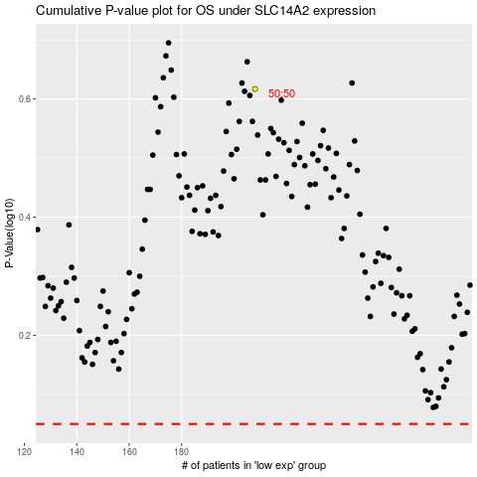

 |  |  |  |  |  | cases_OS | p_OS | rank | exp
 |  |  |  |  |  |  | cases_RFS | p_RFS | rank | exp

