SLC15A2 _multivariate
Reported by Tex Li-Hsing Chi. tex@gate.sinica.edu.tw 2019-08-16

Table 2. The clinicopathological features of HNSCC cohort and SLC15A2 expression. (Chi square test)
Cutoff at -0.325 (49.8%)
 |  | SLC15A2 expression |  | SLC15A2 expression |  | (Optimised)
 | Features | Low | (%) | High | (%) | Case no | P-value | Remark | Matthews
Gender | Female | 146 | 35.2 | 160 | 38.6 | 415 | 0.1714 | 0 | 0
2 | Male | 61 | 14.7 | 48 | 11.6
Age at diagnosis | <=65y | 132 | 31.8 | 142 | 34.2 | 415 | 0.3874 | 0 | 0
4 | >65y | 75 | 18.1 | 66 | 15.9
Clinical T Status | T1+T2 | 76 | 18.3 | 73 | 17.6 | 415 | 0.8092 | 0 | 0
6 | T3+T4 | 131 | 31.6 | 135 | 32.5
Clinical N Status | N0 | 103 | 24.8 | 113 | 27.2 | 415 | 0.4047 | 0 | 0
8 | N1-3 | 104 | 25.1 | 95 | 22.9
Clinical M Status | M0 | 205 | 49.4 | 207 | 49.9 | 415 | 0.6232 | 0 | 0
10 | M1 | 2 | 0.5 | 1 | 0.2
Clinical Stage | Stage I+II | 54 | 13 | 48 | 11.6 | 415 | 0.5498 | 0 | 0
12 | Stage III+IV | 153 | 36.9 | 160 | 38.6
Surgical Margin status | Negative | 153 | 36.9 | 165 | 39.8 | 415 | 0.2036 | 0 | 0
14 | Positive | 54 | 13 | 43 | 10.4
Tobacco Exposure | Low | 89 | 21.4 | 72 | 17.3 | 415 | 0.0872 | 0 | 0
16 | High | 118 | 28.4 | 136 | 32.8

Table 3. Univariate/Multivariate Cox's proportional hazards regression analyses on OS time of SLC15A2 gene expression in HNSCC

 |  | Univariate |  |  |  | Multivariate
 | Features | HR | CI95%(L) | CI95%(H) | P-value | HR | CI95%(L) | CI95%(H) | P-value
1 | Female | 1 |  |  |  | 1
Gender | Male | 1.157 | 0.843 | 1.587 | 0.367 | 1.199 | 0.858 | 1.676 | 0.288
11 | <=65y | 1 |  |  |  | 1
Age at diagnosis | >65y | 1.329 | 0.99 | 1.784 | 0.058 | 1.396 | 1.026 | 1.899 | 0.034
12 | T1+T2 | 1 |  |  |  | 1
Clinical T Status | T3+T4 | 1.409 | 1.028 | 1.931 | 0.033 | 2.198 | 1.163 | 4.156 | 0.015
13 | N0 | 1 |  |  |  | 1
Clinical N Status | N1-3 | 1.185 | 0.89 | 1.577 | 0.246 | 1.227 | 0.859 | 1.753 | 0.261
14 | M0 | 1 |  |  |  | 1
Clinical M Status | M1 | 4.097 | 1.009 | 16.644 | 0.049 | 9.14 | 1.989 | 42.002 | 0.004
15 | Stage I+II | 1 |  |  |  | 1
Clinical Stage | Stage III+IV | 1.245 | 0.882 | 1.759 | 0.213 | 0.512 | 0.238 | 1.101 | 0.086
16 | Negative | 1 |  |  |  | 1
Surgical Margin status | Positive | 1.591 | 1.155 | 2.191 | 0.004 | 1.655 | 1.196 | 2.289 | 0.002
17 | Low | 1 |  |  |  | 1
Tobacco Exposure | High | 1.364 | 1.008 | 1.844 | 0.044 | 1.478 | 1.067 | 2.046 | 0.019
18 | Low | 1 |  |  |  | 1
RNAseq(z-score) | High | 0.891 | 0.669 | 1.188 | 0.432 | 0.905 | 0.673 | 1.218 | 0.511

Table 4. Univariate/Multivariate Cox's proportional hazards regression analyses on RFS time of SLC15A2 gene expression in HNSCC

 |  | Univariate |  |  |  | Multivariate
 | Features | HR | CI95%(L) | CI95%(H) | P-value | HR | CI95%(L) | CI95%(H) | P-value
1 | Female | 1 |  |  |  | 1
Gender | Male | 1.157 | 0.843 | 1.587 | 0.367 | 1.199 | 0.858 | 1.676 | 0.288
11 | <=65y | 1 |  |  |  | 1
Age at diagnosis | >65y | 1.329 | 0.99 | 1.784 | 0.058 | 1.396 | 1.026 | 1.899 | 0.034
12 | T1+T2 | 1 |  |  |  | 1
Clinical T Status | T3+T4 | 1.409 | 1.028 | 1.931 | 0.033 | 2.198 | 1.163 | 4.156 | 0.015
13 | N0 | 1 |  |  |  | 1
Clinical N Status | N1-3 | 1.185 | 0.89 | 1.577 | 0.246 | 1.227 | 0.859 | 1.753 | 0.261
14 | M0 | 1 |  |  |  | 1
Clinical M Status | M1 | 4.097 | 1.009 | 16.644 | 0.049 | 9.14 | 1.989 | 42.002 | 0.004
15 | Stage I+II | 1 |  |  |  | 1
Clinical Stage | Stage III+IV | 1.245 | 0.882 | 1.759 | 0.213 | 0.512 | 0.238 | 1.101 | 0.086
16 | Negative | 1 |  |  |  | 1
Surgical Margin status | Positive | 1.591 | 1.155 | 2.191 | 0.004 | 1.655 | 1.196 | 2.289 | 0.002
17 | Low | 1 |  |  |  | 1
Tobacco Exposure | High | 1.364 | 1.008 | 1.844 | 0.044 | 1.478 | 1.067 | 2.046 | 0.019
18 | Low | 1 |  |  |  | 1
RNAseq(z-score) | High | 0.891 | 0.669 | 1.188 | 0.432 | 0.905 | 0.673 | 1.218 | 0.511

Kaplan-Meier survival estimate: Cutoff at -0.325 (49.8%)



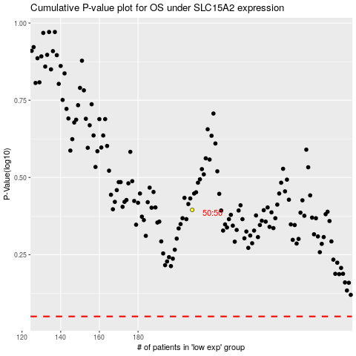

 |  |  |  |  |  | cases_OS | p_OS | rank | exp
 |  |  |  |  |  |  | cases_RFS | p_RFS | rank | exp

