SLC15A3 _multivariate
Reported by Tex Li-Hsing Chi. tex@gate.sinica.edu.tw 2019-08-16

Table 2. The clinicopathological features of HNSCC cohort and SLC15A3 expression. (Chi square test)
Cutoff at -0.237 (49.8%)
 |  | SLC15A3 expression |  | SLC15A3 expression |  | (Optimised)
 | Features | Low | (%) | High | (%) | Case no | P-value | Remark | Matthews
Gender | Female | 163 | 39.3 | 143 | 34.5 | 415 | 0.0277 | 1 | 0
2 | Male | 44 | 10.6 | 65 | 15.7
Age at diagnosis | <=65y | 146 | 35.2 | 128 | 30.8 | 415 | 0.0672 | 0 | 0
4 | >65y | 61 | 14.7 | 80 | 19.3
Clinical T Status | T1+T2 | 65 | 15.7 | 84 | 20.2 | 415 | 0.0711 | 0 | 0
6 | T3+T4 | 142 | 34.2 | 124 | 29.9
Clinical N Status | N0 | 114 | 27.5 | 102 | 24.6 | 415 | 0.2576 | 1 | 0
8 | N1-3 | 93 | 22.4 | 106 | 25.5
Clinical M Status | M0 | 207 | 49.9 | 205 | 49.4 | 415 | 0.2482 | 0 | 0
10 | M1 | 0 | 0 | 3 | 0.7
Clinical Stage | Stage I+II | 48 | 11.6 | 54 | 13 | 415 | 0.5878 | 0 | 0
12 | Stage III+IV | 159 | 38.3 | 154 | 37.1
Surgical Margin status | Negative | 157 | 37.8 | 161 | 38.8 | 415 | 0.729 | 0 | 0
14 | Positive | 50 | 12 | 47 | 11.3
Tobacco Exposure | Low | 77 | 18.6 | 84 | 20.2 | 415 | 0.5459 | 0 | 0
16 | High | 130 | 31.3 | 124 | 29.9

Table 3. Univariate/Multivariate Cox's proportional hazards regression analyses on OS time of SLC15A3 gene expression in HNSCC

 |  | Univariate |  |  |  | Multivariate
 | Features | HR | CI95%(L) | CI95%(H) | P-value | HR | CI95%(L) | CI95%(H) | P-value
1 | Female | 1 |  |  |  | 1
Gender | Male | 1.157 | 0.843 | 1.587 | 0.367 | 1.203 | 0.859 | 1.684 | 0.282
11 | <=65y | 1 |  |  |  | 1
Age at diagnosis | >65y | 1.329 | 0.99 | 1.784 | 0.058 | 1.393 | 1.023 | 1.897 | 0.035
12 | T1+T2 | 1 |  |  |  | 1
Clinical T Status | T3+T4 | 1.409 | 1.028 | 1.931 | 0.033 | 2.201 | 1.164 | 4.163 | 0.015
13 | N0 | 1 |  |  |  | 1
Clinical N Status | N1-3 | 1.185 | 0.89 | 1.577 | 0.246 | 1.242 | 0.869 | 1.777 | 0.235
14 | M0 | 1 |  |  |  | 1
Clinical M Status | M1 | 4.097 | 1.009 | 16.644 | 0.049 | 9.442 | 2.048 | 43.536 | 0.004
15 | Stage I+II | 1 |  |  |  | 1
Clinical Stage | Stage III+IV | 1.245 | 0.882 | 1.759 | 0.213 | 0.504 | 0.235 | 1.083 | 0.079
16 | Negative | 1 |  |  |  | 1
Surgical Margin status | Positive | 1.591 | 1.155 | 2.191 | 0.004 | 1.672 | 1.21 | 2.31 | 0.002
17 | Low | 1 |  |  |  | 1
Tobacco Exposure | High | 1.364 | 1.008 | 1.844 | 0.044 | 1.453 | 1.055 | 2.002 | 0.022
18 | Low | 1 |  |  |  | 1
RNAseq(z-score) | High | 1.051 | 0.787 | 1.405 | 0.734 | 0.992 | 0.736 | 1.337 | 0.957

Table 4. Univariate/Multivariate Cox's proportional hazards regression analyses on RFS time of SLC15A3 gene expression in HNSCC

 |  | Univariate |  |  |  | Multivariate
 | Features | HR | CI95%(L) | CI95%(H) | P-value | HR | CI95%(L) | CI95%(H) | P-value
1 | Female | 1 |  |  |  | 1
Gender | Male | 1.157 | 0.843 | 1.587 | 0.367 | 1.203 | 0.859 | 1.684 | 0.282
11 | <=65y | 1 |  |  |  | 1
Age at diagnosis | >65y | 1.329 | 0.99 | 1.784 | 0.058 | 1.393 | 1.023 | 1.897 | 0.035
12 | T1+T2 | 1 |  |  |  | 1
Clinical T Status | T3+T4 | 1.409 | 1.028 | 1.931 | 0.033 | 2.201 | 1.164 | 4.163 | 0.015
13 | N0 | 1 |  |  |  | 1
Clinical N Status | N1-3 | 1.185 | 0.89 | 1.577 | 0.246 | 1.242 | 0.869 | 1.777 | 0.235
14 | M0 | 1 |  |  |  | 1
Clinical M Status | M1 | 4.097 | 1.009 | 16.644 | 0.049 | 9.442 | 2.048 | 43.536 | 0.004
15 | Stage I+II | 1 |  |  |  | 1
Clinical Stage | Stage III+IV | 1.245 | 0.882 | 1.759 | 0.213 | 0.504 | 0.235 | 1.083 | 0.079
16 | Negative | 1 |  |  |  | 1
Surgical Margin status | Positive | 1.591 | 1.155 | 2.191 | 0.004 | 1.672 | 1.21 | 2.31 | 0.002
17 | Low | 1 |  |  |  | 1
Tobacco Exposure | High | 1.364 | 1.008 | 1.844 | 0.044 | 1.453 | 1.055 | 2.002 | 0.022
18 | Low | 1 |  |  |  | 1
RNAseq(z-score) | High | 1.051 | 0.787 | 1.405 | 0.734 | 0.992 | 0.736 | 1.337 | 0.957

Kaplan-Meier survival estimate: Cutoff at -0.237 (49.8%)



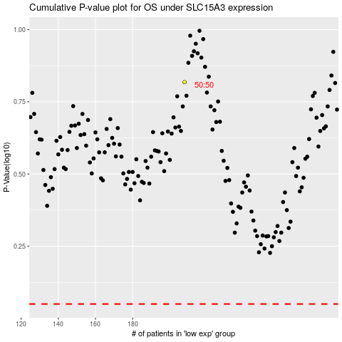

 |  |  |  |  |  | cases_OS | p_OS | rank | exp
 |  |  |  |  |  |  | cases_RFS | p_RFS | rank | exp

