SLC16A1 _multivariate
Reported by Tex Li-Hsing Chi. tex@gate.sinica.edu.tw 2019-08-16

Table 2. The clinicopathological features of HNSCC cohort and SLC16A1 expression. (Chi square test)
Cutoff at -0.108 (50.0%)
 |  | SLC16A1 expression |  | SLC16A1 expression |  | (Optimised)
 | Features | Low | (%) | High | (%) | Case no | P-value | Remark | Matthews
Gender | Female | 163 | 39.3 | 143 | 34.5 | 415 | 0.0277 | 1 | 0
2 | Male | 44 | 10.6 | 65 | 15.7
Age at diagnosis | <=65y | 136 | 32.8 | 138 | 33.3 | 415 | 0.9719 | 0 | 0
4 | >65y | 71 | 17.1 | 70 | 16.9
Clinical T Status | T1+T2 | 75 | 18.1 | 74 | 17.8 | 415 | 0.9707 | 0 | 0
6 | T3+T4 | 132 | 31.8 | 134 | 32.3
Clinical N Status | N0 | 111 | 26.7 | 105 | 25.3 | 415 | 0.5875 | 0 | 0
8 | N1-3 | 96 | 23.1 | 103 | 24.8
Clinical M Status | M0 | 205 | 49.4 | 207 | 49.9 | 415 | 0.6232 | 0 | 0
10 | M1 | 2 | 0.5 | 1 | 0.2
Clinical Stage | Stage I+II | 47 | 11.3 | 55 | 13.3 | 415 | 0.4413 | 0 | 0
12 | Stage III+IV | 160 | 38.6 | 153 | 36.9
Surgical Margin status | Negative | 154 | 37.1 | 164 | 39.5 | 415 | 0.2984 | 0 | 0
14 | Positive | 53 | 12.8 | 44 | 10.6
Tobacco Exposure | Low | 77 | 18.6 | 84 | 20.2 | 415 | 0.5459 | 0 | 0
16 | High | 130 | 31.3 | 124 | 29.9

Table 3. Univariate/Multivariate Cox's proportional hazards regression analyses on OS time of SLC16A1 gene expression in HNSCC

 |  | Univariate |  |  |  | Multivariate
 | Features | HR | CI95%(L) | CI95%(H) | P-value | HR | CI95%(L) | CI95%(H) | P-value
1 | Female | 1 |  |  |  | 1
Gender | Male | 1.157 | 0.843 | 1.587 | 0.367 | 1.173 | 0.839 | 1.64 | 0.351
11 | <=65y | 1 |  |  |  | 1
Age at diagnosis | >65y | 1.329 | 0.99 | 1.784 | 0.058 | 1.421 | 1.044 | 1.934 | 0.026
12 | T1+T2 | 1 |  |  |  | 1
Clinical T Status | T3+T4 | 1.409 | 1.028 | 1.931 | 0.033 | 2.159 | 1.142 | 4.082 | 0.018
13 | N0 | 1 |  |  |  | 1
Clinical N Status | N1-3 | 1.185 | 0.89 | 1.577 | 0.246 | 1.227 | 0.86 | 1.75 | 0.259
14 | M0 | 1 |  |  |  | 1
Clinical M Status | M1 | 4.097 | 1.009 | 16.644 | 0.049 | 9.567 | 2.087 | 43.863 | 0.004
15 | Stage I+II | 1 |  |  |  | 1
Clinical Stage | Stage III+IV | 1.245 | 0.882 | 1.759 | 0.213 | 0.532 | 0.247 | 1.146 | 0.107
16 | Negative | 1 |  |  |  | 1
Surgical Margin status | Positive | 1.591 | 1.155 | 2.191 | 0.004 | 1.717 | 1.241 | 2.374 | 0.001
17 | Low | 1 |  |  |  | 1
Tobacco Exposure | High | 1.364 | 1.008 | 1.844 | 0.044 | 1.482 | 1.073 | 2.047 | 0.017
18 | Low | 1 |  |  |  | 1
RNAseq(z-score) | High | 1.237 | 0.928 | 1.649 | 0.147 | 1.327 | 0.989 | 1.779 | 0.059

Table 4. Univariate/Multivariate Cox's proportional hazards regression analyses on RFS time of SLC16A1 gene expression in HNSCC

 |  | Univariate |  |  |  | Multivariate
 | Features | HR | CI95%(L) | CI95%(H) | P-value | HR | CI95%(L) | CI95%(H) | P-value
1 | Female | 1 |  |  |  | 1
Gender | Male | 1.157 | 0.843 | 1.587 | 0.367 | 1.173 | 0.839 | 1.64 | 0.351
11 | <=65y | 1 |  |  |  | 1
Age at diagnosis | >65y | 1.329 | 0.99 | 1.784 | 0.058 | 1.421 | 1.044 | 1.934 | 0.026
12 | T1+T2 | 1 |  |  |  | 1
Clinical T Status | T3+T4 | 1.409 | 1.028 | 1.931 | 0.033 | 2.159 | 1.142 | 4.082 | 0.018
13 | N0 | 1 |  |  |  | 1
Clinical N Status | N1-3 | 1.185 | 0.89 | 1.577 | 0.246 | 1.227 | 0.86 | 1.75 | 0.259
14 | M0 | 1 |  |  |  | 1
Clinical M Status | M1 | 4.097 | 1.009 | 16.644 | 0.049 | 9.567 | 2.087 | 43.863 | 0.004
15 | Stage I+II | 1 |  |  |  | 1
Clinical Stage | Stage III+IV | 1.245 | 0.882 | 1.759 | 0.213 | 0.532 | 0.247 | 1.146 | 0.107
16 | Negative | 1 |  |  |  | 1
Surgical Margin status | Positive | 1.591 | 1.155 | 2.191 | 0.004 | 1.717 | 1.241 | 2.374 | 0.001
17 | Low | 1 |  |  |  | 1
Tobacco Exposure | High | 1.364 | 1.008 | 1.844 | 0.044 | 1.482 | 1.073 | 2.047 | 0.017
18 | Low | 1 |  |  |  | 1
RNAseq(z-score) | High | 1.237 | 0.928 | 1.649 | 0.147 | 1.327 | 0.989 | 1.779 | 0.059

Kaplan-Meier survival estimate: Cutoff at -0.108 (50.0%)



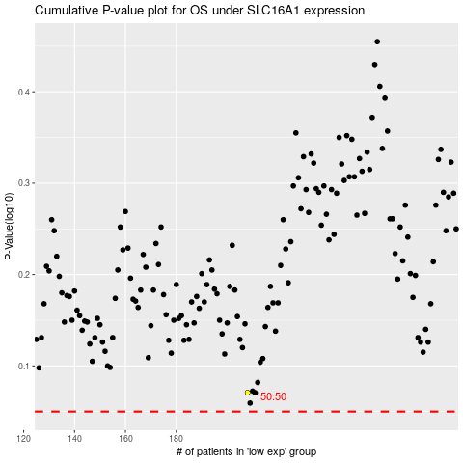

 |  |  |  |  |  | cases_OS | p_OS | rank | exp
 |  |  |  |  |  |  | cases_RFS | p_RFS | rank | exp

