SLC16A10 _multivariate
Reported by Tex Li-Hsing Chi. tex@gate.sinica.edu.tw 2019-08-16

Table 2. The clinicopathological features of HNSCC cohort and SLC16A10 expression. (Chi square test)
Cutoff at -0.298 (49.8%)
 |  | SLC16A10 expression |  | SLC16A10 expression |  | (Optimised)
 | Features | Low | (%) | High | (%) | Case no | P-value | Remark | Matthews
Gender | Female | 148 | 35.7 | 158 | 38.1 | 415 | 0.3567 | 0 | 0
2 | Male | 59 | 14.2 | 50 | 12
Age at diagnosis | <=65y | 150 | 36.1 | 124 | 29.9 | 415 | 0.0078 | 1 | 0
4 | >65y | 57 | 13.7 | 84 | 20.2
Clinical T Status | T1+T2 | 87 | 21 | 62 | 14.9 | 415 | 0.0127 | 1 | 0
6 | T3+T4 | 120 | 28.9 | 146 | 35.2
Clinical N Status | N0 | 115 | 27.7 | 101 | 24.3 | 415 | 0.184 | 1 | 0
8 | N1-3 | 92 | 22.2 | 107 | 25.8
Clinical M Status | M0 | 205 | 49.4 | 207 | 49.9 | 415 | 0.6232 | 0 | 0
10 | M1 | 2 | 0.5 | 1 | 0.2
Clinical Stage | Stage I+II | 64 | 15.4 | 38 | 9.2 | 415 | 0.004 | 1 | 0
12 | Stage III+IV | 143 | 34.5 | 170 | 41
Surgical Margin status | Negative | 155 | 37.3 | 163 | 39.3 | 415 | 0.4187 | 0 | 0
14 | Positive | 52 | 12.5 | 45 | 10.8
Tobacco Exposure | Low | 80 | 19.3 | 81 | 19.5 | 415 | 1 | 0 | 0
16 | High | 127 | 30.6 | 127 | 30.6

Table 3. Univariate/Multivariate Cox's proportional hazards regression analyses on OS time of SLC16A10 gene expression in HNSCC

 |  | Univariate |  |  |  | Multivariate
 | Features | HR | CI95%(L) | CI95%(H) | P-value | HR | CI95%(L) | CI95%(H) | P-value
1 | Female | 1 |  |  |  | 1
Gender | Male | 1.157 | 0.843 | 1.587 | 0.367 | 1.207 | 0.863 | 1.689 | 0.272
11 | <=65y | 1 |  |  |  | 1
Age at diagnosis | >65y | 1.329 | 0.99 | 1.784 | 0.058 | 1.383 | 1.013 | 1.887 | 0.041
12 | T1+T2 | 1 |  |  |  | 1
Clinical T Status | T3+T4 | 1.409 | 1.028 | 1.931 | 0.033 | 2.202 | 1.164 | 4.163 | 0.015
13 | N0 | 1 |  |  |  | 1
Clinical N Status | N1-3 | 1.185 | 0.89 | 1.577 | 0.246 | 1.239 | 0.868 | 1.769 | 0.237
14 | M0 | 1 |  |  |  | 1
Clinical M Status | M1 | 4.097 | 1.009 | 16.644 | 0.049 | 9.458 | 2.062 | 43.386 | 0.004
15 | Stage I+II | 1 |  |  |  | 1
Clinical Stage | Stage III+IV | 1.245 | 0.882 | 1.759 | 0.213 | 0.501 | 0.233 | 1.077 | 0.077
16 | Negative | 1 |  |  |  | 1
Surgical Margin status | Positive | 1.591 | 1.155 | 2.191 | 0.004 | 1.678 | 1.213 | 2.321 | 0.002
17 | Low | 1 |  |  |  | 1
Tobacco Exposure | High | 1.364 | 1.008 | 1.844 | 0.044 | 1.453 | 1.055 | 2.002 | 0.022
18 | Low | 1 |  |  |  | 1
RNAseq(z-score) | High | 1.067 | 0.801 | 1.421 | 0.659 | 1.039 | 0.77 | 1.402 | 0.802

Table 4. Univariate/Multivariate Cox's proportional hazards regression analyses on RFS time of SLC16A10 gene expression in HNSCC

 |  | Univariate |  |  |  | Multivariate
 | Features | HR | CI95%(L) | CI95%(H) | P-value | HR | CI95%(L) | CI95%(H) | P-value
1 | Female | 1 |  |  |  | 1
Gender | Male | 1.157 | 0.843 | 1.587 | 0.367 | 1.207 | 0.863 | 1.689 | 0.272
11 | <=65y | 1 |  |  |  | 1
Age at diagnosis | >65y | 1.329 | 0.99 | 1.784 | 0.058 | 1.383 | 1.013 | 1.887 | 0.041
12 | T1+T2 | 1 |  |  |  | 1
Clinical T Status | T3+T4 | 1.409 | 1.028 | 1.931 | 0.033 | 2.202 | 1.164 | 4.163 | 0.015
13 | N0 | 1 |  |  |  | 1
Clinical N Status | N1-3 | 1.185 | 0.89 | 1.577 | 0.246 | 1.239 | 0.868 | 1.769 | 0.237
14 | M0 | 1 |  |  |  | 1
Clinical M Status | M1 | 4.097 | 1.009 | 16.644 | 0.049 | 9.458 | 2.062 | 43.386 | 0.004
15 | Stage I+II | 1 |  |  |  | 1
Clinical Stage | Stage III+IV | 1.245 | 0.882 | 1.759 | 0.213 | 0.501 | 0.233 | 1.077 | 0.077
16 | Negative | 1 |  |  |  | 1
Surgical Margin status | Positive | 1.591 | 1.155 | 2.191 | 0.004 | 1.678 | 1.213 | 2.321 | 0.002
17 | Low | 1 |  |  |  | 1
Tobacco Exposure | High | 1.364 | 1.008 | 1.844 | 0.044 | 1.453 | 1.055 | 2.002 | 0.022
18 | Low | 1 |  |  |  | 1
RNAseq(z-score) | High | 1.067 | 0.801 | 1.421 | 0.659 | 1.039 | 0.77 | 1.402 | 0.802

Kaplan-Meier survival estimate: Cutoff at -0.298 (49.8%)



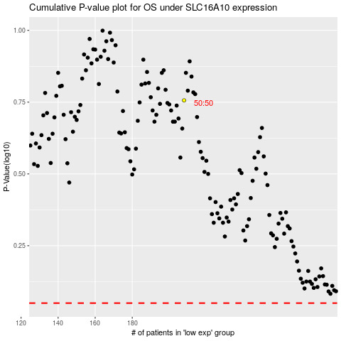

 |  |  |  |  |  | cases_OS | p_OS | rank | exp
 |  |  |  |  |  |  | cases_RFS | p_RFS | rank | exp

