SLC16A12 _multivariate
Reported by Tex Li-Hsing Chi. tex@gate.sinica.edu.tw 2019-08-16

Table 2. The clinicopathological features of HNSCC cohort and SLC16A12 expression. (Chi square test)
Cutoff at -0.178 (50.0%)
 |  | SLC16A12 expression |  | SLC16A12 expression |  | (Optimised)
 | Features | Low | (%) | High | (%) | Case no | P-value | Remark | Matthews
Gender | Female | 155 | 37.3 | 151 | 36.4 | 415 | 0.6768 | 0 | 0
2 | Male | 52 | 12.5 | 57 | 13.7
Age at diagnosis | <=65y | 140 | 33.7 | 134 | 32.3 | 415 | 0.5574 | 0 | 0
4 | >65y | 67 | 16.1 | 74 | 17.8
Clinical T Status | T1+T2 | 77 | 18.6 | 72 | 17.3 | 415 | 0.6556 | 0 | 0
6 | T3+T4 | 130 | 31.3 | 136 | 32.8
Clinical N Status | N0 | 109 | 26.3 | 107 | 25.8 | 415 | 0.8812 | 0 | 0
8 | N1-3 | 98 | 23.6 | 101 | 24.3
Clinical M Status | M0 | 205 | 49.4 | 207 | 49.9 | 415 | 0.6232 | 0 | 0
10 | M1 | 2 | 0.5 | 1 | 0.2
Clinical Stage | Stage I+II | 54 | 13 | 48 | 11.6 | 415 | 0.5498 | 0 | 0
12 | Stage III+IV | 153 | 36.9 | 160 | 38.6
Surgical Margin status | Negative | 157 | 37.8 | 161 | 38.8 | 415 | 0.729 | 0 | 0
14 | Positive | 50 | 12 | 47 | 11.3
Tobacco Exposure | Low | 76 | 18.3 | 85 | 20.5 | 415 | 0.4207 | 0 | 0
16 | High | 131 | 31.6 | 123 | 29.6

Table 3. Univariate/Multivariate Cox's proportional hazards regression analyses on OS time of SLC16A12 gene expression in HNSCC

 |  | Univariate |  |  |  | Multivariate
 | Features | HR | CI95%(L) | CI95%(H) | P-value | HR | CI95%(L) | CI95%(H) | P-value
1 | Female | 1 |  |  |  | 1
Gender | Male | 1.157 | 0.843 | 1.587 | 0.367 | 1.2 | 0.858 | 1.676 | 0.287
11 | <=65y | 1 |  |  |  | 1
Age at diagnosis | >65y | 1.329 | 0.99 | 1.784 | 0.058 | 1.392 | 1.024 | 1.891 | 0.035
12 | T1+T2 | 1 |  |  |  | 1
Clinical T Status | T3+T4 | 1.409 | 1.028 | 1.931 | 0.033 | 2.21 | 1.168 | 4.183 | 0.015
13 | N0 | 1 |  |  |  | 1
Clinical N Status | N1-3 | 1.185 | 0.89 | 1.577 | 0.246 | 1.246 | 0.871 | 1.782 | 0.228
14 | M0 | 1 |  |  |  | 1
Clinical M Status | M1 | 4.097 | 1.009 | 16.644 | 0.049 | 9.46 | 2.062 | 43.401 | 0.004
15 | Stage I+II | 1 |  |  |  | 1
Clinical Stage | Stage III+IV | 1.245 | 0.882 | 1.759 | 0.213 | 0.5 | 0.232 | 1.078 | 0.077
16 | Negative | 1 |  |  |  | 1
Surgical Margin status | Positive | 1.591 | 1.155 | 2.191 | 0.004 | 1.676 | 1.212 | 2.319 | 0.002
17 | Low | 1 |  |  |  | 1
Tobacco Exposure | High | 1.364 | 1.008 | 1.844 | 0.044 | 1.456 | 1.056 | 2.008 | 0.022
18 | Low | 1 |  |  |  | 1
RNAseq(z-score) | High | 0.966 | 0.725 | 1.288 | 0.813 | 1.033 | 0.77 | 1.384 | 0.83

Table 4. Univariate/Multivariate Cox's proportional hazards regression analyses on RFS time of SLC16A12 gene expression in HNSCC

 |  | Univariate |  |  |  | Multivariate
 | Features | HR | CI95%(L) | CI95%(H) | P-value | HR | CI95%(L) | CI95%(H) | P-value
1 | Female | 1 |  |  |  | 1
Gender | Male | 1.157 | 0.843 | 1.587 | 0.367 | 1.2 | 0.858 | 1.676 | 0.287
11 | <=65y | 1 |  |  |  | 1
Age at diagnosis | >65y | 1.329 | 0.99 | 1.784 | 0.058 | 1.392 | 1.024 | 1.891 | 0.035
12 | T1+T2 | 1 |  |  |  | 1
Clinical T Status | T3+T4 | 1.409 | 1.028 | 1.931 | 0.033 | 2.21 | 1.168 | 4.183 | 0.015
13 | N0 | 1 |  |  |  | 1
Clinical N Status | N1-3 | 1.185 | 0.89 | 1.577 | 0.246 | 1.246 | 0.871 | 1.782 | 0.228
14 | M0 | 1 |  |  |  | 1
Clinical M Status | M1 | 4.097 | 1.009 | 16.644 | 0.049 | 9.46 | 2.062 | 43.401 | 0.004
15 | Stage I+II | 1 |  |  |  | 1
Clinical Stage | Stage III+IV | 1.245 | 0.882 | 1.759 | 0.213 | 0.5 | 0.232 | 1.078 | 0.077
16 | Negative | 1 |  |  |  | 1
Surgical Margin status | Positive | 1.591 | 1.155 | 2.191 | 0.004 | 1.676 | 1.212 | 2.319 | 0.002
17 | Low | 1 |  |  |  | 1
Tobacco Exposure | High | 1.364 | 1.008 | 1.844 | 0.044 | 1.456 | 1.056 | 2.008 | 0.022
18 | Low | 1 |  |  |  | 1
RNAseq(z-score) | High | 0.966 | 0.725 | 1.288 | 0.813 | 1.033 | 0.77 | 1.384 | 0.83

Kaplan-Meier survival estimate: Cutoff at -0.178 (50.0%)



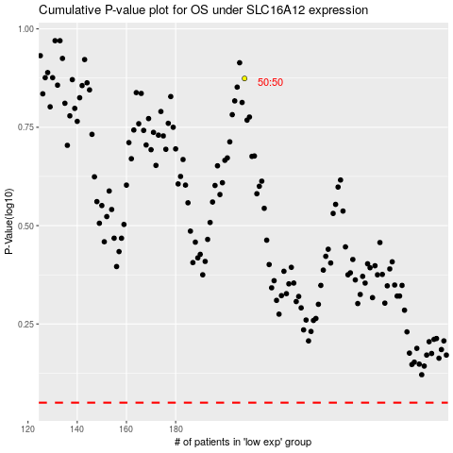

 |  |  |  |  |  | cases_OS | p_OS | rank | exp
 |  |  |  |  |  |  | cases_RFS | p_RFS | rank | exp

