SLC16A14 _multivariate
Reported by Tex Li-Hsing Chi. tex@gate.sinica.edu.tw 2019-08-16

Table 2. The clinicopathological features of HNSCC cohort and SLC16A14 expression. (Chi square test)
Cutoff at -0.415 (49.8%)
 |  | SLC16A14 expression |  | SLC16A14 expression |  | (Optimised)
 | Features | Low | (%) | High | (%) | Case no | P-value | Remark | Matthews
Gender | Female | 145 | 34.9 | 161 | 38.8 | 415 | 0.1116 | 0 | 0
2 | Male | 62 | 14.9 | 47 | 11.3
Age at diagnosis | <=65y | 128 | 30.8 | 146 | 35.2 | 415 | 0.0904 | 0 | 0
4 | >65y | 79 | 19 | 62 | 14.9
Clinical T Status | T1+T2 | 70 | 16.9 | 79 | 19 | 415 | 0.4343 | 0 | 0
6 | T3+T4 | 137 | 33 | 129 | 31.1
Clinical N Status | N0 | 110 | 26.5 | 106 | 25.5 | 415 | 0.7294 | 0 | 0
8 | N1-3 | 97 | 23.4 | 102 | 24.6
Clinical M Status | M0 | 205 | 49.4 | 207 | 49.9 | 415 | 0.6232 | 0 | 0
10 | M1 | 2 | 0.5 | 1 | 0.2
Clinical Stage | Stage I+II | 51 | 12.3 | 51 | 12.3 | 415 | 1 | 0 | 0
12 | Stage III+IV | 156 | 37.6 | 157 | 37.8
Surgical Margin status | Negative | 155 | 37.3 | 163 | 39.3 | 415 | 0.4187 | 0 | 0
14 | Positive | 52 | 12.5 | 45 | 10.8
Tobacco Exposure | Low | 104 | 25.1 | 57 | 13.7 | 415 | 0 | 1 | 0
16 | High | 103 | 24.8 | 151 | 36.4

Table 3. Univariate/Multivariate Cox's proportional hazards regression analyses on OS time of SLC16A14 gene expression in HNSCC

 |  | Univariate |  |  |  | Multivariate
 | Features | HR | CI95%(L) | CI95%(H) | P-value | HR | CI95%(L) | CI95%(H) | P-value
1 | Female | 1 |  |  |  | 1
Gender | Male | 1.157 | 0.843 | 1.587 | 0.367 | 1.175 | 0.84 | 1.645 | 0.346
11 | <=65y | 1 |  |  |  | 1
Age at diagnosis | >65y | 1.329 | 0.99 | 1.784 | 0.058 | 1.369 | 1.005 | 1.864 | 0.046
12 | T1+T2 | 1 |  |  |  | 1
Clinical T Status | T3+T4 | 1.409 | 1.028 | 1.931 | 0.033 | 2.16 | 1.141 | 4.089 | 0.018
13 | N0 | 1 |  |  |  | 1
Clinical N Status | N1-3 | 1.185 | 0.89 | 1.577 | 0.246 | 1.237 | 0.867 | 1.764 | 0.241
14 | M0 | 1 |  |  |  | 1
Clinical M Status | M1 | 4.097 | 1.009 | 16.644 | 0.049 | 8.999 | 1.959 | 41.342 | 0.005
15 | Stage I+II | 1 |  |  |  | 1
Clinical Stage | Stage III+IV | 1.245 | 0.882 | 1.759 | 0.213 | 0.52 | 0.242 | 1.119 | 0.094
16 | Negative | 1 |  |  |  | 1
Surgical Margin status | Positive | 1.591 | 1.155 | 2.191 | 0.004 | 1.641 | 1.187 | 2.27 | 0.003
17 | Low | 1 |  |  |  | 1
Tobacco Exposure | High | 1.364 | 1.008 | 1.844 | 0.044 | 1.529 | 1.099 | 2.128 | 0.012
18 | Low | 1 |  |  |  | 1
RNAseq(z-score) | High | 0.82 | 0.615 | 1.093 | 0.176 | 0.817 | 0.602 | 1.108 | 0.194

Table 4. Univariate/Multivariate Cox's proportional hazards regression analyses on RFS time of SLC16A14 gene expression in HNSCC

 |  | Univariate |  |  |  | Multivariate
 | Features | HR | CI95%(L) | CI95%(H) | P-value | HR | CI95%(L) | CI95%(H) | P-value
1 | Female | 1 |  |  |  | 1
Gender | Male | 1.157 | 0.843 | 1.587 | 0.367 | 1.175 | 0.84 | 1.645 | 0.346
11 | <=65y | 1 |  |  |  | 1
Age at diagnosis | >65y | 1.329 | 0.99 | 1.784 | 0.058 | 1.369 | 1.005 | 1.864 | 0.046
12 | T1+T2 | 1 |  |  |  | 1
Clinical T Status | T3+T4 | 1.409 | 1.028 | 1.931 | 0.033 | 2.16 | 1.141 | 4.089 | 0.018
13 | N0 | 1 |  |  |  | 1
Clinical N Status | N1-3 | 1.185 | 0.89 | 1.577 | 0.246 | 1.237 | 0.867 | 1.764 | 0.241
14 | M0 | 1 |  |  |  | 1
Clinical M Status | M1 | 4.097 | 1.009 | 16.644 | 0.049 | 8.999 | 1.959 | 41.342 | 0.005
15 | Stage I+II | 1 |  |  |  | 1
Clinical Stage | Stage III+IV | 1.245 | 0.882 | 1.759 | 0.213 | 0.52 | 0.242 | 1.119 | 0.094
16 | Negative | 1 |  |  |  | 1
Surgical Margin status | Positive | 1.591 | 1.155 | 2.191 | 0.004 | 1.641 | 1.187 | 2.27 | 0.003
17 | Low | 1 |  |  |  | 1
Tobacco Exposure | High | 1.364 | 1.008 | 1.844 | 0.044 | 1.529 | 1.099 | 2.128 | 0.012
18 | Low | 1 |  |  |  | 1
RNAseq(z-score) | High | 0.82 | 0.615 | 1.093 | 0.176 | 0.817 | 0.602 | 1.108 | 0.194

Kaplan-Meier survival estimate: Cutoff at -0.415 (49.8%)



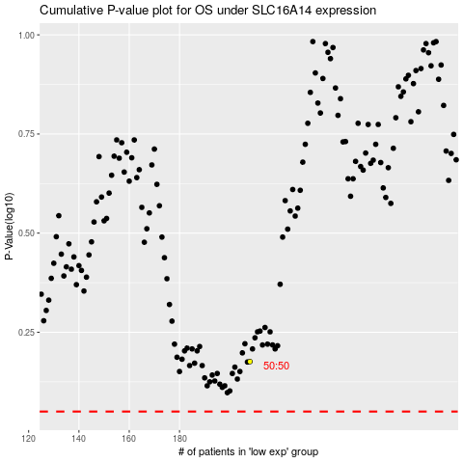

 |  |  |  |  |  | cases_OS | p_OS | rank | exp
 |  |  |  |  |  |  | cases_RFS | p_RFS | rank | exp

