SLC16A4 _multivariate
Reported by Tex Li-Hsing Chi. tex@gate.sinica.edu.tw 2019-08-16

Table 2. The clinicopathological features of HNSCC cohort and SLC16A4 expression. (Chi square test)
Cutoff at -0.335 (49.8%)
 |  | SLC16A4 expression |  | SLC16A4 expression |  | (Optimised)
 | Features | Low | (%) | High | (%) | Case no | P-value | Remark | Matthews
Gender | Female | 151 | 36.4 | 155 | 37.3 | 415 | 0.8007 | 0 | 0
2 | Male | 56 | 13.5 | 53 | 12.8
Age at diagnosis | <=65y | 132 | 31.8 | 142 | 34.2 | 415 | 0.3874 | 0 | 0
4 | >65y | 75 | 18.1 | 66 | 15.9
Clinical T Status | T1+T2 | 78 | 18.8 | 71 | 17.1 | 415 | 0.5152 | 0 | 0
6 | T3+T4 | 129 | 31.1 | 137 | 33
Clinical N Status | N0 | 105 | 25.3 | 111 | 26.7 | 415 | 0.6598 | 0 | 0
8 | N1-3 | 102 | 24.6 | 97 | 23.4
Clinical M Status | M0 | 204 | 49.2 | 208 | 50.1 | 415 | 0.1232 | 0 | 0
10 | M1 | 3 | 0.7 | 0 | 0
Clinical Stage | Stage I+II | 53 | 12.8 | 49 | 11.8 | 415 | 0.7113 | 0 | 0
12 | Stage III+IV | 154 | 37.1 | 159 | 38.3
Surgical Margin status | Negative | 158 | 38.1 | 160 | 38.6 | 415 | 0.9081 | 0 | 0
14 | Positive | 49 | 11.8 | 48 | 11.6
Tobacco Exposure | Low | 94 | 22.7 | 67 | 16.1 | 415 | 0.0065 | 1 | 0
16 | High | 113 | 27.2 | 141 | 34

Table 3. Univariate/Multivariate Cox's proportional hazards regression analyses on OS time of SLC16A4 gene expression in HNSCC

 |  | Univariate |  |  |  | Multivariate
 | Features | HR | CI95%(L) | CI95%(H) | P-value | HR | CI95%(L) | CI95%(H) | P-value
1 | Female | 1 |  |  |  | 1
Gender | Male | 1.157 | 0.843 | 1.587 | 0.367 | 1.202 | 0.86 | 1.682 | 0.282
11 | <=65y | 1 |  |  |  | 1
Age at diagnosis | >65y | 1.329 | 0.99 | 1.784 | 0.058 | 1.383 | 1.017 | 1.88 | 0.039
12 | T1+T2 | 1 |  |  |  | 1
Clinical T Status | T3+T4 | 1.409 | 1.028 | 1.931 | 0.033 | 2.213 | 1.169 | 4.186 | 0.015
13 | N0 | 1 |  |  |  | 1
Clinical N Status | N1-3 | 1.185 | 0.89 | 1.577 | 0.246 | 1.227 | 0.86 | 1.753 | 0.259
14 | M0 | 1 |  |  |  | 1
Clinical M Status | M1 | 4.097 | 1.009 | 16.644 | 0.049 | 8.664 | 1.88 | 39.924 | 0.006
15 | Stage I+II | 1 |  |  |  | 1
Clinical Stage | Stage III+IV | 1.245 | 0.882 | 1.759 | 0.213 | 0.509 | 0.237 | 1.093 | 0.083
16 | Negative | 1 |  |  |  | 1
Surgical Margin status | Positive | 1.591 | 1.155 | 2.191 | 0.004 | 1.686 | 1.219 | 2.33 | 0.002
17 | Low | 1 |  |  |  | 1
Tobacco Exposure | High | 1.364 | 1.008 | 1.844 | 0.044 | 1.491 | 1.078 | 2.063 | 0.016
18 | Low | 1 |  |  |  | 1
RNAseq(z-score) | High | 0.857 | 0.643 | 1.142 | 0.292 | 0.833 | 0.621 | 1.116 | 0.22

Table 4. Univariate/Multivariate Cox's proportional hazards regression analyses on RFS time of SLC16A4 gene expression in HNSCC

 |  | Univariate |  |  |  | Multivariate
 | Features | HR | CI95%(L) | CI95%(H) | P-value | HR | CI95%(L) | CI95%(H) | P-value
1 | Female | 1 |  |  |  | 1
Gender | Male | 1.157 | 0.843 | 1.587 | 0.367 | 1.202 | 0.86 | 1.682 | 0.282
11 | <=65y | 1 |  |  |  | 1
Age at diagnosis | >65y | 1.329 | 0.99 | 1.784 | 0.058 | 1.383 | 1.017 | 1.88 | 0.039
12 | T1+T2 | 1 |  |  |  | 1
Clinical T Status | T3+T4 | 1.409 | 1.028 | 1.931 | 0.033 | 2.213 | 1.169 | 4.186 | 0.015
13 | N0 | 1 |  |  |  | 1
Clinical N Status | N1-3 | 1.185 | 0.89 | 1.577 | 0.246 | 1.227 | 0.86 | 1.753 | 0.259
14 | M0 | 1 |  |  |  | 1
Clinical M Status | M1 | 4.097 | 1.009 | 16.644 | 0.049 | 8.664 | 1.88 | 39.924 | 0.006
15 | Stage I+II | 1 |  |  |  | 1
Clinical Stage | Stage III+IV | 1.245 | 0.882 | 1.759 | 0.213 | 0.509 | 0.237 | 1.093 | 0.083
16 | Negative | 1 |  |  |  | 1
Surgical Margin status | Positive | 1.591 | 1.155 | 2.191 | 0.004 | 1.686 | 1.219 | 2.33 | 0.002
17 | Low | 1 |  |  |  | 1
Tobacco Exposure | High | 1.364 | 1.008 | 1.844 | 0.044 | 1.491 | 1.078 | 2.063 | 0.016
18 | Low | 1 |  |  |  | 1
RNAseq(z-score) | High | 0.857 | 0.643 | 1.142 | 0.292 | 0.833 | 0.621 | 1.116 | 0.22

Kaplan-Meier survival estimate: Cutoff at -0.335 (49.8%)



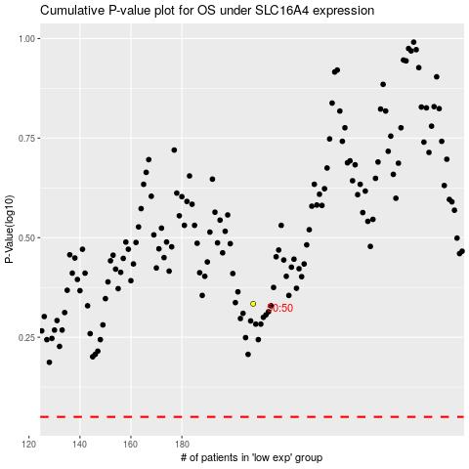

 |  |  |  |  |  | cases_OS | p_OS | rank | exp
 |  |  |  |  |  |  | cases_RFS | p_RFS | rank | exp

