SLC16A7 _multivariate
Reported by Tex Li-Hsing Chi. tex@gate.sinica.edu.tw 2019-08-16

Table 2. The clinicopathological features of HNSCC cohort and SLC16A7 expression. (Chi square test)
Cutoff at -0.576 (30.2%)
 |  | SLC16A7 expression |  | SLC16A7 expression |  | (Optimised)
 | Features | Low | (%) | High | (%) | Case no | P-value | Remark | Matthews
Gender | Female | 101 | 24.3 | 205 | 49.4 | 415 | 0.0654 | 0 | 0
2 | Male | 25 | 6 | 84 | 20.2
Age at diagnosis | <=65y | 89 | 21.4 | 185 | 44.6 | 415 | 0.2314 | 0 | 0
4 | >65y | 37 | 8.9 | 104 | 25.1
Clinical T Status | T1+T2 | 48 | 11.6 | 101 | 24.3 | 415 | 0.6148 | 0 | 0
6 | T3+T4 | 78 | 18.8 | 188 | 45.3
Clinical N Status | N0 | 61 | 14.7 | 155 | 37.3 | 415 | 0.3832 | 0 | 0
8 | N1-3 | 65 | 15.7 | 134 | 32.3
Clinical M Status | M0 | 124 | 29.9 | 288 | 69.4 | 415 | 0.22 | 0 | 0
10 | M1 | 2 | 0.5 | 1 | 0.2
Clinical Stage | Stage I+II | 31 | 7.5 | 71 | 17.1 | 415 | 1 | 0 | 0
12 | Stage III+IV | 95 | 22.9 | 218 | 52.5
Surgical Margin status | Negative | 94 | 22.7 | 224 | 54 | 415 | 0.53 | 0 | 0
14 | Positive | 32 | 7.7 | 65 | 15.7
Tobacco Exposure | Low | 45 | 10.8 | 116 | 28 | 415 | 0.4435 | 0 | 0
16 | High | 81 | 19.5 | 173 | 41.7

Table 3. Univariate/Multivariate Cox's proportional hazards regression analyses on OS time of SLC16A7 gene expression in HNSCC

 |  | Univariate |  |  |  | Multivariate
 | Features | HR | CI95%(L) | CI95%(H) | P-value | HR | CI95%(L) | CI95%(H) | P-value
1 | Female | 1 |  |  |  | 1
Gender | Male | 1.157 | 0.843 | 1.587 | 0.367 | 1.25 | 0.89 | 1.754 | 0.198
11 | <=65y | 1 |  |  |  | 1
Age at diagnosis | >65y | 1.329 | 0.99 | 1.784 | 0.058 | 1.415 | 1.041 | 1.926 | 0.027
12 | T1+T2 | 1 |  |  |  | 1
Clinical T Status | T3+T4 | 1.409 | 1.028 | 1.931 | 0.033 | 2.229 | 1.178 | 4.22 | 0.014
13 | N0 | 1 |  |  |  | 1
Clinical N Status | N1-3 | 1.185 | 0.89 | 1.577 | 0.246 | 1.23 | 0.862 | 1.754 | 0.254
14 | M0 | 1 |  |  |  | 1
Clinical M Status | M1 | 4.097 | 1.009 | 16.644 | 0.049 | 8.288 | 1.798 | 38.21 | 0.007
15 | Stage I+II | 1 |  |  |  | 1
Clinical Stage | Stage III+IV | 1.245 | 0.882 | 1.759 | 0.213 | 0.503 | 0.234 | 1.081 | 0.078
16 | Negative | 1 |  |  |  | 1
Surgical Margin status | Positive | 1.591 | 1.155 | 2.191 | 0.004 | 1.674 | 1.211 | 2.315 | 0.002
17 | Low | 1 |  |  |  | 1
Tobacco Exposure | High | 1.364 | 1.008 | 1.844 | 0.044 | 1.425 | 1.032 | 1.97 | 0.032
18 | Low | 1 |  |  |  | 1
RNAseq(z-score) | High | 0.739 | 0.545 | 1.001 | 0.051 | 0.735 | 0.538 | 1.004 | 0.053

Table 4. Univariate/Multivariate Cox's proportional hazards regression analyses on RFS time of SLC16A7 gene expression in HNSCC

 |  | Univariate |  |  |  | Multivariate
 | Features | HR | CI95%(L) | CI95%(H) | P-value | HR | CI95%(L) | CI95%(H) | P-value
1 | Female | 1 |  |  |  | 1
Gender | Male | 1.157 | 0.843 | 1.587 | 0.367 | 1.25 | 0.89 | 1.754 | 0.198
11 | <=65y | 1 |  |  |  | 1
Age at diagnosis | >65y | 1.329 | 0.99 | 1.784 | 0.058 | 1.415 | 1.041 | 1.926 | 0.027
12 | T1+T2 | 1 |  |  |  | 1
Clinical T Status | T3+T4 | 1.409 | 1.028 | 1.931 | 0.033 | 2.229 | 1.178 | 4.22 | 0.014
13 | N0 | 1 |  |  |  | 1
Clinical N Status | N1-3 | 1.185 | 0.89 | 1.577 | 0.246 | 1.23 | 0.862 | 1.754 | 0.254
14 | M0 | 1 |  |  |  | 1
Clinical M Status | M1 | 4.097 | 1.009 | 16.644 | 0.049 | 8.288 | 1.798 | 38.21 | 0.007
15 | Stage I+II | 1 |  |  |  | 1
Clinical Stage | Stage III+IV | 1.245 | 0.882 | 1.759 | 0.213 | 0.503 | 0.234 | 1.081 | 0.078
16 | Negative | 1 |  |  |  | 1
Surgical Margin status | Positive | 1.591 | 1.155 | 2.191 | 0.004 | 1.674 | 1.211 | 2.315 | 0.002
17 | Low | 1 |  |  |  | 1
Tobacco Exposure | High | 1.364 | 1.008 | 1.844 | 0.044 | 1.425 | 1.032 | 1.97 | 0.032
18 | Low | 1 |  |  |  | 1
RNAseq(z-score) | High | 0.739 | 0.545 | 1.001 | 0.051 | 0.735 | 0.538 | 1.004 | 0.053

Kaplan-Meier survival estimate: Cutoff at -0.576 (30.2%)



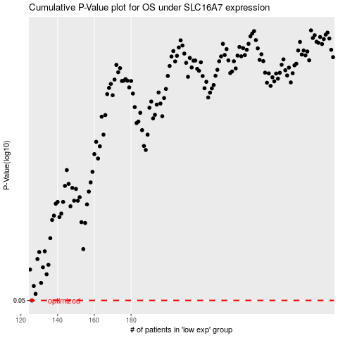

 |  |  |  |  |  | cases_OS | p_OS | rank | exp
 |  |  |  |  |  | 126 | 0.05 | 378 | -0.5756089339
 |  |  |  |  |  |  | cases_RFS | p_RFS | rank | exp
 |  |  |  |  |  |  | 125 | 0.05 | 287 | -0.57600781462

