SLC17A7 _multivariate
Reported by Tex Li-Hsing Chi. tex@gate.sinica.edu.tw 2019-08-16

Table 2. The clinicopathological features of HNSCC cohort and SLC17A7 expression. (Chi square test)
Cutoff at -0.247 (49.8%)
 |  | SLC17A7 expression |  | SLC17A7 expression |  | (Optimised)
 | Features | Low | (%) | High | (%) | Case no | P-value | Remark | Matthews
Gender | Female | 147 | 35.4 | 159 | 38.3 | 415 | 0.2523 | 0 | 0
2 | Male | 60 | 14.5 | 49 | 11.8
Age at diagnosis | <=65y | 132 | 31.8 | 142 | 34.2 | 415 | 0.3874 | 0 | 0
4 | >65y | 75 | 18.1 | 66 | 15.9
Clinical T Status | T1+T2 | 75 | 18.1 | 74 | 17.8 | 415 | 0.9707 | 0 | 0
6 | T3+T4 | 132 | 31.8 | 134 | 32.3
Clinical N Status | N0 | 106 | 25.5 | 110 | 26.5 | 415 | 0.8075 | 0 | 0
8 | N1-3 | 101 | 24.3 | 98 | 23.6
Clinical M Status | M0 | 204 | 49.2 | 208 | 50.1 | 415 | 0.1232 | 0 | 0
10 | M1 | 3 | 0.7 | 0 | 0
Clinical Stage | Stage I+II | 50 | 12 | 52 | 12.5 | 415 | 0.9315 | 0 | 0
12 | Stage III+IV | 157 | 37.8 | 156 | 37.6
Surgical Margin status | Negative | 164 | 39.5 | 154 | 37.1 | 415 | 0.2462 | 0 | 0
14 | Positive | 43 | 10.4 | 54 | 13
Tobacco Exposure | Low | 88 | 21.2 | 73 | 17.6 | 415 | 0.1314 | 0 | 0
16 | High | 119 | 28.7 | 135 | 32.5

Table 3. Univariate/Multivariate Cox's proportional hazards regression analyses on OS time of SLC17A7 gene expression in HNSCC

 |  | Univariate |  |  |  | Multivariate
 | Features | HR | CI95%(L) | CI95%(H) | P-value | HR | CI95%(L) | CI95%(H) | P-value
1 | Female | 1 |  |  |  | 1
Gender | Male | 1.157 | 0.843 | 1.587 | 0.367 | 1.201 | 0.86 | 1.679 | 0.282
11 | <=65y | 1 |  |  |  | 1
Age at diagnosis | >65y | 1.329 | 0.99 | 1.784 | 0.058 | 1.391 | 1.021 | 1.894 | 0.036
12 | T1+T2 | 1 |  |  |  | 1
Clinical T Status | T3+T4 | 1.409 | 1.028 | 1.931 | 0.033 | 2.202 | 1.164 | 4.164 | 0.015
13 | N0 | 1 |  |  |  | 1
Clinical N Status | N1-3 | 1.185 | 0.89 | 1.577 | 0.246 | 1.241 | 0.869 | 1.77 | 0.235
14 | M0 | 1 |  |  |  | 1
Clinical M Status | M1 | 4.097 | 1.009 | 16.644 | 0.049 | 9.377 | 2.029 | 43.329 | 0.004
15 | Stage I+II | 1 |  |  |  | 1
Clinical Stage | Stage III+IV | 1.245 | 0.882 | 1.759 | 0.213 | 0.505 | 0.235 | 1.083 | 0.079
16 | Negative | 1 |  |  |  | 1
Surgical Margin status | Positive | 1.591 | 1.155 | 2.191 | 0.004 | 1.672 | 1.21 | 2.311 | 0.002
17 | Low | 1 |  |  |  | 1
Tobacco Exposure | High | 1.364 | 1.008 | 1.844 | 0.044 | 1.454 | 1.053 | 2.009 | 0.023
18 | Low | 1 |  |  |  | 1
RNAseq(z-score) | High | 0.984 | 0.739 | 1.311 | 0.914 | 0.994 | 0.74 | 1.335 | 0.968

Table 4. Univariate/Multivariate Cox's proportional hazards regression analyses on RFS time of SLC17A7 gene expression in HNSCC

 |  | Univariate |  |  |  | Multivariate
 | Features | HR | CI95%(L) | CI95%(H) | P-value | HR | CI95%(L) | CI95%(H) | P-value
1 | Female | 1 |  |  |  | 1
Gender | Male | 1.157 | 0.843 | 1.587 | 0.367 | 1.201 | 0.86 | 1.679 | 0.282
11 | <=65y | 1 |  |  |  | 1
Age at diagnosis | >65y | 1.329 | 0.99 | 1.784 | 0.058 | 1.391 | 1.021 | 1.894 | 0.036
12 | T1+T2 | 1 |  |  |  | 1
Clinical T Status | T3+T4 | 1.409 | 1.028 | 1.931 | 0.033 | 2.202 | 1.164 | 4.164 | 0.015
13 | N0 | 1 |  |  |  | 1
Clinical N Status | N1-3 | 1.185 | 0.89 | 1.577 | 0.246 | 1.241 | 0.869 | 1.77 | 0.235
14 | M0 | 1 |  |  |  | 1
Clinical M Status | M1 | 4.097 | 1.009 | 16.644 | 0.049 | 9.377 | 2.029 | 43.329 | 0.004
15 | Stage I+II | 1 |  |  |  | 1
Clinical Stage | Stage III+IV | 1.245 | 0.882 | 1.759 | 0.213 | 0.505 | 0.235 | 1.083 | 0.079
16 | Negative | 1 |  |  |  | 1
Surgical Margin status | Positive | 1.591 | 1.155 | 2.191 | 0.004 | 1.672 | 1.21 | 2.311 | 0.002
17 | Low | 1 |  |  |  | 1
Tobacco Exposure | High | 1.364 | 1.008 | 1.844 | 0.044 | 1.454 | 1.053 | 2.009 | 0.023
18 | Low | 1 |  |  |  | 1
RNAseq(z-score) | High | 0.984 | 0.739 | 1.311 | 0.914 | 0.994 | 0.74 | 1.335 | 0.968

Kaplan-Meier survival estimate: Cutoff at -0.247 (49.8%)



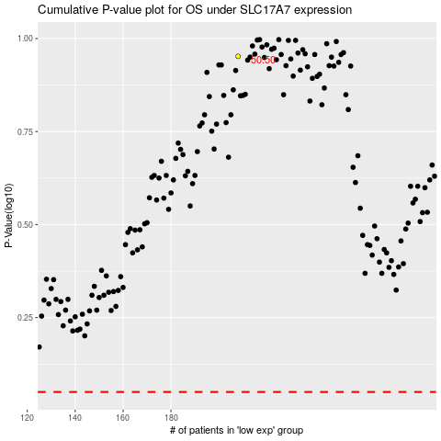

 |  |  |  |  |  | cases_OS | p_OS | rank | exp
 |  |  |  |  |  |  | cases_RFS | p_RFS | rank | exp

