SLC17A9 _multivariate
Reported by Tex Li-Hsing Chi. tex@gate.sinica.edu.tw 2019-08-16

Table 2. The clinicopathological features of HNSCC cohort and SLC17A9 expression. (Chi square test)
Cutoff at -0.03 (66.9%)
 |  | SLC17A9 expression |  | SLC17A9 expression |  | (Optimised)
 | Features | Low | (%) | High | (%) | Case no | P-value | Remark | Matthews
Gender | Female | 198 | 47.7 | 108 | 26 | 415 | 0.1241 | 0 | 0
2 | Male | 80 | 19.3 | 29 | 7
Age at diagnosis | <=65y | 183 | 44.1 | 91 | 21.9 | 415 | 0.9917 | 0 | 0
4 | >65y | 95 | 22.9 | 46 | 11.1
Clinical T Status | T1+T2 | 107 | 25.8 | 42 | 10.1 | 415 | 0.1456 | 0 | 0
6 | T3+T4 | 171 | 41.2 | 95 | 22.9
Clinical N Status | N0 | 144 | 34.7 | 72 | 17.3 | 415 | 0.9677 | 0 | 0
8 | N1-3 | 134 | 32.3 | 65 | 15.7
Clinical M Status | M0 | 275 | 66.3 | 137 | 33 | 415 | 0.554 | 0 | 0
10 | M1 | 3 | 0.7 | 0 | 0
Clinical Stage | Stage I+II | 73 | 17.6 | 29 | 7 | 415 | 0.3117 | 0 | 0
12 | Stage III+IV | 205 | 49.4 | 108 | 26
Surgical Margin status | Negative | 204 | 49.2 | 114 | 27.5 | 415 | 0.0268 | 1 | 0
14 | Positive | 74 | 17.8 | 23 | 5.5
Tobacco Exposure | Low | 122 | 29.4 | 39 | 9.4 | 415 | 0.0027 | 1 | 0
16 | High | 156 | 37.6 | 98 | 23.6

Table 3. Univariate/Multivariate Cox's proportional hazards regression analyses on OS time of SLC17A9 gene expression in HNSCC

 |  | Univariate |  |  |  | Multivariate
 | Features | HR | CI95%(L) | CI95%(H) | P-value | HR | CI95%(L) | CI95%(H) | P-value
1 | Female | 1 |  |  |  | 1
Gender | Male | 1.157 | 0.843 | 1.587 | 0.367 | 1.205 | 0.862 | 1.684 | 0.275
11 | <=65y | 1 |  |  |  | 1
Age at diagnosis | >65y | 1.329 | 0.99 | 1.784 | 0.058 | 1.407 | 1.035 | 1.913 | 0.029
12 | T1+T2 | 1 |  |  |  | 1
Clinical T Status | T3+T4 | 1.409 | 1.028 | 1.931 | 0.033 | 2.219 | 1.174 | 4.194 | 0.014
13 | N0 | 1 |  |  |  | 1
Clinical N Status | N1-3 | 1.185 | 0.89 | 1.577 | 0.246 | 1.243 | 0.871 | 1.773 | 0.231
14 | M0 | 1 |  |  |  | 1
Clinical M Status | M1 | 4.097 | 1.009 | 16.644 | 0.049 | 8.522 | 1.855 | 39.145 | 0.006
15 | Stage I+II | 1 |  |  |  | 1
Clinical Stage | Stage III+IV | 1.245 | 0.882 | 1.759 | 0.213 | 0.502 | 0.234 | 1.076 | 0.077
16 | Negative | 1 |  |  |  | 1
Surgical Margin status | Positive | 1.591 | 1.155 | 2.191 | 0.004 | 1.624 | 1.174 | 2.247 | 0.003
17 | Low | 1 |  |  |  | 1
Tobacco Exposure | High | 1.364 | 1.008 | 1.844 | 0.044 | 1.549 | 1.117 | 2.147 | 0.009
18 | Low | 1 |  |  |  | 1
RNAseq(z-score) | High | 0.721 | 0.525 | 0.989 | 0.043 | 0.704 | 0.509 | 0.972 | 0.033

Table 4. Univariate/Multivariate Cox's proportional hazards regression analyses on RFS time of SLC17A9 gene expression in HNSCC

 |  | Univariate |  |  |  | Multivariate
 | Features | HR | CI95%(L) | CI95%(H) | P-value | HR | CI95%(L) | CI95%(H) | P-value
1 | Female | 1 |  |  |  | 1
Gender | Male | 1.157 | 0.843 | 1.587 | 0.367 | 1.205 | 0.862 | 1.684 | 0.275
11 | <=65y | 1 |  |  |  | 1
Age at diagnosis | >65y | 1.329 | 0.99 | 1.784 | 0.058 | 1.407 | 1.035 | 1.913 | 0.029
12 | T1+T2 | 1 |  |  |  | 1
Clinical T Status | T3+T4 | 1.409 | 1.028 | 1.931 | 0.033 | 2.219 | 1.174 | 4.194 | 0.014
13 | N0 | 1 |  |  |  | 1
Clinical N Status | N1-3 | 1.185 | 0.89 | 1.577 | 0.246 | 1.243 | 0.871 | 1.773 | 0.231
14 | M0 | 1 |  |  |  | 1
Clinical M Status | M1 | 4.097 | 1.009 | 16.644 | 0.049 | 8.522 | 1.855 | 39.145 | 0.006
15 | Stage I+II | 1 |  |  |  | 1
Clinical Stage | Stage III+IV | 1.245 | 0.882 | 1.759 | 0.213 | 0.502 | 0.234 | 1.076 | 0.077
16 | Negative | 1 |  |  |  | 1
Surgical Margin status | Positive | 1.591 | 1.155 | 2.191 | 0.004 | 1.624 | 1.174 | 2.247 | 0.003
17 | Low | 1 |  |  |  | 1
Tobacco Exposure | High | 1.364 | 1.008 | 1.844 | 0.044 | 1.549 | 1.117 | 2.147 | 0.009
18 | Low | 1 |  |  |  | 1
RNAseq(z-score) | High | 0.721 | 0.525 | 0.989 | 0.043 | 0.704 | 0.509 | 0.972 | 0.033

Kaplan-Meier survival estimate: Cutoff at -0.03 (66.9%)



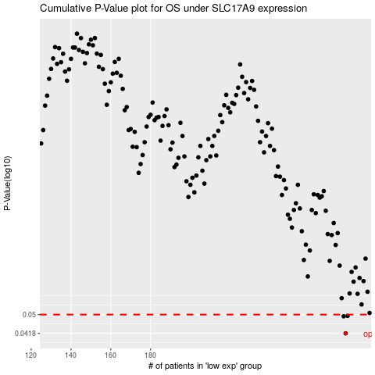

 |  |  |  |  |  | cases_OS | p_OS | rank | exp
 |  |  |  |  |  | 278 | 0.0418 | 17 | -0.029920788115
 |  |  |  |  |  | 277 | 0.0492 | 266 | -0.032294043117
 |  |  |  |  |  | 279 | 0.0494 | 151 | -0.026020400698
 |  |  |  |  |  |  | cases_RFS | p_RFS | rank | exp
 |  |  |  |  |  |  | 277 | 0.0418 | 266 | -0.032294043117
 |  |  |  |  |  |  | 276 | 0.0492 | 412 | -0.037440807011
 |  |  |  |  |  |  | 278 | 0.0494 | 17 | -0.029920788115

