SLC19A1 _multivariate
Reported by Tex Li-Hsing Chi. tex@gate.sinica.edu.tw 2019-08-16

Table 2. The clinicopathological features of HNSCC cohort and SLC19A1 expression. (Chi square test)
Cutoff at -0.245 (45.2%)
 |  | SLC19A1 expression |  | SLC19A1 expression |  | (Optimised)
 | Features | Low | (%) | High | (%) | Case no | P-value | Remark | Matthews
Gender | Female | 127 | 30.6 | 179 | 43.1 | 415 | 0.0127 | 1 | 0
2 | Male | 61 | 14.7 | 48 | 11.6
Age at diagnosis | <=65y | 123 | 29.6 | 151 | 36.4 | 415 | 0.8964 | 0 | 0
4 | >65y | 65 | 15.7 | 76 | 18.3
Clinical T Status | T1+T2 | 80 | 19.3 | 69 | 16.6 | 415 | 0.0136 | 1 | 0
6 | T3+T4 | 108 | 26 | 158 | 38.1
Clinical N Status | N0 | 107 | 25.8 | 109 | 26.3 | 415 | 0.0878 | 0 | 0
8 | N1-3 | 81 | 19.5 | 118 | 28.4
Clinical M Status | M0 | 187 | 45.1 | 225 | 54.2 | 415 | 1 | 0 | 0
10 | M1 | 1 | 0.2 | 2 | 0.5
Clinical Stage | Stage I+II | 58 | 14 | 44 | 10.6 | 415 | 0.0097 | 1 | 0
12 | Stage III+IV | 130 | 31.3 | 183 | 44.1
Surgical Margin status | Negative | 147 | 35.4 | 171 | 41.2 | 415 | 0.5604 | 0 | 0
14 | Positive | 41 | 9.9 | 56 | 13.5
Tobacco Exposure | Low | 92 | 22.2 | 69 | 16.6 | 415 | 1e-04 | 1 | 0
16 | High | 96 | 23.1 | 158 | 38.1

Table 3. Univariate/Multivariate Cox's proportional hazards regression analyses on OS time of SLC19A1 gene expression in HNSCC

 |  | Univariate |  |  |  | Multivariate
 | Features | HR | CI95%(L) | CI95%(H) | P-value | HR | CI95%(L) | CI95%(H) | P-value
1 | Female | 1 |  |  |  | 1
Gender | Male | 1.157 | 0.843 | 1.587 | 0.367 | 1.247 | 0.886 | 1.754 | 0.205
11 | <=65y | 1 |  |  |  | 1
Age at diagnosis | >65y | 1.329 | 0.99 | 1.784 | 0.058 | 1.361 | 0.999 | 1.854 | 0.051
12 | T1+T2 | 1 |  |  |  | 1
Clinical T Status | T3+T4 | 1.409 | 1.028 | 1.931 | 0.033 | 2.157 | 1.141 | 4.077 | 0.018
13 | N0 | 1 |  |  |  | 1
Clinical N Status | N1-3 | 1.185 | 0.89 | 1.577 | 0.246 | 1.212 | 0.848 | 1.733 | 0.292
14 | M0 | 1 |  |  |  | 1
Clinical M Status | M1 | 4.097 | 1.009 | 16.644 | 0.049 | 9.301 | 2.029 | 42.642 | 0.004
15 | Stage I+II | 1 |  |  |  | 1
Clinical Stage | Stage III+IV | 1.245 | 0.882 | 1.759 | 0.213 | 0.504 | 0.235 | 1.082 | 0.079
16 | Negative | 1 |  |  |  | 1
Surgical Margin status | Positive | 1.591 | 1.155 | 2.191 | 0.004 | 1.657 | 1.199 | 2.29 | 0.002
17 | Low | 1 |  |  |  | 1
Tobacco Exposure | High | 1.364 | 1.008 | 1.844 | 0.044 | 1.428 | 1.034 | 1.973 | 0.03
18 | Low | 1 |  |  |  | 1
RNAseq(z-score) | High | 1.346 | 1.005 | 1.803 | 0.046 | 1.24 | 0.916 | 1.68 | 0.164

Table 4. Univariate/Multivariate Cox's proportional hazards regression analyses on RFS time of SLC19A1 gene expression in HNSCC

 |  | Univariate |  |  |  | Multivariate
 | Features | HR | CI95%(L) | CI95%(H) | P-value | HR | CI95%(L) | CI95%(H) | P-value
1 | Female | 1 |  |  |  | 1
Gender | Male | 1.157 | 0.843 | 1.587 | 0.367 | 1.247 | 0.886 | 1.754 | 0.205
11 | <=65y | 1 |  |  |  | 1
Age at diagnosis | >65y | 1.329 | 0.99 | 1.784 | 0.058 | 1.361 | 0.999 | 1.854 | 0.051
12 | T1+T2 | 1 |  |  |  | 1
Clinical T Status | T3+T4 | 1.409 | 1.028 | 1.931 | 0.033 | 2.157 | 1.141 | 4.077 | 0.018
13 | N0 | 1 |  |  |  | 1
Clinical N Status | N1-3 | 1.185 | 0.89 | 1.577 | 0.246 | 1.212 | 0.848 | 1.733 | 0.292
14 | M0 | 1 |  |  |  | 1
Clinical M Status | M1 | 4.097 | 1.009 | 16.644 | 0.049 | 9.301 | 2.029 | 42.642 | 0.004
15 | Stage I+II | 1 |  |  |  | 1
Clinical Stage | Stage III+IV | 1.245 | 0.882 | 1.759 | 0.213 | 0.504 | 0.235 | 1.082 | 0.079
16 | Negative | 1 |  |  |  | 1
Surgical Margin status | Positive | 1.591 | 1.155 | 2.191 | 0.004 | 1.657 | 1.199 | 2.29 | 0.002
17 | Low | 1 |  |  |  | 1
Tobacco Exposure | High | 1.364 | 1.008 | 1.844 | 0.044 | 1.428 | 1.034 | 1.973 | 0.03
18 | Low | 1 |  |  |  | 1
RNAseq(z-score) | High | 1.346 | 1.005 | 1.803 | 0.046 | 1.24 | 0.916 | 1.68 | 0.164

Kaplan-Meier survival estimate: Cutoff at -0.245 (45.2%)



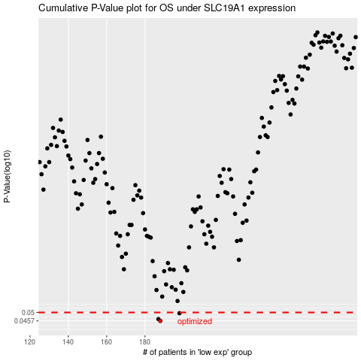

 |  |  |  |  |  | cases_OS | p_OS | rank | exp
 |  |  |  |  |  | 188 | 0.0457 | 23 | -0.24533070165
 |  |  |  |  |  | 187 | 0.0466 | 28 | -0.24770898966
 |  |  |  |  |  | 198 | 0.0496 | 85 | -0.19481279808
 |  |  |  |  |  |  | cases_RFS | p_RFS | rank | exp
 |  |  |  |  |  |  | 187 | 0.0457 | 28 | -0.24770898966
 |  |  |  |  |  |  | 186 | 0.0466 | 110 | -0.25276129794
 |  |  |  |  |  |  | 197 | 0.0496 | 36 | -0.19646392661

