SLC19A2 _multivariate
Reported by Tex Li-Hsing Chi. tex@gate.sinica.edu.tw 2019-08-16

Table 2. The clinicopathological features of HNSCC cohort and SLC19A2 expression. (Chi square test)
Cutoff at -0.257 (50.0%)
 |  | SLC19A2 expression |  | SLC19A2 expression |  | (Optimised)
 | Features | Low | (%) | High | (%) | Case no | P-value | Remark | Matthews
Gender | Female | 156 | 37.6 | 150 | 36.1 | 415 | 0.5222 | 0 | 0
2 | Male | 51 | 12.3 | 58 | 14
Age at diagnosis | <=65y | 137 | 33 | 137 | 33 | 415 | 1 | 0 | 0
4 | >65y | 70 | 16.9 | 71 | 17.1
Clinical T Status | T1+T2 | 78 | 18.8 | 71 | 17.1 | 415 | 0.5152 | 0 | 0
6 | T3+T4 | 129 | 31.1 | 137 | 33
Clinical N Status | N0 | 97 | 23.4 | 119 | 28.7 | 415 | 0.0442 | 1 | 0
8 | N1-3 | 110 | 26.5 | 89 | 21.4
Clinical M Status | M0 | 205 | 49.4 | 207 | 49.9 | 415 | 0.6232 | 0 | 0
10 | M1 | 2 | 0.5 | 1 | 0.2
Clinical Stage | Stage I+II | 50 | 12 | 52 | 12.5 | 415 | 0.9315 | 0 | 0
12 | Stage III+IV | 157 | 37.8 | 156 | 37.6
Surgical Margin status | Negative | 168 | 40.5 | 150 | 36.1 | 415 | 0.0366 | 1 | 0
14 | Positive | 39 | 9.4 | 58 | 14
Tobacco Exposure | Low | 85 | 20.5 | 76 | 18.3 | 415 | 0.3655 | 0 | 0
16 | High | 122 | 29.4 | 132 | 31.8

Table 3. Univariate/Multivariate Cox's proportional hazards regression analyses on OS time of SLC19A2 gene expression in HNSCC

 |  | Univariate |  |  |  | Multivariate
 | Features | HR | CI95%(L) | CI95%(H) | P-value | HR | CI95%(L) | CI95%(H) | P-value
1 | Female | 1 |  |  |  | 1
Gender | Male | 1.157 | 0.843 | 1.587 | 0.367 | 1.2 | 0.858 | 1.678 | 0.288
11 | <=65y | 1 |  |  |  | 1
Age at diagnosis | >65y | 1.329 | 0.99 | 1.784 | 0.058 | 1.392 | 1.024 | 1.892 | 0.035
12 | T1+T2 | 1 |  |  |  | 1
Clinical T Status | T3+T4 | 1.409 | 1.028 | 1.931 | 0.033 | 2.198 | 1.161 | 4.161 | 0.016
13 | N0 | 1 |  |  |  | 1
Clinical N Status | N1-3 | 1.185 | 0.89 | 1.577 | 0.246 | 1.243 | 0.87 | 1.778 | 0.233
14 | M0 | 1 |  |  |  | 1
Clinical M Status | M1 | 4.097 | 1.009 | 16.644 | 0.049 | 9.421 | 2.055 | 43.198 | 0.004
15 | Stage I+II | 1 |  |  |  | 1
Clinical Stage | Stage III+IV | 1.245 | 0.882 | 1.759 | 0.213 | 0.505 | 0.235 | 1.084 | 0.08
16 | Negative | 1 |  |  |  | 1
Surgical Margin status | Positive | 1.591 | 1.155 | 2.191 | 0.004 | 1.666 | 1.2 | 2.315 | 0.002
17 | Low | 1 |  |  |  | 1
Tobacco Exposure | High | 1.364 | 1.008 | 1.844 | 0.044 | 1.451 | 1.052 | 2.001 | 0.023
18 | Low | 1 |  |  |  | 1
RNAseq(z-score) | High | 1.104 | 0.829 | 1.471 | 0.499 | 1.016 | 0.755 | 1.366 | 0.917

Table 4. Univariate/Multivariate Cox's proportional hazards regression analyses on RFS time of SLC19A2 gene expression in HNSCC

 |  | Univariate |  |  |  | Multivariate
 | Features | HR | CI95%(L) | CI95%(H) | P-value | HR | CI95%(L) | CI95%(H) | P-value
1 | Female | 1 |  |  |  | 1
Gender | Male | 1.157 | 0.843 | 1.587 | 0.367 | 1.2 | 0.858 | 1.678 | 0.288
11 | <=65y | 1 |  |  |  | 1
Age at diagnosis | >65y | 1.329 | 0.99 | 1.784 | 0.058 | 1.392 | 1.024 | 1.892 | 0.035
12 | T1+T2 | 1 |  |  |  | 1
Clinical T Status | T3+T4 | 1.409 | 1.028 | 1.931 | 0.033 | 2.198 | 1.161 | 4.161 | 0.016
13 | N0 | 1 |  |  |  | 1
Clinical N Status | N1-3 | 1.185 | 0.89 | 1.577 | 0.246 | 1.243 | 0.87 | 1.778 | 0.233
14 | M0 | 1 |  |  |  | 1
Clinical M Status | M1 | 4.097 | 1.009 | 16.644 | 0.049 | 9.421 | 2.055 | 43.198 | 0.004
15 | Stage I+II | 1 |  |  |  | 1
Clinical Stage | Stage III+IV | 1.245 | 0.882 | 1.759 | 0.213 | 0.505 | 0.235 | 1.084 | 0.08
16 | Negative | 1 |  |  |  | 1
Surgical Margin status | Positive | 1.591 | 1.155 | 2.191 | 0.004 | 1.666 | 1.2 | 2.315 | 0.002
17 | Low | 1 |  |  |  | 1
Tobacco Exposure | High | 1.364 | 1.008 | 1.844 | 0.044 | 1.451 | 1.052 | 2.001 | 0.023
18 | Low | 1 |  |  |  | 1
RNAseq(z-score) | High | 1.104 | 0.829 | 1.471 | 0.499 | 1.016 | 0.755 | 1.366 | 0.917

Kaplan-Meier survival estimate: Cutoff at -0.257 (50.0%)



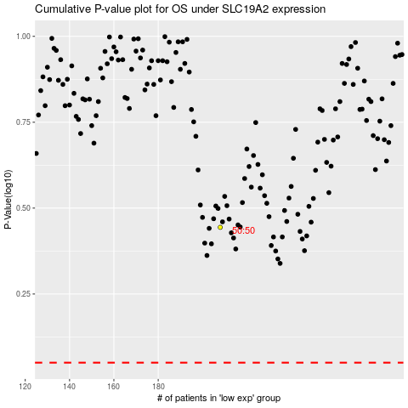

 |  |  |  |  |  | cases_OS | p_OS | rank | exp
 |  |  |  |  |  |  | cases_RFS | p_RFS | rank | exp

