SLC1A1 _multivariate
Reported by Tex Li-Hsing Chi. tex@gate.sinica.edu.tw 2019-08-16

Table 2. The clinicopathological features of HNSCC cohort and SLC1A1 expression. (Chi square test)
Cutoff at -0.348 (49.8%)
 |  | SLC1A1 expression |  | SLC1A1 expression |  | (Optimised)
 | Features | Low | (%) | High | (%) | Case no | P-value | Remark | Matthews
Gender | Female | 150 | 36.1 | 156 | 37.6 | 415 | 0.6344 | 0 | 0
2 | Male | 57 | 13.7 | 52 | 12.5
Age at diagnosis | <=65y | 134 | 32.3 | 140 | 33.7 | 415 | 0.6529 | 0 | 0
4 | >65y | 73 | 17.6 | 68 | 16.4
Clinical T Status | T1+T2 | 74 | 17.8 | 75 | 18.1 | 415 | 1 | 0 | 0
6 | T3+T4 | 133 | 32 | 133 | 32
Clinical N Status | N0 | 107 | 25.8 | 109 | 26.3 | 415 | 0.9624 | 0 | 0
8 | N1-3 | 100 | 24.1 | 99 | 23.9
Clinical M Status | M0 | 205 | 49.4 | 207 | 49.9 | 415 | 0.6232 | 0 | 0
10 | M1 | 2 | 0.5 | 1 | 0.2
Clinical Stage | Stage I+II | 57 | 13.7 | 45 | 10.8 | 415 | 0.1998 | 0 | 0
12 | Stage III+IV | 150 | 36.1 | 163 | 39.3
Surgical Margin status | Negative | 157 | 37.8 | 161 | 38.8 | 415 | 0.729 | 0 | 0
14 | Positive | 50 | 12 | 47 | 11.3
Tobacco Exposure | Low | 92 | 22.2 | 69 | 16.6 | 415 | 0.0206 | 1 | 0
16 | High | 115 | 27.7 | 139 | 33.5

Table 3. Univariate/Multivariate Cox's proportional hazards regression analyses on OS time of SLC1A1 gene expression in HNSCC

 |  | Univariate |  |  |  | Multivariate
 | Features | HR | CI95%(L) | CI95%(H) | P-value | HR | CI95%(L) | CI95%(H) | P-value
1 | Female | 1 |  |  |  | 1
Gender | Male | 1.157 | 0.843 | 1.587 | 0.367 | 1.205 | 0.862 | 1.682 | 0.275
11 | <=65y | 1 |  |  |  | 1
Age at diagnosis | >65y | 1.329 | 0.99 | 1.784 | 0.058 | 1.392 | 1.024 | 1.892 | 0.035
12 | T1+T2 | 1 |  |  |  | 1
Clinical T Status | T3+T4 | 1.409 | 1.028 | 1.931 | 0.033 | 2.264 | 1.192 | 4.301 | 0.013
13 | N0 | 1 |  |  |  | 1
Clinical N Status | N1-3 | 1.185 | 0.89 | 1.577 | 0.246 | 1.266 | 0.884 | 1.813 | 0.199
14 | M0 | 1 |  |  |  | 1
Clinical M Status | M1 | 4.097 | 1.009 | 16.644 | 0.049 | 9.676 | 2.106 | 44.444 | 0.004
15 | Stage I+II | 1 |  |  |  | 1
Clinical Stage | Stage III+IV | 1.245 | 0.882 | 1.759 | 0.213 | 0.481 | 0.222 | 1.044 | 0.064
16 | Negative | 1 |  |  |  | 1
Surgical Margin status | Positive | 1.591 | 1.155 | 2.191 | 0.004 | 1.683 | 1.217 | 2.327 | 0.002
17 | Low | 1 |  |  |  | 1
Tobacco Exposure | High | 1.364 | 1.008 | 1.844 | 0.044 | 1.423 | 1.028 | 1.97 | 0.033
18 | Low | 1 |  |  |  | 1
RNAseq(z-score) | High | 1.082 | 0.808 | 1.447 | 0.598 | 1.118 | 0.826 | 1.513 | 0.471

Table 4. Univariate/Multivariate Cox's proportional hazards regression analyses on RFS time of SLC1A1 gene expression in HNSCC

 |  | Univariate |  |  |  | Multivariate
 | Features | HR | CI95%(L) | CI95%(H) | P-value | HR | CI95%(L) | CI95%(H) | P-value
1 | Female | 1 |  |  |  | 1
Gender | Male | 1.157 | 0.843 | 1.587 | 0.367 | 1.205 | 0.862 | 1.682 | 0.275
11 | <=65y | 1 |  |  |  | 1
Age at diagnosis | >65y | 1.329 | 0.99 | 1.784 | 0.058 | 1.392 | 1.024 | 1.892 | 0.035
12 | T1+T2 | 1 |  |  |  | 1
Clinical T Status | T3+T4 | 1.409 | 1.028 | 1.931 | 0.033 | 2.264 | 1.192 | 4.301 | 0.013
13 | N0 | 1 |  |  |  | 1
Clinical N Status | N1-3 | 1.185 | 0.89 | 1.577 | 0.246 | 1.266 | 0.884 | 1.813 | 0.199
14 | M0 | 1 |  |  |  | 1
Clinical M Status | M1 | 4.097 | 1.009 | 16.644 | 0.049 | 9.676 | 2.106 | 44.444 | 0.004
15 | Stage I+II | 1 |  |  |  | 1
Clinical Stage | Stage III+IV | 1.245 | 0.882 | 1.759 | 0.213 | 0.481 | 0.222 | 1.044 | 0.064
16 | Negative | 1 |  |  |  | 1
Surgical Margin status | Positive | 1.591 | 1.155 | 2.191 | 0.004 | 1.683 | 1.217 | 2.327 | 0.002
17 | Low | 1 |  |  |  | 1
Tobacco Exposure | High | 1.364 | 1.008 | 1.844 | 0.044 | 1.423 | 1.028 | 1.97 | 0.033
18 | Low | 1 |  |  |  | 1
RNAseq(z-score) | High | 1.082 | 0.808 | 1.447 | 0.598 | 1.118 | 0.826 | 1.513 | 0.471

Kaplan-Meier survival estimate: Cutoff at -0.348 (49.8%)



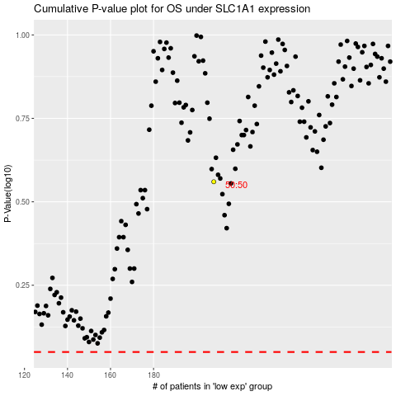

 |  |  |  |  |  | cases_OS | p_OS | rank | exp
 |  |  |  |  |  |  | cases_RFS | p_RFS | rank | exp

