SLC1A3 _multivariate
Reported by Tex Li-Hsing Chi. tex@gate.sinica.edu.tw 2019-08-16

Table 2. The clinicopathological features of HNSCC cohort and SLC1A3 expression. (Chi square test)
Cutoff at -0.231 (49.8%)
 |  | SLC1A3 expression |  | SLC1A3 expression |  | (Optimised)
 | Features | Low | (%) | High | (%) | Case no | P-value | Remark | Matthews
Gender | Female | 152 | 36.6 | 154 | 37.1 | 415 | 0.9766 | 0 | 0
2 | Male | 55 | 13.3 | 54 | 13
Age at diagnosis | <=65y | 141 | 34 | 133 | 32 | 415 | 0.4272 | 0 | 0
4 | >65y | 66 | 15.9 | 75 | 18.1
Clinical T Status | T1+T2 | 70 | 16.9 | 79 | 19 | 415 | 0.4343 | 0 | 0
6 | T3+T4 | 137 | 33 | 129 | 31.1
Clinical N Status | N0 | 112 | 27 | 104 | 25.1 | 415 | 0.4599 | 0 | 0
8 | N1-3 | 95 | 22.9 | 104 | 25.1
Clinical M Status | M0 | 206 | 49.6 | 206 | 49.6 | 415 | 1 | 0 | 0
10 | M1 | 1 | 0.2 | 2 | 0.5
Clinical Stage | Stage I+II | 45 | 10.8 | 57 | 13.7 | 415 | 0.2202 | 0 | 0
12 | Stage III+IV | 162 | 39 | 151 | 36.4
Surgical Margin status | Negative | 157 | 37.8 | 161 | 38.8 | 415 | 0.729 | 0 | 0
14 | Positive | 50 | 12 | 47 | 11.3
Tobacco Exposure | Low | 72 | 17.3 | 89 | 21.4 | 415 | 0.1071 | 0 | 0
16 | High | 135 | 32.5 | 119 | 28.7

Table 3. Univariate/Multivariate Cox's proportional hazards regression analyses on OS time of SLC1A3 gene expression in HNSCC

 |  | Univariate |  |  |  | Multivariate
 | Features | HR | CI95%(L) | CI95%(H) | P-value | HR | CI95%(L) | CI95%(H) | P-value
1 | Female | 1 |  |  |  | 1
Gender | Male | 1.157 | 0.843 | 1.587 | 0.367 | 1.203 | 0.861 | 1.68 | 0.278
11 | <=65y | 1 |  |  |  | 1
Age at diagnosis | >65y | 1.329 | 0.99 | 1.784 | 0.058 | 1.393 | 1.025 | 1.894 | 0.034
12 | T1+T2 | 1 |  |  |  | 1
Clinical T Status | T3+T4 | 1.409 | 1.028 | 1.931 | 0.033 | 2.167 | 1.144 | 4.104 | 0.018
13 | N0 | 1 |  |  |  | 1
Clinical N Status | N1-3 | 1.185 | 0.89 | 1.577 | 0.246 | 1.223 | 0.855 | 1.749 | 0.271
14 | M0 | 1 |  |  |  | 1
Clinical M Status | M1 | 4.097 | 1.009 | 16.644 | 0.049 | 9.199 | 2.004 | 42.215 | 0.004
15 | Stage I+II | 1 |  |  |  | 1
Clinical Stage | Stage III+IV | 1.245 | 0.882 | 1.759 | 0.213 | 0.519 | 0.241 | 1.12 | 0.095
16 | Negative | 1 |  |  |  | 1
Surgical Margin status | Positive | 1.591 | 1.155 | 2.191 | 0.004 | 1.666 | 1.206 | 2.301 | 0.002
17 | Low | 1 |  |  |  | 1
Tobacco Exposure | High | 1.364 | 1.008 | 1.844 | 0.044 | 1.462 | 1.061 | 2.013 | 0.02
18 | Low | 1 |  |  |  | 1
RNAseq(z-score) | High | 1.122 | 0.842 | 1.495 | 0.431 | 1.107 | 0.828 | 1.479 | 0.494

Table 4. Univariate/Multivariate Cox's proportional hazards regression analyses on RFS time of SLC1A3 gene expression in HNSCC

 |  | Univariate |  |  |  | Multivariate
 | Features | HR | CI95%(L) | CI95%(H) | P-value | HR | CI95%(L) | CI95%(H) | P-value
1 | Female | 1 |  |  |  | 1
Gender | Male | 1.157 | 0.843 | 1.587 | 0.367 | 1.203 | 0.861 | 1.68 | 0.278
11 | <=65y | 1 |  |  |  | 1
Age at diagnosis | >65y | 1.329 | 0.99 | 1.784 | 0.058 | 1.393 | 1.025 | 1.894 | 0.034
12 | T1+T2 | 1 |  |  |  | 1
Clinical T Status | T3+T4 | 1.409 | 1.028 | 1.931 | 0.033 | 2.167 | 1.144 | 4.104 | 0.018
13 | N0 | 1 |  |  |  | 1
Clinical N Status | N1-3 | 1.185 | 0.89 | 1.577 | 0.246 | 1.223 | 0.855 | 1.749 | 0.271
14 | M0 | 1 |  |  |  | 1
Clinical M Status | M1 | 4.097 | 1.009 | 16.644 | 0.049 | 9.199 | 2.004 | 42.215 | 0.004
15 | Stage I+II | 1 |  |  |  | 1
Clinical Stage | Stage III+IV | 1.245 | 0.882 | 1.759 | 0.213 | 0.519 | 0.241 | 1.12 | 0.095
16 | Negative | 1 |  |  |  | 1
Surgical Margin status | Positive | 1.591 | 1.155 | 2.191 | 0.004 | 1.666 | 1.206 | 2.301 | 0.002
17 | Low | 1 |  |  |  | 1
Tobacco Exposure | High | 1.364 | 1.008 | 1.844 | 0.044 | 1.462 | 1.061 | 2.013 | 0.02
18 | Low | 1 |  |  |  | 1
RNAseq(z-score) | High | 1.122 | 0.842 | 1.495 | 0.431 | 1.107 | 0.828 | 1.479 | 0.494

Kaplan-Meier survival estimate: Cutoff at -0.231 (49.8%)



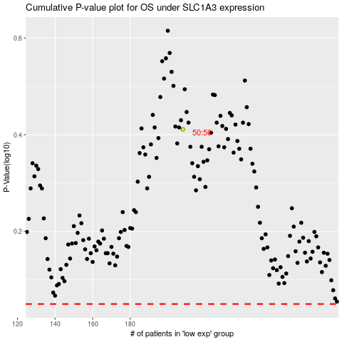

 |  |  |  |  |  | cases_OS | p_OS | rank | exp
 |  |  |  |  |  |  | cases_RFS | p_RFS | rank | exp

