SLC1A5 _multivariate
Reported by Tex Li-Hsing Chi. tex@gate.sinica.edu.tw 2019-08-16

Table 2. The clinicopathological features of HNSCC cohort and SLC1A5 expression. (Chi square test)
Cutoff at -0.129 (49.8%)
 |  | SLC1A5 expression |  | SLC1A5 expression |  | (Optimised)
 | Features | Low | (%) | High | (%) | Case no | P-value | Remark | Matthews
Gender | Female | 149 | 35.9 | 157 | 37.8 | 415 | 0.4848 | 0 | 0
2 | Male | 58 | 14 | 51 | 12.3
Age at diagnosis | <=65y | 139 | 33.5 | 135 | 32.5 | 415 | 0.7044 | 0 | 0
4 | >65y | 68 | 16.4 | 73 | 17.6
Clinical T Status | T1+T2 | 82 | 19.8 | 67 | 16.1 | 415 | 0.1417 | 0 | 0
6 | T3+T4 | 125 | 30.1 | 141 | 34
Clinical N Status | N0 | 113 | 27.2 | 103 | 24.8 | 415 | 0.3495 | 1 | 0
8 | N1-3 | 94 | 22.7 | 105 | 25.3
Clinical M Status | M0 | 206 | 49.6 | 206 | 49.6 | 415 | 1 | 0 | 0
10 | M1 | 1 | 0.2 | 2 | 0.5
Clinical Stage | Stage I+II | 58 | 14 | 44 | 10.6 | 415 | 0.131 | 0 | 0
12 | Stage III+IV | 149 | 35.9 | 164 | 39.5
Surgical Margin status | Negative | 158 | 38.1 | 160 | 38.6 | 415 | 0.9081 | 0 | 0
14 | Positive | 49 | 11.8 | 48 | 11.6
Tobacco Exposure | Low | 85 | 20.5 | 76 | 18.3 | 415 | 0.3655 | 0 | 0
16 | High | 122 | 29.4 | 132 | 31.8

Table 3. Univariate/Multivariate Cox's proportional hazards regression analyses on OS time of SLC1A5 gene expression in HNSCC

 |  | Univariate |  |  |  | Multivariate
 | Features | HR | CI95%(L) | CI95%(H) | P-value | HR | CI95%(L) | CI95%(H) | P-value
1 | Female | 1 |  |  |  | 1
Gender | Male | 1.157 | 0.843 | 1.587 | 0.367 | 1.226 | 0.875 | 1.717 | 0.237
11 | <=65y | 1 |  |  |  | 1
Age at diagnosis | >65y | 1.329 | 0.99 | 1.784 | 0.058 | 1.395 | 1.026 | 1.896 | 0.033
12 | T1+T2 | 1 |  |  |  | 1
Clinical T Status | T3+T4 | 1.409 | 1.028 | 1.931 | 0.033 | 2.183 | 1.154 | 4.128 | 0.016
13 | N0 | 1 |  |  |  | 1
Clinical N Status | N1-3 | 1.185 | 0.89 | 1.577 | 0.246 | 1.215 | 0.849 | 1.738 | 0.287
14 | M0 | 1 |  |  |  | 1
Clinical M Status | M1 | 4.097 | 1.009 | 16.644 | 0.049 | 9.343 | 2.037 | 42.845 | 0.004
15 | Stage I+II | 1 |  |  |  | 1
Clinical Stage | Stage III+IV | 1.245 | 0.882 | 1.759 | 0.213 | 0.505 | 0.235 | 1.084 | 0.08
16 | Negative | 1 |  |  |  | 1
Surgical Margin status | Positive | 1.591 | 1.155 | 2.191 | 0.004 | 1.688 | 1.221 | 2.334 | 0.002
17 | Low | 1 |  |  |  | 1
Tobacco Exposure | High | 1.364 | 1.008 | 1.844 | 0.044 | 1.443 | 1.046 | 1.989 | 0.025
18 | Low | 1 |  |  |  | 1
RNAseq(z-score) | High | 1.185 | 0.889 | 1.58 | 0.247 | 1.159 | 0.862 | 1.558 | 0.33

Table 4. Univariate/Multivariate Cox's proportional hazards regression analyses on RFS time of SLC1A5 gene expression in HNSCC

 |  | Univariate |  |  |  | Multivariate
 | Features | HR | CI95%(L) | CI95%(H) | P-value | HR | CI95%(L) | CI95%(H) | P-value
1 | Female | 1 |  |  |  | 1
Gender | Male | 1.157 | 0.843 | 1.587 | 0.367 | 1.226 | 0.875 | 1.717 | 0.237
11 | <=65y | 1 |  |  |  | 1
Age at diagnosis | >65y | 1.329 | 0.99 | 1.784 | 0.058 | 1.395 | 1.026 | 1.896 | 0.033
12 | T1+T2 | 1 |  |  |  | 1
Clinical T Status | T3+T4 | 1.409 | 1.028 | 1.931 | 0.033 | 2.183 | 1.154 | 4.128 | 0.016
13 | N0 | 1 |  |  |  | 1
Clinical N Status | N1-3 | 1.185 | 0.89 | 1.577 | 0.246 | 1.215 | 0.849 | 1.738 | 0.287
14 | M0 | 1 |  |  |  | 1
Clinical M Status | M1 | 4.097 | 1.009 | 16.644 | 0.049 | 9.343 | 2.037 | 42.845 | 0.004
15 | Stage I+II | 1 |  |  |  | 1
Clinical Stage | Stage III+IV | 1.245 | 0.882 | 1.759 | 0.213 | 0.505 | 0.235 | 1.084 | 0.08
16 | Negative | 1 |  |  |  | 1
Surgical Margin status | Positive | 1.591 | 1.155 | 2.191 | 0.004 | 1.688 | 1.221 | 2.334 | 0.002
17 | Low | 1 |  |  |  | 1
Tobacco Exposure | High | 1.364 | 1.008 | 1.844 | 0.044 | 1.443 | 1.046 | 1.989 | 0.025
18 | Low | 1 |  |  |  | 1
RNAseq(z-score) | High | 1.185 | 0.889 | 1.58 | 0.247 | 1.159 | 0.862 | 1.558 | 0.33

Kaplan-Meier survival estimate: Cutoff at -0.129 (49.8%)

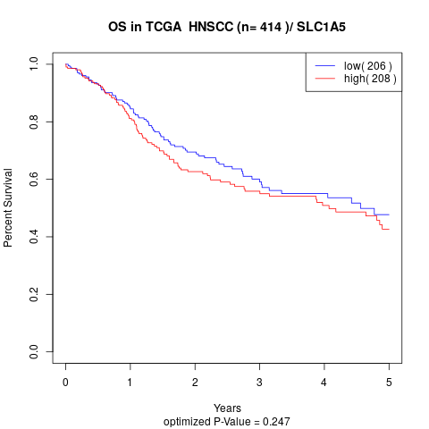

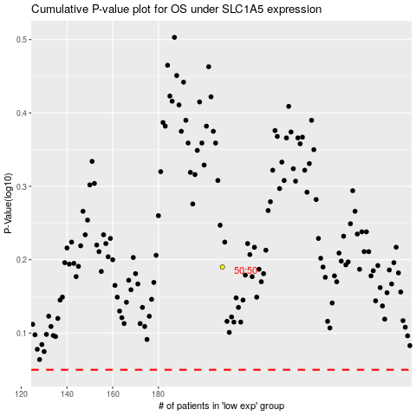

 |  |  |  |  |  | cases_OS | p_OS | rank | exp
 |  |  |  |  |  |  | cases_RFS | p_RFS | rank | exp

