SLC20A2 _multivariate
Reported by Tex Li-Hsing Chi. tex@gate.sinica.edu.tw 2019-08-16

Table 2. The clinicopathological features of HNSCC cohort and SLC20A2 expression. (Chi square test)
Cutoff at -0.206 (50.0%)
 |  | SLC20A2 expression |  | SLC20A2 expression |  | (Optimised)
 | Features | Low | (%) | High | (%) | Case no | P-value | Remark | Matthews
Gender | Female | 154 | 37.1 | 152 | 36.6 | 415 | 0.8463 | 0 | 0
2 | Male | 53 | 12.8 | 56 | 13.5
Age at diagnosis | <=65y | 144 | 34.7 | 130 | 31.3 | 415 | 0.1568 | 0 | 0
4 | >65y | 63 | 15.2 | 78 | 18.8
Clinical T Status | T1+T2 | 88 | 21.2 | 61 | 14.7 | 415 | 0.007 | 1 | 0
6 | T3+T4 | 119 | 28.7 | 147 | 35.4
Clinical N Status | N0 | 109 | 26.3 | 107 | 25.8 | 415 | 0.8812 | 0 | 0
8 | N1-3 | 98 | 23.6 | 101 | 24.3
Clinical M Status | M0 | 205 | 49.4 | 207 | 49.9 | 415 | 0.6232 | 0 | 0
10 | M1 | 2 | 0.5 | 1 | 0.2
Clinical Stage | Stage I+II | 63 | 15.2 | 39 | 9.4 | 415 | 0.008 | 1 | 0
12 | Stage III+IV | 144 | 34.7 | 169 | 40.7
Surgical Margin status | Negative | 153 | 36.9 | 165 | 39.8 | 415 | 0.2036 | 0 | 0
14 | Positive | 54 | 13 | 43 | 10.4
Tobacco Exposure | Low | 88 | 21.2 | 73 | 17.6 | 415 | 0.1314 | 0 | 0
16 | High | 119 | 28.7 | 135 | 32.5

Table 3. Univariate/Multivariate Cox's proportional hazards regression analyses on OS time of SLC20A2 gene expression in HNSCC

 |  | Univariate |  |  |  | Multivariate
 | Features | HR | CI95%(L) | CI95%(H) | P-value | HR | CI95%(L) | CI95%(H) | P-value
1 | Female | 1 |  |  |  | 1
Gender | Male | 1.157 | 0.843 | 1.587 | 0.367 | 1.203 | 0.861 | 1.681 | 0.279
11 | <=65y | 1 |  |  |  | 1
Age at diagnosis | >65y | 1.329 | 0.99 | 1.784 | 0.058 | 1.396 | 1.026 | 1.9 | 0.034
12 | T1+T2 | 1 |  |  |  | 1
Clinical T Status | T3+T4 | 1.409 | 1.028 | 1.931 | 0.033 | 2.201 | 1.164 | 4.161 | 0.015
13 | N0 | 1 |  |  |  | 1
Clinical N Status | N1-3 | 1.185 | 0.89 | 1.577 | 0.246 | 1.237 | 0.867 | 1.767 | 0.241
14 | M0 | 1 |  |  |  | 1
Clinical M Status | M1 | 4.097 | 1.009 | 16.644 | 0.049 | 9.364 | 2.042 | 42.942 | 0.004
15 | Stage I+II | 1 |  |  |  | 1
Clinical Stage | Stage III+IV | 1.245 | 0.882 | 1.759 | 0.213 | 0.51 | 0.236 | 1.099 | 0.085
16 | Negative | 1 |  |  |  | 1
Surgical Margin status | Positive | 1.591 | 1.155 | 2.191 | 0.004 | 1.657 | 1.189 | 2.309 | 0.003
17 | Low | 1 |  |  |  | 1
Tobacco Exposure | High | 1.364 | 1.008 | 1.844 | 0.044 | 1.457 | 1.057 | 2.009 | 0.022
18 | Low | 1 |  |  |  | 1
RNAseq(z-score) | High | 0.974 | 0.731 | 1.297 | 0.857 | 0.964 | 0.713 | 1.304 | 0.814

Table 4. Univariate/Multivariate Cox's proportional hazards regression analyses on RFS time of SLC20A2 gene expression in HNSCC

 |  | Univariate |  |  |  | Multivariate
 | Features | HR | CI95%(L) | CI95%(H) | P-value | HR | CI95%(L) | CI95%(H) | P-value
1 | Female | 1 |  |  |  | 1
Gender | Male | 1.157 | 0.843 | 1.587 | 0.367 | 1.203 | 0.861 | 1.681 | 0.279
11 | <=65y | 1 |  |  |  | 1
Age at diagnosis | >65y | 1.329 | 0.99 | 1.784 | 0.058 | 1.396 | 1.026 | 1.9 | 0.034
12 | T1+T2 | 1 |  |  |  | 1
Clinical T Status | T3+T4 | 1.409 | 1.028 | 1.931 | 0.033 | 2.201 | 1.164 | 4.161 | 0.015
13 | N0 | 1 |  |  |  | 1
Clinical N Status | N1-3 | 1.185 | 0.89 | 1.577 | 0.246 | 1.237 | 0.867 | 1.767 | 0.241
14 | M0 | 1 |  |  |  | 1
Clinical M Status | M1 | 4.097 | 1.009 | 16.644 | 0.049 | 9.364 | 2.042 | 42.942 | 0.004
15 | Stage I+II | 1 |  |  |  | 1
Clinical Stage | Stage III+IV | 1.245 | 0.882 | 1.759 | 0.213 | 0.51 | 0.236 | 1.099 | 0.085
16 | Negative | 1 |  |  |  | 1
Surgical Margin status | Positive | 1.591 | 1.155 | 2.191 | 0.004 | 1.657 | 1.189 | 2.309 | 0.003
17 | Low | 1 |  |  |  | 1
Tobacco Exposure | High | 1.364 | 1.008 | 1.844 | 0.044 | 1.457 | 1.057 | 2.009 | 0.022
18 | Low | 1 |  |  |  | 1
RNAseq(z-score) | High | 0.974 | 0.731 | 1.297 | 0.857 | 0.964 | 0.713 | 1.304 | 0.814

Kaplan-Meier survival estimate: Cutoff at -0.206 (50.0%)



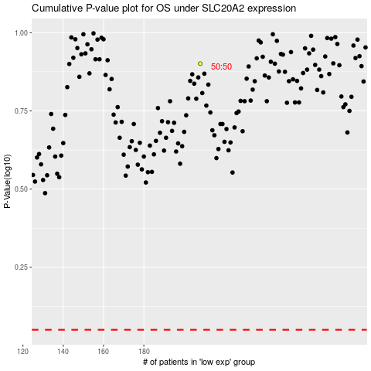

 |  |  |  |  |  | cases_OS | p_OS | rank | exp
 |  |  |  |  |  |  | cases_RFS | p_RFS | rank | exp

