SLC22A1 _multivariate
Reported by Tex Li-Hsing Chi. tex@gate.sinica.edu.tw 2019-08-16

Table 2. The clinicopathological features of HNSCC cohort and SLC22A1 expression. (Chi square test)
Cutoff at -0.155 (50.0%)
 |  | SLC22A1 expression |  | SLC22A1 expression |  | (Optimised)
 | Features | Low | (%) | High | (%) | Case no | P-value | Remark | Matthews
Gender | Female | 164 | 39.5 | 142 | 34.2 | 415 | 0.0153 | 1 | 0
2 | Male | 43 | 10.4 | 66 | 15.9
Age at diagnosis | <=65y | 146 | 35.2 | 128 | 30.8 | 415 | 0.0672 | 0 | 0
4 | >65y | 61 | 14.7 | 80 | 19.3
Clinical T Status | T1+T2 | 82 | 19.8 | 67 | 16.1 | 415 | 0.1417 | 0 | 0
6 | T3+T4 | 125 | 30.1 | 141 | 34
Clinical N Status | N0 | 107 | 25.8 | 109 | 26.3 | 415 | 0.9624 | 0 | 0
8 | N1-3 | 100 | 24.1 | 99 | 23.9
Clinical M Status | M0 | 206 | 49.6 | 206 | 49.6 | 415 | 1 | 0 | 0
10 | M1 | 1 | 0.2 | 2 | 0.5
Clinical Stage | Stage I+II | 56 | 13.5 | 46 | 11.1 | 415 | 0.2918 | 0 | 0
12 | Stage III+IV | 151 | 36.4 | 162 | 39
Surgical Margin status | Negative | 160 | 38.6 | 158 | 38.1 | 415 | 0.8167 | 0 | 0
14 | Positive | 47 | 11.3 | 50 | 12
Tobacco Exposure | Low | 74 | 17.8 | 87 | 21 | 415 | 0.227 | 0 | 0
16 | High | 133 | 32 | 121 | 29.2

Table 3. Univariate/Multivariate Cox's proportional hazards regression analyses on OS time of SLC22A1 gene expression in HNSCC

 |  | Univariate |  |  |  | Multivariate
 | Features | HR | CI95%(L) | CI95%(H) | P-value | HR | CI95%(L) | CI95%(H) | P-value
1 | Female | 1 |  |  |  | 1
Gender | Male | 1.157 | 0.843 | 1.587 | 0.367 | 1.2 | 0.851 | 1.692 | 0.299
11 | <=65y | 1 |  |  |  | 1
Age at diagnosis | >65y | 1.329 | 0.99 | 1.784 | 0.058 | 1.391 | 1.022 | 1.893 | 0.036
12 | T1+T2 | 1 |  |  |  | 1
Clinical T Status | T3+T4 | 1.409 | 1.028 | 1.931 | 0.033 | 2.2 | 1.162 | 4.168 | 0.016
13 | N0 | 1 |  |  |  | 1
Clinical N Status | N1-3 | 1.185 | 0.89 | 1.577 | 0.246 | 1.241 | 0.87 | 1.77 | 0.234
14 | M0 | 1 |  |  |  | 1
Clinical M Status | M1 | 4.097 | 1.009 | 16.644 | 0.049 | 9.379 | 2.03 | 43.325 | 0.004
15 | Stage I+II | 1 |  |  |  | 1
Clinical Stage | Stage III+IV | 1.245 | 0.882 | 1.759 | 0.213 | 0.505 | 0.235 | 1.084 | 0.08
16 | Negative | 1 |  |  |  | 1
Surgical Margin status | Positive | 1.591 | 1.155 | 2.191 | 0.004 | 1.671 | 1.208 | 2.311 | 0.002
17 | Low | 1 |  |  |  | 1
Tobacco Exposure | High | 1.364 | 1.008 | 1.844 | 0.044 | 1.453 | 1.055 | 2.003 | 0.022
18 | Low | 1 |  |  |  | 1
RNAseq(z-score) | High | 1.143 | 0.858 | 1.523 | 0.362 | 1.006 | 0.744 | 1.36 | 0.97

Table 4. Univariate/Multivariate Cox's proportional hazards regression analyses on RFS time of SLC22A1 gene expression in HNSCC

 |  | Univariate |  |  |  | Multivariate
 | Features | HR | CI95%(L) | CI95%(H) | P-value | HR | CI95%(L) | CI95%(H) | P-value
1 | Female | 1 |  |  |  | 1
Gender | Male | 1.157 | 0.843 | 1.587 | 0.367 | 1.2 | 0.851 | 1.692 | 0.299
11 | <=65y | 1 |  |  |  | 1
Age at diagnosis | >65y | 1.329 | 0.99 | 1.784 | 0.058 | 1.391 | 1.022 | 1.893 | 0.036
12 | T1+T2 | 1 |  |  |  | 1
Clinical T Status | T3+T4 | 1.409 | 1.028 | 1.931 | 0.033 | 2.2 | 1.162 | 4.168 | 0.016
13 | N0 | 1 |  |  |  | 1
Clinical N Status | N1-3 | 1.185 | 0.89 | 1.577 | 0.246 | 1.241 | 0.87 | 1.77 | 0.234
14 | M0 | 1 |  |  |  | 1
Clinical M Status | M1 | 4.097 | 1.009 | 16.644 | 0.049 | 9.379 | 2.03 | 43.325 | 0.004
15 | Stage I+II | 1 |  |  |  | 1
Clinical Stage | Stage III+IV | 1.245 | 0.882 | 1.759 | 0.213 | 0.505 | 0.235 | 1.084 | 0.08
16 | Negative | 1 |  |  |  | 1
Surgical Margin status | Positive | 1.591 | 1.155 | 2.191 | 0.004 | 1.671 | 1.208 | 2.311 | 0.002
17 | Low | 1 |  |  |  | 1
Tobacco Exposure | High | 1.364 | 1.008 | 1.844 | 0.044 | 1.453 | 1.055 | 2.003 | 0.022
18 | Low | 1 |  |  |  | 1
RNAseq(z-score) | High | 1.143 | 0.858 | 1.523 | 0.362 | 1.006 | 0.744 | 1.36 | 0.97

Kaplan-Meier survival estimate: Cutoff at -0.155 (50.0%)



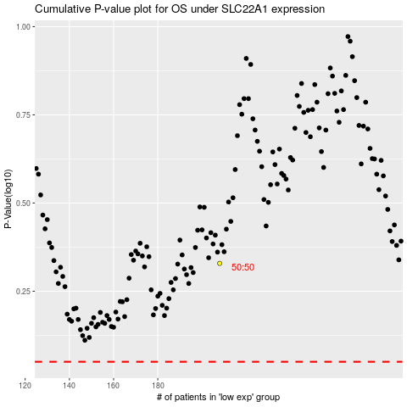

 |  |  |  |  |  | cases_OS | p_OS | rank | exp
 |  |  |  |  |  |  | cases_RFS | p_RFS | rank | exp

