SLC22A13 _multivariate
Reported by Tex Li-Hsing Chi. tex@gate.sinica.edu.tw 2019-08-16

Table 2. The clinicopathological features of HNSCC cohort and SLC22A13 expression. (Chi square test)
Cutoff at -0.289 (50.0%)
 |  | SLC22A13 expression |  | SLC22A13 expression |  | (Optimised)
 | Features | Low | (%) | High | (%) | Case no | P-value | Remark | Matthews
Gender | Female | 155 | 37.3 | 151 | 36.4 | 415 | 0.6768 | 0 | 0
2 | Male | 52 | 12.5 | 57 | 13.7
Age at diagnosis | <=65y | 148 | 35.7 | 126 | 30.4 | 415 | 0.0248 | 1 | 0
4 | >65y | 59 | 14.2 | 82 | 19.8
Clinical T Status | T1+T2 | 83 | 20 | 66 | 15.9 | 415 | 0.0941 | 0 | 0
6 | T3+T4 | 124 | 29.9 | 142 | 34.2
Clinical N Status | N0 | 103 | 24.8 | 113 | 27.2 | 415 | 0.4047 | 0 | 0
8 | N1-3 | 104 | 25.1 | 95 | 22.9
Clinical M Status | M0 | 205 | 49.4 | 207 | 49.9 | 415 | 0.6232 | 0 | 0
10 | M1 | 2 | 0.5 | 1 | 0.2
Clinical Stage | Stage I+II | 57 | 13.7 | 45 | 10.8 | 415 | 0.1998 | 0 | 0
12 | Stage III+IV | 150 | 36.1 | 163 | 39.3
Surgical Margin status | Negative | 165 | 39.8 | 153 | 36.9 | 415 | 0.1639 | 0 | 0
14 | Positive | 42 | 10.1 | 55 | 13.3
Tobacco Exposure | Low | 70 | 16.9 | 91 | 21.9 | 415 | 0.0439 | 1 | 0
16 | High | 137 | 33 | 117 | 28.2

Table 3. Univariate/Multivariate Cox's proportional hazards regression analyses on OS time of SLC22A13 gene expression in HNSCC

 |  | Univariate |  |  |  | Multivariate
 | Features | HR | CI95%(L) | CI95%(H) | P-value | HR | CI95%(L) | CI95%(H) | P-value
1 | Female | 1 |  |  |  | 1
Gender | Male | 1.157 | 0.843 | 1.587 | 0.367 | 1.203 | 0.86 | 1.681 | 0.281
11 | <=65y | 1 |  |  |  | 1
Age at diagnosis | >65y | 1.329 | 0.99 | 1.784 | 0.058 | 1.39 | 1.02 | 1.894 | 0.037
12 | T1+T2 | 1 |  |  |  | 1
Clinical T Status | T3+T4 | 1.409 | 1.028 | 1.931 | 0.033 | 2.202 | 1.165 | 4.164 | 0.015
13 | N0 | 1 |  |  |  | 1
Clinical N Status | N1-3 | 1.185 | 0.89 | 1.577 | 0.246 | 1.242 | 0.869 | 1.776 | 0.234
14 | M0 | 1 |  |  |  | 1
Clinical M Status | M1 | 4.097 | 1.009 | 16.644 | 0.049 | 9.429 | 2.052 | 43.317 | 0.004
15 | Stage I+II | 1 |  |  |  | 1
Clinical Stage | Stage III+IV | 1.245 | 0.882 | 1.759 | 0.213 | 0.504 | 0.234 | 1.083 | 0.079
16 | Negative | 1 |  |  |  | 1
Surgical Margin status | Positive | 1.591 | 1.155 | 2.191 | 0.004 | 1.671 | 1.209 | 2.309 | 0.002
17 | Low | 1 |  |  |  | 1
Tobacco Exposure | High | 1.364 | 1.008 | 1.844 | 0.044 | 1.454 | 1.054 | 2.007 | 0.023
18 | Low | 1 |  |  |  | 1
RNAseq(z-score) | High | 1.008 | 0.757 | 1.342 | 0.957 | 1.009 | 0.751 | 1.355 | 0.955

Table 4. Univariate/Multivariate Cox's proportional hazards regression analyses on RFS time of SLC22A13 gene expression in HNSCC

 |  | Univariate |  |  |  | Multivariate
 | Features | HR | CI95%(L) | CI95%(H) | P-value | HR | CI95%(L) | CI95%(H) | P-value
1 | Female | 1 |  |  |  | 1
Gender | Male | 1.157 | 0.843 | 1.587 | 0.367 | 1.203 | 0.86 | 1.681 | 0.281
11 | <=65y | 1 |  |  |  | 1
Age at diagnosis | >65y | 1.329 | 0.99 | 1.784 | 0.058 | 1.39 | 1.02 | 1.894 | 0.037
12 | T1+T2 | 1 |  |  |  | 1
Clinical T Status | T3+T4 | 1.409 | 1.028 | 1.931 | 0.033 | 2.202 | 1.165 | 4.164 | 0.015
13 | N0 | 1 |  |  |  | 1
Clinical N Status | N1-3 | 1.185 | 0.89 | 1.577 | 0.246 | 1.242 | 0.869 | 1.776 | 0.234
14 | M0 | 1 |  |  |  | 1
Clinical M Status | M1 | 4.097 | 1.009 | 16.644 | 0.049 | 9.429 | 2.052 | 43.317 | 0.004
15 | Stage I+II | 1 |  |  |  | 1
Clinical Stage | Stage III+IV | 1.245 | 0.882 | 1.759 | 0.213 | 0.504 | 0.234 | 1.083 | 0.079
16 | Negative | 1 |  |  |  | 1
Surgical Margin status | Positive | 1.591 | 1.155 | 2.191 | 0.004 | 1.671 | 1.209 | 2.309 | 0.002
17 | Low | 1 |  |  |  | 1
Tobacco Exposure | High | 1.364 | 1.008 | 1.844 | 0.044 | 1.454 | 1.054 | 2.007 | 0.023
18 | Low | 1 |  |  |  | 1
RNAseq(z-score) | High | 1.008 | 0.757 | 1.342 | 0.957 | 1.009 | 0.751 | 1.355 | 0.955

Kaplan-Meier survival estimate: Cutoff at -0.289 (50.0%)



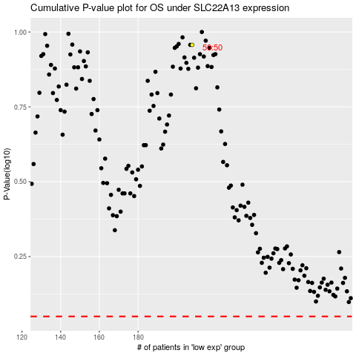

 |  |  |  |  |  | cases_OS | p_OS | rank | exp
 |  |  |  |  |  |  | cases_RFS | p_RFS | rank | exp

