SLC22A15 _multivariate
Reported by Tex Li-Hsing Chi. tex@gate.sinica.edu.tw 2019-08-16

Table 2. The clinicopathological features of HNSCC cohort and SLC22A15 expression. (Chi square test)
Cutoff at -0.226 (50.0%)
 |  | SLC22A15 expression |  | SLC22A15 expression |  | (Optimised)
 | Features | Low | (%) | High | (%) | Case no | P-value | Remark | Matthews
Gender | Female | 162 | 39 | 144 | 34.7 | 415 | 0.0479 | 1 | 0
2 | Male | 45 | 10.8 | 64 | 15.4
Age at diagnosis | <=65y | 138 | 33.3 | 136 | 32.8 | 415 | 0.8634 | 0 | 0
4 | >65y | 69 | 16.6 | 72 | 17.3
Clinical T Status | T1+T2 | 78 | 18.8 | 71 | 17.1 | 415 | 0.5152 | 0 | 0
6 | T3+T4 | 129 | 31.1 | 137 | 33
Clinical N Status | N0 | 103 | 24.8 | 113 | 27.2 | 415 | 0.4047 | 0 | 0
8 | N1-3 | 104 | 25.1 | 95 | 22.9
Clinical M Status | M0 | 205 | 49.4 | 207 | 49.9 | 415 | 0.6232 | 0 | 0
10 | M1 | 2 | 0.5 | 1 | 0.2
Clinical Stage | Stage I+II | 51 | 12.3 | 51 | 12.3 | 415 | 1 | 0 | 0
12 | Stage III+IV | 156 | 37.6 | 157 | 37.8
Surgical Margin status | Negative | 159 | 38.3 | 159 | 38.3 | 415 | 1 | 0 | 0
14 | Positive | 48 | 11.6 | 49 | 11.8
Tobacco Exposure | Low | 69 | 16.6 | 92 | 22.2 | 415 | 0.0266 | 1 | 0
16 | High | 138 | 33.3 | 116 | 28

Table 3. Univariate/Multivariate Cox's proportional hazards regression analyses on OS time of SLC22A15 gene expression in HNSCC

 |  | Univariate |  |  |  | Multivariate
 | Features | HR | CI95%(L) | CI95%(H) | P-value | HR | CI95%(L) | CI95%(H) | P-value
1 | Female | 1 |  |  |  | 1
Gender | Male | 1.157 | 0.843 | 1.587 | 0.367 | 1.179 | 0.844 | 1.647 | 0.334
11 | <=65y | 1 |  |  |  | 1
Age at diagnosis | >65y | 1.329 | 0.99 | 1.784 | 0.058 | 1.401 | 1.03 | 1.907 | 0.032
12 | T1+T2 | 1 |  |  |  | 1
Clinical T Status | T3+T4 | 1.409 | 1.028 | 1.931 | 0.033 | 2.143 | 1.132 | 4.055 | 0.019
13 | N0 | 1 |  |  |  | 1
Clinical N Status | N1-3 | 1.185 | 0.89 | 1.577 | 0.246 | 1.282 | 0.897 | 1.832 | 0.173
14 | M0 | 1 |  |  |  | 1
Clinical M Status | M1 | 4.097 | 1.009 | 16.644 | 0.049 | 9.315 | 2.032 | 42.705 | 0.004
15 | Stage I+II | 1 |  |  |  | 1
Clinical Stage | Stage III+IV | 1.245 | 0.882 | 1.759 | 0.213 | 0.508 | 0.236 | 1.09 | 0.082
16 | Negative | 1 |  |  |  | 1
Surgical Margin status | Positive | 1.591 | 1.155 | 2.191 | 0.004 | 1.667 | 1.206 | 2.304 | 0.002
17 | Low | 1 |  |  |  | 1
Tobacco Exposure | High | 1.364 | 1.008 | 1.844 | 0.044 | 1.489 | 1.079 | 2.054 | 0.015
18 | Low | 1 |  |  |  | 1
RNAseq(z-score) | High | 1.257 | 0.943 | 1.675 | 0.119 | 1.288 | 0.962 | 1.725 | 0.09

Table 4. Univariate/Multivariate Cox's proportional hazards regression analyses on RFS time of SLC22A15 gene expression in HNSCC

 |  | Univariate |  |  |  | Multivariate
 | Features | HR | CI95%(L) | CI95%(H) | P-value | HR | CI95%(L) | CI95%(H) | P-value
1 | Female | 1 |  |  |  | 1
Gender | Male | 1.157 | 0.843 | 1.587 | 0.367 | 1.179 | 0.844 | 1.647 | 0.334
11 | <=65y | 1 |  |  |  | 1
Age at diagnosis | >65y | 1.329 | 0.99 | 1.784 | 0.058 | 1.401 | 1.03 | 1.907 | 0.032
12 | T1+T2 | 1 |  |  |  | 1
Clinical T Status | T3+T4 | 1.409 | 1.028 | 1.931 | 0.033 | 2.143 | 1.132 | 4.055 | 0.019
13 | N0 | 1 |  |  |  | 1
Clinical N Status | N1-3 | 1.185 | 0.89 | 1.577 | 0.246 | 1.282 | 0.897 | 1.832 | 0.173
14 | M0 | 1 |  |  |  | 1
Clinical M Status | M1 | 4.097 | 1.009 | 16.644 | 0.049 | 9.315 | 2.032 | 42.705 | 0.004
15 | Stage I+II | 1 |  |  |  | 1
Clinical Stage | Stage III+IV | 1.245 | 0.882 | 1.759 | 0.213 | 0.508 | 0.236 | 1.09 | 0.082
16 | Negative | 1 |  |  |  | 1
Surgical Margin status | Positive | 1.591 | 1.155 | 2.191 | 0.004 | 1.667 | 1.206 | 2.304 | 0.002
17 | Low | 1 |  |  |  | 1
Tobacco Exposure | High | 1.364 | 1.008 | 1.844 | 0.044 | 1.489 | 1.079 | 2.054 | 0.015
18 | Low | 1 |  |  |  | 1
RNAseq(z-score) | High | 1.257 | 0.943 | 1.675 | 0.119 | 1.288 | 0.962 | 1.725 | 0.09

Kaplan-Meier survival estimate: Cutoff at -0.226 (50.0%)



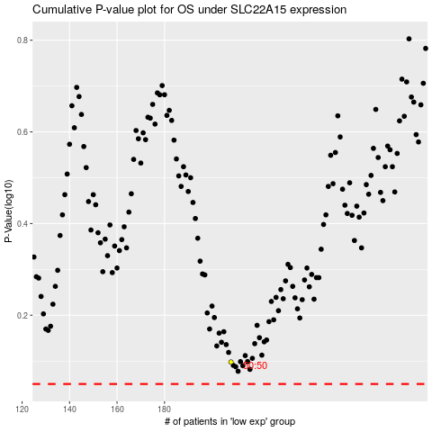

 |  |  |  |  |  | cases_OS | p_OS | rank | exp
 |  |  |  |  |  |  | cases_RFS | p_RFS | rank | exp

