SLC22A16 _multivariate
Reported by Tex Li-Hsing Chi. tex@gate.sinica.edu.tw 2019-08-16

Table 2. The clinicopathological features of HNSCC cohort and SLC22A16 expression. (Chi square test)
Cutoff at -0.191 (49.8%)
 |  | SLC22A16 expression |  | SLC22A16 expression |  | (Optimised)
 | Features | Low | (%) | High | (%) | Case no | P-value | Remark | Matthews
Gender | Female | 149 | 35.9 | 157 | 37.8 | 415 | 0.4848 | 0 | 0
2 | Male | 58 | 14 | 51 | 12.3
Age at diagnosis | <=65y | 135 | 32.5 | 139 | 33.5 | 415 | 0.8084 | 0 | 0
4 | >65y | 72 | 17.3 | 69 | 16.6
Clinical T Status | T1+T2 | 70 | 16.9 | 79 | 19 | 415 | 0.4343 | 0 | 0
6 | T3+T4 | 137 | 33 | 129 | 31.1
Clinical N Status | N0 | 117 | 28.2 | 99 | 23.9 | 415 | 0.0852 | 1 | 0
8 | N1-3 | 90 | 21.7 | 109 | 26.3
Clinical M Status | M0 | 205 | 49.4 | 207 | 49.9 | 415 | 0.6232 | 0 | 0
10 | M1 | 2 | 0.5 | 1 | 0.2
Clinical Stage | Stage I+II | 56 | 13.5 | 46 | 11.1 | 415 | 0.2918 | 0 | 0
12 | Stage III+IV | 151 | 36.4 | 162 | 39
Surgical Margin status | Negative | 151 | 36.4 | 167 | 40.2 | 415 | 0.0828 | 0 | 0
14 | Positive | 56 | 13.5 | 41 | 9.9
Tobacco Exposure | Low | 84 | 20.2 | 77 | 18.6 | 415 | 0.4816 | 0 | 0
16 | High | 123 | 29.6 | 131 | 31.6

Table 3. Univariate/Multivariate Cox's proportional hazards regression analyses on OS time of SLC22A16 gene expression in HNSCC

 |  | Univariate |  |  |  | Multivariate
 | Features | HR | CI95%(L) | CI95%(H) | P-value | HR | CI95%(L) | CI95%(H) | P-value
1 | Female | 1 |  |  |  | 1
Gender | Male | 1.157 | 0.843 | 1.587 | 0.367 | 1.208 | 0.864 | 1.689 | 0.269
11 | <=65y | 1 |  |  |  | 1
Age at diagnosis | >65y | 1.329 | 0.99 | 1.784 | 0.058 | 1.388 | 1.021 | 1.888 | 0.037
12 | T1+T2 | 1 |  |  |  | 1
Clinical T Status | T3+T4 | 1.409 | 1.028 | 1.931 | 0.033 | 2.233 | 1.177 | 4.236 | 0.014
13 | N0 | 1 |  |  |  | 1
Clinical N Status | N1-3 | 1.185 | 0.89 | 1.577 | 0.246 | 1.24 | 0.869 | 1.77 | 0.236
14 | M0 | 1 |  |  |  | 1
Clinical M Status | M1 | 4.097 | 1.009 | 16.644 | 0.049 | 9.589 | 2.086 | 44.087 | 0.004
15 | Stage I+II | 1 |  |  |  | 1
Clinical Stage | Stage III+IV | 1.245 | 0.882 | 1.759 | 0.213 | 0.496 | 0.23 | 1.069 | 0.073
16 | Negative | 1 |  |  |  | 1
Surgical Margin status | Positive | 1.591 | 1.155 | 2.191 | 0.004 | 1.681 | 1.215 | 2.326 | 0.002
17 | Low | 1 |  |  |  | 1
Tobacco Exposure | High | 1.364 | 1.008 | 1.844 | 0.044 | 1.45 | 1.052 | 1.998 | 0.023
18 | Low | 1 |  |  |  | 1
RNAseq(z-score) | High | 1.017 | 0.762 | 1.357 | 0.91 | 1.062 | 0.792 | 1.424 | 0.687

Table 4. Univariate/Multivariate Cox's proportional hazards regression analyses on RFS time of SLC22A16 gene expression in HNSCC

 |  | Univariate |  |  |  | Multivariate
 | Features | HR | CI95%(L) | CI95%(H) | P-value | HR | CI95%(L) | CI95%(H) | P-value
1 | Female | 1 |  |  |  | 1
Gender | Male | 1.157 | 0.843 | 1.587 | 0.367 | 1.208 | 0.864 | 1.689 | 0.269
11 | <=65y | 1 |  |  |  | 1
Age at diagnosis | >65y | 1.329 | 0.99 | 1.784 | 0.058 | 1.388 | 1.021 | 1.888 | 0.037
12 | T1+T2 | 1 |  |  |  | 1
Clinical T Status | T3+T4 | 1.409 | 1.028 | 1.931 | 0.033 | 2.233 | 1.177 | 4.236 | 0.014
13 | N0 | 1 |  |  |  | 1
Clinical N Status | N1-3 | 1.185 | 0.89 | 1.577 | 0.246 | 1.24 | 0.869 | 1.77 | 0.236
14 | M0 | 1 |  |  |  | 1
Clinical M Status | M1 | 4.097 | 1.009 | 16.644 | 0.049 | 9.589 | 2.086 | 44.087 | 0.004
15 | Stage I+II | 1 |  |  |  | 1
Clinical Stage | Stage III+IV | 1.245 | 0.882 | 1.759 | 0.213 | 0.496 | 0.23 | 1.069 | 0.073
16 | Negative | 1 |  |  |  | 1
Surgical Margin status | Positive | 1.591 | 1.155 | 2.191 | 0.004 | 1.681 | 1.215 | 2.326 | 0.002
17 | Low | 1 |  |  |  | 1
Tobacco Exposure | High | 1.364 | 1.008 | 1.844 | 0.044 | 1.45 | 1.052 | 1.998 | 0.023
18 | Low | 1 |  |  |  | 1
RNAseq(z-score) | High | 1.017 | 0.762 | 1.357 | 0.91 | 1.062 | 0.792 | 1.424 | 0.687

Kaplan-Meier survival estimate: Cutoff at -0.191 (49.8%)



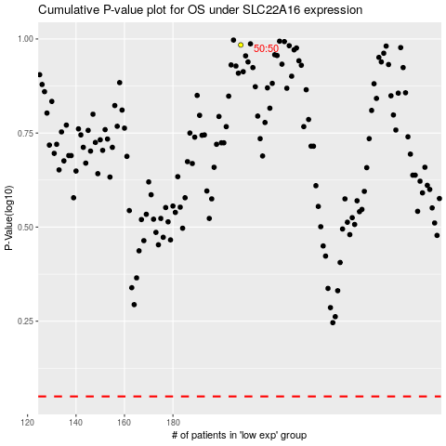

 |  |  |  |  |  | cases_OS | p_OS | rank | exp
 |  |  |  |  |  |  | cases_RFS | p_RFS | rank | exp

