SLC22A18AS _multivariate
Reported by Tex Li-Hsing Chi. tex@gate.sinica.edu.tw 2019-08-16

Table 2. The clinicopathological features of HNSCC cohort and SLC22A18AS expression. (Chi square test)
Cutoff at 0.109 (70.0%)
 |  | SLC22A18AS expression |  | SLC22A18AS expression |  | (Optimised)
 | Features | Low | (%) | High | (%) | Case no | P-value | Remark | Matthews
Gender | Female | 217 | 52.3 | 89 | 21.4 | 415 | 0.5164 | 0 | 0
2 | Male | 73 | 17.6 | 36 | 8.7
Age at diagnosis | <=65y | 190 | 45.8 | 84 | 20.2 | 415 | 0.8266 | 0 | 0
4 | >65y | 100 | 24.1 | 41 | 9.9
Clinical T Status | T1+T2 | 106 | 25.5 | 43 | 10.4 | 415 | 0.7583 | 0 | 0
6 | T3+T4 | 184 | 44.3 | 82 | 19.8
Clinical N Status | N0 | 157 | 37.8 | 59 | 14.2 | 415 | 0.2337 | 0 | 0
8 | N1-3 | 133 | 32 | 66 | 15.9
Clinical M Status | M0 | 288 | 69.4 | 124 | 29.9 | 415 | 1 | 0 | 0
10 | M1 | 2 | 0.5 | 1 | 0.2
Clinical Stage | Stage I+II | 74 | 17.8 | 28 | 6.7 | 415 | 0.5807 | 0 | 0
12 | Stage III+IV | 216 | 52 | 97 | 23.4
Surgical Margin status | Negative | 222 | 53.5 | 96 | 23.1 | 415 | 1 | 0 | 0
14 | Positive | 68 | 16.4 | 29 | 7
Tobacco Exposure | Low | 115 | 27.7 | 46 | 11.1 | 415 | 0.6607 | 0 | 0
16 | High | 175 | 42.2 | 79 | 19

Table 3. Univariate/Multivariate Cox's proportional hazards regression analyses on OS time of SLC22A18AS gene expression in HNSCC

 |  | Univariate |  |  |  | Multivariate
 | Features | HR | CI95%(L) | CI95%(H) | P-value | HR | CI95%(L) | CI95%(H) | P-value
1 | Female | 1 |  |  |  | 1
Gender | Male | 1.157 | 0.843 | 1.587 | 0.367 | 1.176 | 0.841 | 1.643 | 0.343
11 | <=65y | 1 |  |  |  | 1
Age at diagnosis | >65y | 1.329 | 0.99 | 1.784 | 0.058 | 1.406 | 1.036 | 1.908 | 0.029
12 | T1+T2 | 1 |  |  |  | 1
Clinical T Status | T3+T4 | 1.409 | 1.028 | 1.931 | 0.033 | 2.216 | 1.173 | 4.187 | 0.014
13 | N0 | 1 |  |  |  | 1
Clinical N Status | N1-3 | 1.185 | 0.89 | 1.577 | 0.246 | 1.237 | 0.867 | 1.766 | 0.241
14 | M0 | 1 |  |  |  | 1
Clinical M Status | M1 | 4.097 | 1.009 | 16.644 | 0.049 | 9.105 | 1.985 | 41.763 | 0.004
15 | Stage I+II | 1 |  |  |  | 1
Clinical Stage | Stage III+IV | 1.245 | 0.882 | 1.759 | 0.213 | 0.497 | 0.231 | 1.066 | 0.073
16 | Negative | 1 |  |  |  | 1
Surgical Margin status | Positive | 1.591 | 1.155 | 2.191 | 0.004 | 1.652 | 1.195 | 2.284 | 0.002
17 | Low | 1 |  |  |  | 1
Tobacco Exposure | High | 1.364 | 1.008 | 1.844 | 0.044 | 1.429 | 1.037 | 1.969 | 0.029
18 | Low | 1 |  |  |  | 1
RNAseq(z-score) | High | 1.379 | 1.017 | 1.869 | 0.038 | 1.343 | 0.989 | 1.825 | 0.059

Table 4. Univariate/Multivariate Cox's proportional hazards regression analyses on RFS time of SLC22A18AS gene expression in HNSCC

 |  | Univariate |  |  |  | Multivariate
 | Features | HR | CI95%(L) | CI95%(H) | P-value | HR | CI95%(L) | CI95%(H) | P-value
1 | Female | 1 |  |  |  | 1
Gender | Male | 1.157 | 0.843 | 1.587 | 0.367 | 1.176 | 0.841 | 1.643 | 0.343
11 | <=65y | 1 |  |  |  | 1
Age at diagnosis | >65y | 1.329 | 0.99 | 1.784 | 0.058 | 1.406 | 1.036 | 1.908 | 0.029
12 | T1+T2 | 1 |  |  |  | 1
Clinical T Status | T3+T4 | 1.409 | 1.028 | 1.931 | 0.033 | 2.216 | 1.173 | 4.187 | 0.014
13 | N0 | 1 |  |  |  | 1
Clinical N Status | N1-3 | 1.185 | 0.89 | 1.577 | 0.246 | 1.237 | 0.867 | 1.766 | 0.241
14 | M0 | 1 |  |  |  | 1
Clinical M Status | M1 | 4.097 | 1.009 | 16.644 | 0.049 | 9.105 | 1.985 | 41.763 | 0.004
15 | Stage I+II | 1 |  |  |  | 1
Clinical Stage | Stage III+IV | 1.245 | 0.882 | 1.759 | 0.213 | 0.497 | 0.231 | 1.066 | 0.073
16 | Negative | 1 |  |  |  | 1
Surgical Margin status | Positive | 1.591 | 1.155 | 2.191 | 0.004 | 1.652 | 1.195 | 2.284 | 0.002
17 | Low | 1 |  |  |  | 1
Tobacco Exposure | High | 1.364 | 1.008 | 1.844 | 0.044 | 1.429 | 1.037 | 1.969 | 0.029
18 | Low | 1 |  |  |  | 1
RNAseq(z-score) | High | 1.379 | 1.017 | 1.869 | 0.038 | 1.343 | 0.989 | 1.825 | 0.059

Kaplan-Meier survival estimate: Cutoff at 0.109 (70.0%)

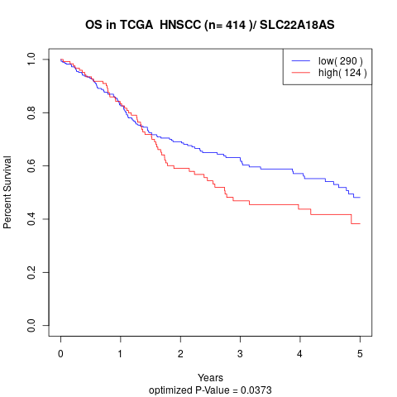

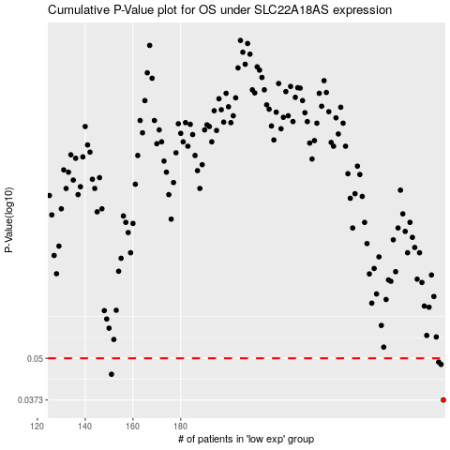

 |  |  |  |  |  | cases_OS | p_OS | rank | exp
 |  |  |  |  |  | 290 | 0.0373 | 378 | 0.10885447369
 |  |  |  |  |  | 151 | 0.0447 | 237 | -0.50287549347
 |  |  |  |  |  | 289 | 0.0479 | 126 | 0.10784370738
 |  |  |  |  |  | 288 | 0.0487 | 154 | 0.10763749753
 |  |  |  |  |  |  | cases_RFS | p_RFS | rank | exp
 |  |  |  |  |  |  | 289 | 0.0373 | 126 | 0.10784370738
 |  |  |  |  |  |  | 150 | 0.0447 | 368 | -0.50410261109
 |  |  |  |  |  |  | 288 | 0.0479 | 154 | 0.10763749753
 |  |  |  |  |  |  | 287 | 0.0487 | 235 | 0.09867920083

