SLC22A20 _multivariate
Reported by Tex Li-Hsing Chi. tex@gate.sinica.edu.tw 2019-08-16

Table 2. The clinicopathological features of HNSCC cohort and SLC22A20 expression. (Chi square test)
Cutoff at -0.454 (47.6%)
 |  | SLC22A20 expression |  | SLC22A20 expression |  | (Optimised)
 | Features | Low | (%) | High | (%) | Case no | P-value | Remark | Matthews
Gender | Female | 138 | 33.3 | 168 | 40.5 | 415 | 0.0942 | 0 | 0
2 | Male | 60 | 14.5 | 49 | 11.8
Age at diagnosis | <=65y | 119 | 28.7 | 155 | 37.3 | 415 | 0.0198 | 1 | 0
4 | >65y | 79 | 19 | 62 | 14.9
Clinical T Status | T1+T2 | 80 | 19.3 | 69 | 16.6 | 415 | 0.0849 | 0 | 0
6 | T3+T4 | 118 | 28.4 | 148 | 35.7
Clinical N Status | N0 | 95 | 22.9 | 121 | 29.2 | 415 | 0.1372 | 0 | 0
8 | N1-3 | 103 | 24.8 | 96 | 23.1
Clinical M Status | M0 | 195 | 47 | 217 | 52.3 | 415 | 0.1077 | 0 | 0
10 | M1 | 3 | 0.7 | 0 | 0
Clinical Stage | Stage I+II | 54 | 13 | 48 | 11.6 | 415 | 0.2697 | 0 | 0
12 | Stage III+IV | 144 | 34.7 | 169 | 40.7
Surgical Margin status | Negative | 149 | 35.9 | 169 | 40.7 | 415 | 0.5624 | 0 | 0
14 | Positive | 49 | 11.8 | 48 | 11.6
Tobacco Exposure | Low | 83 | 20 | 78 | 18.8 | 415 | 0.2271 | 0 | 0
16 | High | 115 | 27.7 | 139 | 33.5

Table 3. Univariate/Multivariate Cox's proportional hazards regression analyses on OS time of SLC22A20 gene expression in HNSCC

 |  | Univariate |  |  |  | Multivariate
 | Features | HR | CI95%(L) | CI95%(H) | P-value | HR | CI95%(L) | CI95%(H) | P-value
1 | Female | 1 |  |  |  | 1
Gender | Male | 1.157 | 0.843 | 1.587 | 0.367 | 1.169 | 0.836 | 1.636 | 0.362
11 | <=65y | 1 |  |  |  | 1
Age at diagnosis | >65y | 1.329 | 0.99 | 1.784 | 0.058 | 1.358 | 0.998 | 1.848 | 0.051
12 | T1+T2 | 1 |  |  |  | 1
Clinical T Status | T3+T4 | 1.409 | 1.028 | 1.931 | 0.033 | 2.244 | 1.187 | 4.242 | 0.013
13 | N0 | 1 |  |  |  | 1
Clinical N Status | N1-3 | 1.185 | 0.89 | 1.577 | 0.246 | 1.197 | 0.838 | 1.711 | 0.323
14 | M0 | 1 |  |  |  | 1
Clinical M Status | M1 | 4.097 | 1.009 | 16.644 | 0.049 | 8.285 | 1.798 | 38.176 | 0.007
15 | Stage I+II | 1 |  |  |  | 1
Clinical Stage | Stage III+IV | 1.245 | 0.882 | 1.759 | 0.213 | 0.524 | 0.244 | 1.125 | 0.097
16 | Negative | 1 |  |  |  | 1
Surgical Margin status | Positive | 1.591 | 1.155 | 2.191 | 0.004 | 1.661 | 1.203 | 2.295 | 0.002
17 | Low | 1 |  |  |  | 1
Tobacco Exposure | High | 1.364 | 1.008 | 1.844 | 0.044 | 1.46 | 1.059 | 2.014 | 0.021
18 | Low | 1 |  |  |  | 1
RNAseq(z-score) | High | 0.747 | 0.559 | 0.996 | 0.047 | 0.764 | 0.567 | 1.028 | 0.075

Table 4. Univariate/Multivariate Cox's proportional hazards regression analyses on RFS time of SLC22A20 gene expression in HNSCC

 |  | Univariate |  |  |  | Multivariate
 | Features | HR | CI95%(L) | CI95%(H) | P-value | HR | CI95%(L) | CI95%(H) | P-value
1 | Female | 1 |  |  |  | 1
Gender | Male | 1.157 | 0.843 | 1.587 | 0.367 | 1.169 | 0.836 | 1.636 | 0.362
11 | <=65y | 1 |  |  |  | 1
Age at diagnosis | >65y | 1.329 | 0.99 | 1.784 | 0.058 | 1.358 | 0.998 | 1.848 | 0.051
12 | T1+T2 | 1 |  |  |  | 1
Clinical T Status | T3+T4 | 1.409 | 1.028 | 1.931 | 0.033 | 2.244 | 1.187 | 4.242 | 0.013
13 | N0 | 1 |  |  |  | 1
Clinical N Status | N1-3 | 1.185 | 0.89 | 1.577 | 0.246 | 1.197 | 0.838 | 1.711 | 0.323
14 | M0 | 1 |  |  |  | 1
Clinical M Status | M1 | 4.097 | 1.009 | 16.644 | 0.049 | 8.285 | 1.798 | 38.176 | 0.007
15 | Stage I+II | 1 |  |  |  | 1
Clinical Stage | Stage III+IV | 1.245 | 0.882 | 1.759 | 0.213 | 0.524 | 0.244 | 1.125 | 0.097
16 | Negative | 1 |  |  |  | 1
Surgical Margin status | Positive | 1.591 | 1.155 | 2.191 | 0.004 | 1.661 | 1.203 | 2.295 | 0.002
17 | Low | 1 |  |  |  | 1
Tobacco Exposure | High | 1.364 | 1.008 | 1.844 | 0.044 | 1.46 | 1.059 | 2.014 | 0.021
18 | Low | 1 |  |  |  | 1
RNAseq(z-score) | High | 0.747 | 0.559 | 0.996 | 0.047 | 0.764 | 0.567 | 1.028 | 0.075

Kaplan-Meier survival estimate: Cutoff at -0.454 (47.6%)



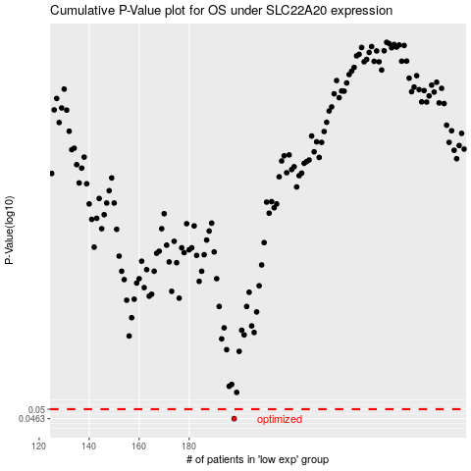

 |  |  |  |  |  | cases_OS | p_OS | rank | exp
 |  |  |  |  |  | 198 | 0.0463 | 128 | -0.45439828916
 |  |  |  |  |  |  | cases_RFS | p_RFS | rank | exp
 |  |  |  |  |  |  | 197 | 0.0463 | 207 | -0.45962551171

