SLC22A3 _multivariate
Reported by Tex Li-Hsing Chi. tex@gate.sinica.edu.tw 2019-08-16

Table 2. The clinicopathological features of HNSCC cohort and SLC22A3 expression. (Chi square test)
Cutoff at -0.318 (50.0%)
 |  | SLC22A3 expression |  | SLC22A3 expression |  | (Optimised)
 | Features | Low | (%) | High | (%) | Case no | P-value | Remark | Matthews
Gender | Female | 159 | 38.3 | 147 | 35.4 | 415 | 0.1905 | 0 | 0
2 | Male | 48 | 11.6 | 61 | 14.7
Age at diagnosis | <=65y | 132 | 31.8 | 142 | 34.2 | 415 | 0.3874 | 0 | 0
4 | >65y | 75 | 18.1 | 66 | 15.9
Clinical T Status | T1+T2 | 63 | 15.2 | 86 | 20.7 | 415 | 0.0268 | 1 | 0
6 | T3+T4 | 144 | 34.7 | 122 | 29.4
Clinical N Status | N0 | 102 | 24.6 | 114 | 27.5 | 415 | 0.3031 | 0 | 0
8 | N1-3 | 105 | 25.3 | 94 | 22.7
Clinical M Status | M0 | 207 | 49.9 | 205 | 49.4 | 415 | 0.2482 | 0 | 0
10 | M1 | 0 | 0 | 3 | 0.7
Clinical Stage | Stage I+II | 38 | 9.2 | 64 | 15.4 | 415 | 0.0048 | 1 | 0
12 | Stage III+IV | 169 | 40.7 | 144 | 34.7
Surgical Margin status | Negative | 157 | 37.8 | 161 | 38.8 | 415 | 0.729 | 0 | 0
14 | Positive | 50 | 12 | 47 | 11.3
Tobacco Exposure | Low | 70 | 16.9 | 91 | 21.9 | 415 | 0.0439 | 1 | 0
16 | High | 137 | 33 | 117 | 28.2

Table 3. Univariate/Multivariate Cox's proportional hazards regression analyses on OS time of SLC22A3 gene expression in HNSCC

 |  | Univariate |  |  |  | Multivariate
 | Features | HR | CI95%(L) | CI95%(H) | P-value | HR | CI95%(L) | CI95%(H) | P-value
1 | Female | 1 |  |  |  | 1
Gender | Male | 1.157 | 0.843 | 1.587 | 0.367 | 1.187 | 0.848 | 1.662 | 0.318
11 | <=65y | 1 |  |  |  | 1
Age at diagnosis | >65y | 1.329 | 0.99 | 1.784 | 0.058 | 1.4 | 1.03 | 1.903 | 0.032
12 | T1+T2 | 1 |  |  |  | 1
Clinical T Status | T3+T4 | 1.409 | 1.028 | 1.931 | 0.033 | 2.198 | 1.163 | 4.156 | 0.015
13 | N0 | 1 |  |  |  | 1
Clinical N Status | N1-3 | 1.185 | 0.89 | 1.577 | 0.246 | 1.234 | 0.865 | 1.761 | 0.246
14 | M0 | 1 |  |  |  | 1
Clinical M Status | M1 | 4.097 | 1.009 | 16.644 | 0.049 | 8.891 | 1.921 | 41.15 | 0.005
15 | Stage I+II | 1 |  |  |  | 1
Clinical Stage | Stage III+IV | 1.245 | 0.882 | 1.759 | 0.213 | 0.521 | 0.241 | 1.127 | 0.098
16 | Negative | 1 |  |  |  | 1
Surgical Margin status | Positive | 1.591 | 1.155 | 2.191 | 0.004 | 1.662 | 1.202 | 2.297 | 0.002
17 | Low | 1 |  |  |  | 1
Tobacco Exposure | High | 1.364 | 1.008 | 1.844 | 0.044 | 1.467 | 1.064 | 2.024 | 0.019
18 | Low | 1 |  |  |  | 1
RNAseq(z-score) | High | 1.061 | 0.797 | 1.413 | 0.686 | 1.102 | 0.813 | 1.493 | 0.531

Table 4. Univariate/Multivariate Cox's proportional hazards regression analyses on RFS time of SLC22A3 gene expression in HNSCC

 |  | Univariate |  |  |  | Multivariate
 | Features | HR | CI95%(L) | CI95%(H) | P-value | HR | CI95%(L) | CI95%(H) | P-value
1 | Female | 1 |  |  |  | 1
Gender | Male | 1.157 | 0.843 | 1.587 | 0.367 | 1.187 | 0.848 | 1.662 | 0.318
11 | <=65y | 1 |  |  |  | 1
Age at diagnosis | >65y | 1.329 | 0.99 | 1.784 | 0.058 | 1.4 | 1.03 | 1.903 | 0.032
12 | T1+T2 | 1 |  |  |  | 1
Clinical T Status | T3+T4 | 1.409 | 1.028 | 1.931 | 0.033 | 2.198 | 1.163 | 4.156 | 0.015
13 | N0 | 1 |  |  |  | 1
Clinical N Status | N1-3 | 1.185 | 0.89 | 1.577 | 0.246 | 1.234 | 0.865 | 1.761 | 0.246
14 | M0 | 1 |  |  |  | 1
Clinical M Status | M1 | 4.097 | 1.009 | 16.644 | 0.049 | 8.891 | 1.921 | 41.15 | 0.005
15 | Stage I+II | 1 |  |  |  | 1
Clinical Stage | Stage III+IV | 1.245 | 0.882 | 1.759 | 0.213 | 0.521 | 0.241 | 1.127 | 0.098
16 | Negative | 1 |  |  |  | 1
Surgical Margin status | Positive | 1.591 | 1.155 | 2.191 | 0.004 | 1.662 | 1.202 | 2.297 | 0.002
17 | Low | 1 |  |  |  | 1
Tobacco Exposure | High | 1.364 | 1.008 | 1.844 | 0.044 | 1.467 | 1.064 | 2.024 | 0.019
18 | Low | 1 |  |  |  | 1
RNAseq(z-score) | High | 1.061 | 0.797 | 1.413 | 0.686 | 1.102 | 0.813 | 1.493 | 0.531

Kaplan-Meier survival estimate: Cutoff at -0.318 (50.0%)



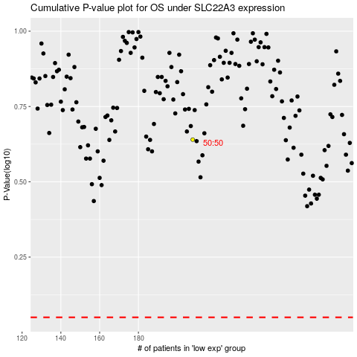

 |  |  |  |  |  | cases_OS | p_OS | rank | exp
 |  |  |  |  |  |  | cases_RFS | p_RFS | rank | exp

