SLC22A4 _multivariate
Reported by Tex Li-Hsing Chi. tex@gate.sinica.edu.tw 2019-08-16

Table 2. The clinicopathological features of HNSCC cohort and SLC22A4 expression. (Chi square test)
Cutoff at -0.3 (36.5%)
 |  | SLC22A4 expression |  | SLC22A4 expression |  | (Optimised)
 | Features | Low | (%) | High | (%) | Case no | P-value | Remark | Matthews
Gender | Female | 113 | 27.2 | 193 | 46.5 | 415 | 0.7879 | 0 | 0
2 | Male | 38 | 9.2 | 71 | 17.1
Age at diagnosis | <=65y | 96 | 23.1 | 178 | 42.9 | 415 | 0.4911 | 0 | 0
4 | >65y | 55 | 13.3 | 86 | 20.7
Clinical T Status | T1+T2 | 50 | 12 | 99 | 23.9 | 415 | 0.4295 | 0 | 0
6 | T3+T4 | 101 | 24.3 | 165 | 39.8
Clinical N Status | N0 | 83 | 20 | 133 | 32 | 415 | 0.4249 | 0 | 0
8 | N1-3 | 68 | 16.4 | 131 | 31.6
Clinical M Status | M0 | 150 | 36.1 | 262 | 63.1 | 415 | 1 | 0 | 0
10 | M1 | 1 | 0.2 | 2 | 0.5
Clinical Stage | Stage I+II | 33 | 8 | 69 | 16.6 | 415 | 0.3919 | 0 | 0
12 | Stage III+IV | 118 | 28.4 | 195 | 47
Surgical Margin status | Negative | 117 | 28.2 | 201 | 48.4 | 415 | 0.81 | 0 | 0
14 | Positive | 34 | 8.2 | 63 | 15.2
Tobacco Exposure | Low | 59 | 14.2 | 102 | 24.6 | 415 | 1 | 0 | 0
16 | High | 92 | 22.2 | 162 | 39

Table 3. Univariate/Multivariate Cox's proportional hazards regression analyses on OS time of SLC22A4 gene expression in HNSCC

 |  | Univariate |  |  |  | Multivariate
 | Features | HR | CI95%(L) | CI95%(H) | P-value | HR | CI95%(L) | CI95%(H) | P-value
1 | Female | 1 |  |  |  | 1
Gender | Male | 1.157 | 0.843 | 1.587 | 0.367 | 1.204 | 0.862 | 1.682 | 0.275
11 | <=65y | 1 |  |  |  | 1
Age at diagnosis | >65y | 1.329 | 0.99 | 1.784 | 0.058 | 1.393 | 1.024 | 1.895 | 0.035
12 | T1+T2 | 1 |  |  |  | 1
Clinical T Status | T3+T4 | 1.409 | 1.028 | 1.931 | 0.033 | 2.103 | 1.11 | 3.985 | 0.023
13 | N0 | 1 |  |  |  | 1
Clinical N Status | N1-3 | 1.185 | 0.89 | 1.577 | 0.246 | 1.177 | 0.823 | 1.683 | 0.372
14 | M0 | 1 |  |  |  | 1
Clinical M Status | M1 | 4.097 | 1.009 | 16.644 | 0.049 | 9.208 | 2.009 | 42.199 | 0.004
15 | Stage I+II | 1 |  |  |  | 1
Clinical Stage | Stage III+IV | 1.245 | 0.882 | 1.759 | 0.213 | 0.552 | 0.256 | 1.189 | 0.129
16 | Negative | 1 |  |  |  | 1
Surgical Margin status | Positive | 1.591 | 1.155 | 2.191 | 0.004 | 1.641 | 1.188 | 2.267 | 0.003
17 | Low | 1 |  |  |  | 1
Tobacco Exposure | High | 1.364 | 1.008 | 1.844 | 0.044 | 1.466 | 1.064 | 2.02 | 0.019
18 | Low | 1 |  |  |  | 1
RNAseq(z-score) | High | 1.472 | 1.075 | 2.017 | 0.016 | 1.434 | 1.043 | 1.97 | 0.026

Table 4. Univariate/Multivariate Cox's proportional hazards regression analyses on RFS time of SLC22A4 gene expression in HNSCC

 |  | Univariate |  |  |  | Multivariate
 | Features | HR | CI95%(L) | CI95%(H) | P-value | HR | CI95%(L) | CI95%(H) | P-value
1 | Female | 1 |  |  |  | 1
Gender | Male | 1.157 | 0.843 | 1.587 | 0.367 | 1.204 | 0.862 | 1.682 | 0.275
11 | <=65y | 1 |  |  |  | 1
Age at diagnosis | >65y | 1.329 | 0.99 | 1.784 | 0.058 | 1.393 | 1.024 | 1.895 | 0.035
12 | T1+T2 | 1 |  |  |  | 1
Clinical T Status | T3+T4 | 1.409 | 1.028 | 1.931 | 0.033 | 2.103 | 1.11 | 3.985 | 0.023
13 | N0 | 1 |  |  |  | 1
Clinical N Status | N1-3 | 1.185 | 0.89 | 1.577 | 0.246 | 1.177 | 0.823 | 1.683 | 0.372
14 | M0 | 1 |  |  |  | 1
Clinical M Status | M1 | 4.097 | 1.009 | 16.644 | 0.049 | 9.208 | 2.009 | 42.199 | 0.004
15 | Stage I+II | 1 |  |  |  | 1
Clinical Stage | Stage III+IV | 1.245 | 0.882 | 1.759 | 0.213 | 0.552 | 0.256 | 1.189 | 0.129
16 | Negative | 1 |  |  |  | 1
Surgical Margin status | Positive | 1.591 | 1.155 | 2.191 | 0.004 | 1.641 | 1.188 | 2.267 | 0.003
17 | Low | 1 |  |  |  | 1
Tobacco Exposure | High | 1.364 | 1.008 | 1.844 | 0.044 | 1.466 | 1.064 | 2.02 | 0.019
18 | Low | 1 |  |  |  | 1
RNAseq(z-score) | High | 1.472 | 1.075 | 2.017 | 0.016 | 1.434 | 1.043 | 1.97 | 0.026

Kaplan-Meier survival estimate: Cutoff at -0.3 (36.5%)

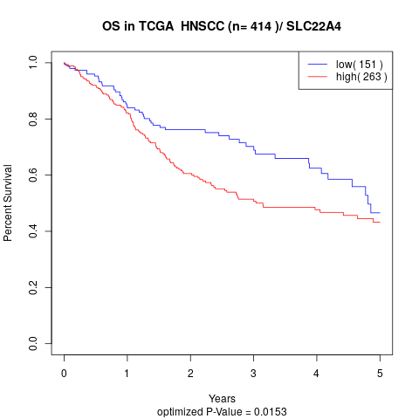

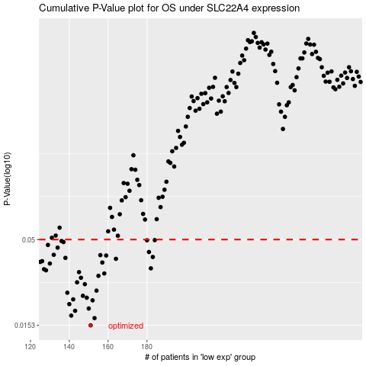

 |  |  |  |  |  | cases_OS | p_OS | rank | exp
 |  |  |  |  |  | 151 | 0.0153 | 204 | -0.30029072138
 |  |  |  |  |  | 153 | 0.0169 | 43 | -0.29713728464
 |  |  |  |  |  | 141 | 0.0175 | 371 | -0.31714349192
 |  |  |  |  |  | 143 | 0.0187 | 281 | -0.31464306042
 |  |  |  |  |  | 150 | 0.0193 | 347 | -0.30164770487
 |  |  |  |  |  | 140 | 0.0205 | 340 | -0.31874018619
 |  |  |  |  |  | 152 | 0.0216 | 60 | -0.29848462458
 |  |  |  |  |  | 142 | 0.0219 | 293 | -0.31580028491
 |  |  |  |  |  | 149 | 0.0224 | 53 | -0.3020458452
 |  |  |  |  |  | 147 | 0.023 | 55 | -0.30507804891
 |  |  |  |  |  | 139 | 0.024 | 320 | -0.31957090806
 |  |  |  |  |  | 154 | 0.0247 | 209 | -0.29642366286
 |  |  |  |  |  | 148 | 0.027 | 95 | -0.30412196105
 |  |  |  |  |  | 144 | 0.0277 | 278 | -0.31142625185
 |  |  |  |  |  | 146 | 0.0295 | 166 | -0.3070067564
 |  |  |  |  |  | 155 | 0.0303 | 186 | -0.29394665139
 |  |  |  |  |  | 158 | 0.0313 | 220 | -0.2808273075
 |  |  |  |  |  | 145 | 0.0319 | 46 | -0.30998936477
 |  |  |  |  |  | 128 | 0.0327 | 289 | -0.34358056103
 |  |  |  |  |  | 127 | 0.0332 | 291 | -0.34615400788
 |  |  |  |  |  | 182 | 0.0336 | 266 | -0.19611434153
 |  |  |  |  |  | 130 | 0.0359 | 115 | -0.3415306205
 |  |  |  |  |  | 157 | 0.0364 | 5 | -0.28124060196
 |  |  |  |  |  | 125 | 0.0367 | 259 | -0.35218810703
 |  |  |  |  |  | 126 | 0.0371 | 24 | -0.3519470186
 |  |  |  |  |  | 164 | 0.0383 | 261 | -0.25093096373
 |  |  |  |  |  | 138 | 0.0388 | 26 | -0.32044020408
 |  |  |  |  |  | 183 | 0.0393 | 325 | -0.19481935221
 |  |  |  |  |  | 159 | 0.0401 | 217 | -0.27842744432
 |  |  |  |  |  | 156 | 0.0403 | 307 | -0.29319721076
 |  |  |  |  |  | 132 | 0.0405 | 373 | -0.33465477829
 |  |  |  |  |  | 181 | 0.0421 | 149 | -0.20473704167
 |  |  |  |  |  | 134 | 0.0447 | 326 | -0.33086762336
 |  |  |  |  |  | 129 | 0.0464 | 50 | -0.34346621623
 |  |  |  |  |  | 137 | 0.0483 | 112 | -0.32402071177
 |  |  |  |  |  | 136 | 0.049 | 154 | -0.32733395571
 |  |  |  |  |  | 180 | 0.0495 | 334 | -0.21151782615
 |  |  |  |  |  | 184 | 0.0496 | 199 | -0.18396348433
 |  |  |  |  |  |  | cases_RFS | p_RFS | rank | exp
 |  |  |  |  |  |  | 150 | 0.0153 | 347 | -0.30164770487
 |  |  |  |  |  |  | 152 | 0.0169 | 60 | -0.29848462458
 |  |  |  |  |  |  | 140 | 0.0175 | 340 | -0.31874018619
 |  |  |  |  |  |  | 142 | 0.0187 | 293 | -0.31580028491
 |  |  |  |  |  |  | 149 | 0.0193 | 53 | -0.3020458452
 |  |  |  |  |  |  | 139 | 0.0205 | 320 | -0.31957090806
 |  |  |  |  |  |  | 151 | 0.0216 | 204 | -0.30029072138
 |  |  |  |  |  |  | 141 | 0.0219 | 371 | -0.31714349192
 |  |  |  |  |  |  | 148 | 0.0224 | 95 | -0.30412196105
 |  |  |  |  |  |  | 146 | 0.023 | 166 | -0.3070067564
 |  |  |  |  |  |  | 138 | 0.024 | 26 | -0.32044020408
 |  |  |  |  |  |  | 153 | 0.0247 | 43 | -0.29713728464
 |  |  |  |  |  |  | 147 | 0.027 | 55 | -0.30507804891
 |  |  |  |  |  |  | 143 | 0.0277 | 281 | -0.31464306042
 |  |  |  |  |  |  | 145 | 0.0295 | 46 | -0.30998936477
 |  |  |  |  |  |  | 154 | 0.0303 | 209 | -0.29642366286
 |  |  |  |  |  |  | 157 | 0.0313 | 5 | -0.28124060196
 |  |  |  |  |  |  | 144 | 0.0319 | 278 | -0.31142625185
 |  |  |  |  |  |  | 127 | 0.0327 | 291 | -0.34615400788
 |  |  |  |  |  |  | 126 | 0.0332 | 24 | -0.3519470186
 |  |  |  |  |  |  | 181 | 0.0336 | 149 | -0.20473704167
 |  |  |  |  |  |  | 129 | 0.0359 | 50 | -0.34346621623
 |  |  |  |  |  |  | 156 | 0.0364 | 307 | -0.29319721076
 |  |  |  |  |  |  |  | 0.0367 | 150 | -0.35453837488
 |  |  |  |  |  |  | 125 | 0.0371 | 259 | -0.35218810703
 |  |  |  |  |  |  | 163 | 0.0383 | 183 | -0.25403480515
 |  |  |  |  |  |  | 137 | 0.0388 | 112 | -0.32402071177
 |  |  |  |  |  |  | 182 | 0.0393 | 266 | -0.19611434153
 |  |  |  |  |  |  | 158 | 0.0401 | 220 | -0.2808273075
 |  |  |  |  |  |  | 155 | 0.0403 | 186 | -0.29394665139
 |  |  |  |  |  |  | 131 | 0.0405 | 44 | -0.33474294778
 |  |  |  |  |  |  | 180 | 0.0421 | 334 | -0.21151782615
 |  |  |  |  |  |  | 133 | 0.0447 | 407 | -0.3314944533
 |  |  |  |  |  |  | 128 | 0.0464 | 289 | -0.34358056103
 |  |  |  |  |  |  | 136 | 0.0483 | 154 | -0.32733395571
 |  |  |  |  |  |  | 135 | 0.049 | 83 | -0.32866614153
 |  |  |  |  |  |  | 179 | 0.0495 | 32 | -0.21309661099
 |  |  |  |  |  |  | 183 | 0.0496 | 325 | -0.19481935221

