SLC24A1 _multivariate
Reported by Tex Li-Hsing Chi. tex@gate.sinica.edu.tw 2019-08-16

Table 2. The clinicopathological features of HNSCC cohort and SLC24A1 expression. (Chi square test)
Cutoff at -0.192 (49.8%)
 |  | SLC24A1 expression |  | SLC24A1 expression |  | (Optimised)
 | Features | Low | (%) | High | (%) | Case no | P-value | Remark | Matthews
Gender | Female | 153 | 36.9 | 153 | 36.9 | 415 | 1 | 0 | 0
2 | Male | 54 | 13 | 55 | 13.3
Age at diagnosis | <=65y | 136 | 32.8 | 138 | 33.3 | 415 | 0.9719 | 0 | 0
4 | >65y | 71 | 17.1 | 70 | 16.9
Clinical T Status | T1+T2 | 71 | 17.1 | 78 | 18.8 | 415 | 0.5638 | 0 | 0
6 | T3+T4 | 136 | 32.8 | 130 | 31.3
Clinical N Status | N0 | 98 | 23.6 | 118 | 28.4 | 415 | 0.0694 | 0 | 0
8 | N1-3 | 109 | 26.3 | 90 | 21.7
Clinical M Status | M0 | 206 | 49.6 | 206 | 49.6 | 415 | 1 | 0 | 0
10 | M1 | 1 | 0.2 | 2 | 0.5
Clinical Stage | Stage I+II | 49 | 11.8 | 53 | 12.8 | 415 | 0.7535 | 0 | 0
12 | Stage III+IV | 158 | 38.1 | 155 | 37.3
Surgical Margin status | Negative | 164 | 39.5 | 154 | 37.1 | 415 | 0.2462 | 0 | 0
14 | Positive | 43 | 10.4 | 54 | 13
Tobacco Exposure | Low | 75 | 18.1 | 86 | 20.7 | 415 | 0.3141 | 0 | 0
16 | High | 132 | 31.8 | 122 | 29.4

Table 3. Univariate/Multivariate Cox's proportional hazards regression analyses on OS time of SLC24A1 gene expression in HNSCC

 |  | Univariate |  |  |  | Multivariate
 | Features | HR | CI95%(L) | CI95%(H) | P-value | HR | CI95%(L) | CI95%(H) | P-value
1 | Female | 1 |  |  |  | 1
Gender | Male | 1.157 | 0.843 | 1.587 | 0.367 | 1.217 | 0.87 | 1.702 | 0.251
11 | <=65y | 1 |  |  |  | 1
Age at diagnosis | >65y | 1.329 | 0.99 | 1.784 | 0.058 | 1.41 | 1.036 | 1.921 | 0.029
12 | T1+T2 | 1 |  |  |  | 1
Clinical T Status | T3+T4 | 1.409 | 1.028 | 1.931 | 0.033 | 2.254 | 1.19 | 4.267 | 0.013
13 | N0 | 1 |  |  |  | 1
Clinical N Status | N1-3 | 1.185 | 0.89 | 1.577 | 0.246 | 1.282 | 0.893 | 1.839 | 0.178
14 | M0 | 1 |  |  |  | 1
Clinical M Status | M1 | 4.097 | 1.009 | 16.644 | 0.049 | 9.389 | 2.048 | 43.053 | 0.004
15 | Stage I+II | 1 |  |  |  | 1
Clinical Stage | Stage III+IV | 1.245 | 0.882 | 1.759 | 0.213 | 0.489 | 0.227 | 1.052 | 0.067
16 | Negative | 1 |  |  |  | 1
Surgical Margin status | Positive | 1.591 | 1.155 | 2.191 | 0.004 | 1.659 | 1.2 | 2.293 | 0.002
17 | Low | 1 |  |  |  | 1
Tobacco Exposure | High | 1.364 | 1.008 | 1.844 | 0.044 | 1.483 | 1.073 | 2.049 | 0.017
18 | Low | 1 |  |  |  | 1
RNAseq(z-score) | High | 1.08 | 0.81 | 1.438 | 0.601 | 1.176 | 0.875 | 1.581 | 0.282

Table 4. Univariate/Multivariate Cox's proportional hazards regression analyses on RFS time of SLC24A1 gene expression in HNSCC

 |  | Univariate |  |  |  | Multivariate
 | Features | HR | CI95%(L) | CI95%(H) | P-value | HR | CI95%(L) | CI95%(H) | P-value
1 | Female | 1 |  |  |  | 1
Gender | Male | 1.157 | 0.843 | 1.587 | 0.367 | 1.217 | 0.87 | 1.702 | 0.251
11 | <=65y | 1 |  |  |  | 1
Age at diagnosis | >65y | 1.329 | 0.99 | 1.784 | 0.058 | 1.41 | 1.036 | 1.921 | 0.029
12 | T1+T2 | 1 |  |  |  | 1
Clinical T Status | T3+T4 | 1.409 | 1.028 | 1.931 | 0.033 | 2.254 | 1.19 | 4.267 | 0.013
13 | N0 | 1 |  |  |  | 1
Clinical N Status | N1-3 | 1.185 | 0.89 | 1.577 | 0.246 | 1.282 | 0.893 | 1.839 | 0.178
14 | M0 | 1 |  |  |  | 1
Clinical M Status | M1 | 4.097 | 1.009 | 16.644 | 0.049 | 9.389 | 2.048 | 43.053 | 0.004
15 | Stage I+II | 1 |  |  |  | 1
Clinical Stage | Stage III+IV | 1.245 | 0.882 | 1.759 | 0.213 | 0.489 | 0.227 | 1.052 | 0.067
16 | Negative | 1 |  |  |  | 1
Surgical Margin status | Positive | 1.591 | 1.155 | 2.191 | 0.004 | 1.659 | 1.2 | 2.293 | 0.002
17 | Low | 1 |  |  |  | 1
Tobacco Exposure | High | 1.364 | 1.008 | 1.844 | 0.044 | 1.483 | 1.073 | 2.049 | 0.017
18 | Low | 1 |  |  |  | 1
RNAseq(z-score) | High | 1.08 | 0.81 | 1.438 | 0.601 | 1.176 | 0.875 | 1.581 | 0.282

Kaplan-Meier survival estimate: Cutoff at -0.192 (49.8%)



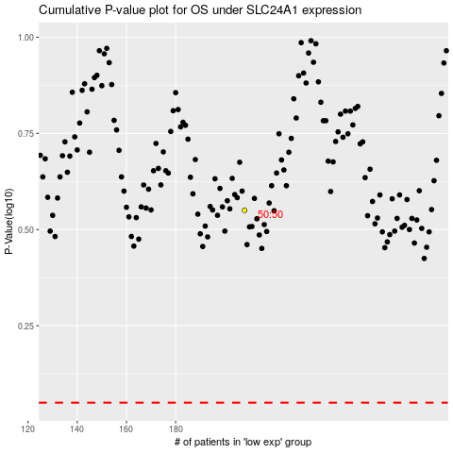

 |  |  |  |  |  | cases_OS | p_OS | rank | exp
 |  |  |  |  |  |  | cases_RFS | p_RFS | rank | exp

