SLC24A2 _multivariate
Reported by Tex Li-Hsing Chi. tex@gate.sinica.edu.tw 2019-08-16

Table 2. The clinicopathological features of HNSCC cohort and SLC24A2 expression. (Chi square test)
Cutoff at -0.255 (49.8%)
 |  | SLC24A2 expression |  | SLC24A2 expression |  | (Optimised)
 | Features | Low | (%) | High | (%) | Case no | P-value | Remark | Matthews
Gender | Female | 147 | 35.4 | 159 | 38.3 | 415 | 0.2523 | 0 | 0
2 | Male | 60 | 14.5 | 49 | 11.8
Age at diagnosis | <=65y | 139 | 33.5 | 135 | 32.5 | 415 | 0.7044 | 0 | 0
4 | >65y | 68 | 16.4 | 73 | 17.6
Clinical T Status | T1+T2 | 79 | 19 | 70 | 16.9 | 415 | 0.3924 | 0 | 0
6 | T3+T4 | 128 | 30.8 | 138 | 33.3
Clinical N Status | N0 | 107 | 25.8 | 109 | 26.3 | 415 | 0.9624 | 0 | 0
8 | N1-3 | 100 | 24.1 | 99 | 23.9
Clinical M Status | M0 | 204 | 49.2 | 208 | 50.1 | 415 | 0.1232 | 0 | 0
10 | M1 | 3 | 0.7 | 0 | 0
Clinical Stage | Stage I+II | 48 | 11.6 | 54 | 13 | 415 | 0.5878 | 0 | 0
12 | Stage III+IV | 159 | 38.3 | 154 | 37.1
Surgical Margin status | Negative | 158 | 38.1 | 160 | 38.6 | 415 | 0.9081 | 0 | 0
14 | Positive | 49 | 11.8 | 48 | 11.6
Tobacco Exposure | Low | 85 | 20.5 | 76 | 18.3 | 415 | 0.3655 | 0 | 0
16 | High | 122 | 29.4 | 132 | 31.8

Table 3. Univariate/Multivariate Cox's proportional hazards regression analyses on OS time of SLC24A2 gene expression in HNSCC

 |  | Univariate |  |  |  | Multivariate
 | Features | HR | CI95%(L) | CI95%(H) | P-value | HR | CI95%(L) | CI95%(H) | P-value
1 | Female | 1 |  |  |  | 1
Gender | Male | 1.157 | 0.843 | 1.587 | 0.367 | 1.207 | 0.864 | 1.685 | 0.271
11 | <=65y | 1 |  |  |  | 1
Age at diagnosis | >65y | 1.329 | 0.99 | 1.784 | 0.058 | 1.395 | 1.026 | 1.897 | 0.034
12 | T1+T2 | 1 |  |  |  | 1
Clinical T Status | T3+T4 | 1.409 | 1.028 | 1.931 | 0.033 | 2.158 | 1.138 | 4.092 | 0.019
13 | N0 | 1 |  |  |  | 1
Clinical N Status | N1-3 | 1.185 | 0.89 | 1.577 | 0.246 | 1.238 | 0.868 | 1.766 | 0.239
14 | M0 | 1 |  |  |  | 1
Clinical M Status | M1 | 4.097 | 1.009 | 16.644 | 0.049 | 9.717 | 2.113 | 44.69 | 0.003
15 | Stage I+II | 1 |  |  |  | 1
Clinical Stage | Stage III+IV | 1.245 | 0.882 | 1.759 | 0.213 | 0.516 | 0.24 | 1.112 | 0.091
16 | Negative | 1 |  |  |  | 1
Surgical Margin status | Positive | 1.591 | 1.155 | 2.191 | 0.004 | 1.672 | 1.21 | 2.31 | 0.002
17 | Low | 1 |  |  |  | 1
Tobacco Exposure | High | 1.364 | 1.008 | 1.844 | 0.044 | 1.452 | 1.054 | 2.001 | 0.023
18 | Low | 1 |  |  |  | 1
RNAseq(z-score) | High | 1.095 | 0.822 | 1.458 | 0.537 | 1.098 | 0.821 | 1.468 | 0.529

Table 4. Univariate/Multivariate Cox's proportional hazards regression analyses on RFS time of SLC24A2 gene expression in HNSCC

 |  | Univariate |  |  |  | Multivariate
 | Features | HR | CI95%(L) | CI95%(H) | P-value | HR | CI95%(L) | CI95%(H) | P-value
1 | Female | 1 |  |  |  | 1
Gender | Male | 1.157 | 0.843 | 1.587 | 0.367 | 1.207 | 0.864 | 1.685 | 0.271
11 | <=65y | 1 |  |  |  | 1
Age at diagnosis | >65y | 1.329 | 0.99 | 1.784 | 0.058 | 1.395 | 1.026 | 1.897 | 0.034
12 | T1+T2 | 1 |  |  |  | 1
Clinical T Status | T3+T4 | 1.409 | 1.028 | 1.931 | 0.033 | 2.158 | 1.138 | 4.092 | 0.019
13 | N0 | 1 |  |  |  | 1
Clinical N Status | N1-3 | 1.185 | 0.89 | 1.577 | 0.246 | 1.238 | 0.868 | 1.766 | 0.239
14 | M0 | 1 |  |  |  | 1
Clinical M Status | M1 | 4.097 | 1.009 | 16.644 | 0.049 | 9.717 | 2.113 | 44.69 | 0.003
15 | Stage I+II | 1 |  |  |  | 1
Clinical Stage | Stage III+IV | 1.245 | 0.882 | 1.759 | 0.213 | 0.516 | 0.24 | 1.112 | 0.091
16 | Negative | 1 |  |  |  | 1
Surgical Margin status | Positive | 1.591 | 1.155 | 2.191 | 0.004 | 1.672 | 1.21 | 2.31 | 0.002
17 | Low | 1 |  |  |  | 1
Tobacco Exposure | High | 1.364 | 1.008 | 1.844 | 0.044 | 1.452 | 1.054 | 2.001 | 0.023
18 | Low | 1 |  |  |  | 1
RNAseq(z-score) | High | 1.095 | 0.822 | 1.458 | 0.537 | 1.098 | 0.821 | 1.468 | 0.529

Kaplan-Meier survival estimate: Cutoff at -0.255 (49.8%)

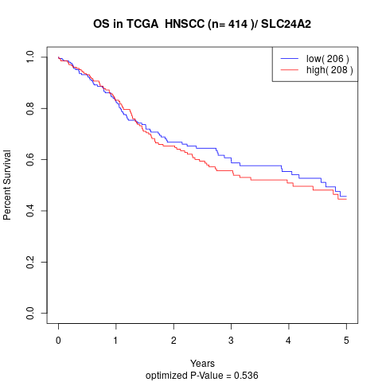

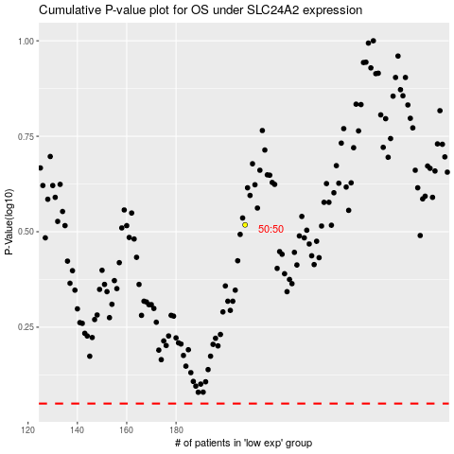

 |  |  |  |  |  | cases_OS | p_OS | rank | exp
 |  |  |  |  |  |  | cases_RFS | p_RFS | rank | exp

