SLC24A5 _multivariate
Reported by Tex Li-Hsing Chi. tex@gate.sinica.edu.tw 2019-08-16

Table 2. The clinicopathological features of HNSCC cohort and SLC24A5 expression. (Chi square test)
Cutoff at -0.209 (49.8%)
 |  | SLC24A5 expression |  | SLC24A5 expression |  | (Optimised)
 | Features | Low | (%) | High | (%) | Case no | P-value | Remark | Matthews
Gender | Female | 152 | 36.6 | 154 | 37.1 | 415 | 0.9766 | 0 | 0
2 | Male | 55 | 13.3 | 54 | 13
Age at diagnosis | <=65y | 139 | 33.5 | 135 | 32.5 | 415 | 0.7044 | 0 | 0
4 | >65y | 68 | 16.4 | 73 | 17.6
Clinical T Status | T1+T2 | 66 | 15.9 | 83 | 20 | 415 | 0.1095 | 0 | 0
6 | T3+T4 | 141 | 34 | 125 | 30.1
Clinical N Status | N0 | 107 | 25.8 | 109 | 26.3 | 415 | 0.9624 | 0 | 0
8 | N1-3 | 100 | 24.1 | 99 | 23.9
Clinical M Status | M0 | 204 | 49.2 | 208 | 50.1 | 415 | 0.1232 | 0 | 0
10 | M1 | 3 | 0.7 | 0 | 0
Clinical Stage | Stage I+II | 45 | 10.8 | 57 | 13.7 | 415 | 0.2202 | 0 | 0
12 | Stage III+IV | 162 | 39 | 151 | 36.4
Surgical Margin status | Negative | 164 | 39.5 | 154 | 37.1 | 415 | 0.2462 | 0 | 0
14 | Positive | 43 | 10.4 | 54 | 13
Tobacco Exposure | Low | 84 | 20.2 | 77 | 18.6 | 415 | 0.4816 | 0 | 0
16 | High | 123 | 29.6 | 131 | 31.6

Table 3. Univariate/Multivariate Cox's proportional hazards regression analyses on OS time of SLC24A5 gene expression in HNSCC

 |  | Univariate |  |  |  | Multivariate
 | Features | HR | CI95%(L) | CI95%(H) | P-value | HR | CI95%(L) | CI95%(H) | P-value
1 | Female | 1 |  |  |  | 1
Gender | Male | 1.157 | 0.843 | 1.587 | 0.367 | 1.203 | 0.861 | 1.681 | 0.28
11 | <=65y | 1 |  |  |  | 1
Age at diagnosis | >65y | 1.329 | 0.99 | 1.784 | 0.058 | 1.399 | 1.028 | 1.905 | 0.033
12 | T1+T2 | 1 |  |  |  | 1
Clinical T Status | T3+T4 | 1.409 | 1.028 | 1.931 | 0.033 | 2.192 | 1.158 | 4.146 | 0.016
13 | N0 | 1 |  |  |  | 1
Clinical N Status | N1-3 | 1.185 | 0.89 | 1.577 | 0.246 | 1.243 | 0.871 | 1.773 | 0.231
14 | M0 | 1 |  |  |  | 1
Clinical M Status | M1 | 4.097 | 1.009 | 16.644 | 0.049 | 9.156 | 1.981 | 42.319 | 0.005
15 | Stage I+II | 1 |  |  |  | 1
Clinical Stage | Stage III+IV | 1.245 | 0.882 | 1.759 | 0.213 | 0.504 | 0.235 | 1.082 | 0.079
16 | Negative | 1 |  |  |  | 1
Surgical Margin status | Positive | 1.591 | 1.155 | 2.191 | 0.004 | 1.684 | 1.215 | 2.334 | 0.002
17 | Low | 1 |  |  |  | 1
Tobacco Exposure | High | 1.364 | 1.008 | 1.844 | 0.044 | 1.46 | 1.058 | 2.016 | 0.021
18 | Low | 1 |  |  |  | 1
RNAseq(z-score) | High | 1.001 | 0.751 | 1.333 | 0.996 | 0.952 | 0.709 | 1.278 | 0.741

Table 4. Univariate/Multivariate Cox's proportional hazards regression analyses on RFS time of SLC24A5 gene expression in HNSCC

 |  | Univariate |  |  |  | Multivariate
 | Features | HR | CI95%(L) | CI95%(H) | P-value | HR | CI95%(L) | CI95%(H) | P-value
1 | Female | 1 |  |  |  | 1
Gender | Male | 1.157 | 0.843 | 1.587 | 0.367 | 1.203 | 0.861 | 1.681 | 0.28
11 | <=65y | 1 |  |  |  | 1
Age at diagnosis | >65y | 1.329 | 0.99 | 1.784 | 0.058 | 1.399 | 1.028 | 1.905 | 0.033
12 | T1+T2 | 1 |  |  |  | 1
Clinical T Status | T3+T4 | 1.409 | 1.028 | 1.931 | 0.033 | 2.192 | 1.158 | 4.146 | 0.016
13 | N0 | 1 |  |  |  | 1
Clinical N Status | N1-3 | 1.185 | 0.89 | 1.577 | 0.246 | 1.243 | 0.871 | 1.773 | 0.231
14 | M0 | 1 |  |  |  | 1
Clinical M Status | M1 | 4.097 | 1.009 | 16.644 | 0.049 | 9.156 | 1.981 | 42.319 | 0.005
15 | Stage I+II | 1 |  |  |  | 1
Clinical Stage | Stage III+IV | 1.245 | 0.882 | 1.759 | 0.213 | 0.504 | 0.235 | 1.082 | 0.079
16 | Negative | 1 |  |  |  | 1
Surgical Margin status | Positive | 1.591 | 1.155 | 2.191 | 0.004 | 1.684 | 1.215 | 2.334 | 0.002
17 | Low | 1 |  |  |  | 1
Tobacco Exposure | High | 1.364 | 1.008 | 1.844 | 0.044 | 1.46 | 1.058 | 2.016 | 0.021
18 | Low | 1 |  |  |  | 1
RNAseq(z-score) | High | 1.001 | 0.751 | 1.333 | 0.996 | 0.952 | 0.709 | 1.278 | 0.741

Kaplan-Meier survival estimate: Cutoff at -0.209 (49.8%)



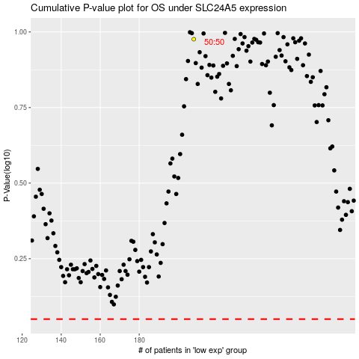

 |  |  |  |  |  | cases_OS | p_OS | rank | exp
 |  |  |  |  |  |  | cases_RFS | p_RFS | rank | exp

