SLC25A12 _multivariate
Reported by Tex Li-Hsing Chi. tex@gate.sinica.edu.tw 2019-08-16

Table 2. The clinicopathological features of HNSCC cohort and SLC25A12 expression. (Chi square test)
Cutoff at -0.229 (50.0%)
 |  | SLC25A12 expression |  | SLC25A12 expression |  | (Optimised)
 | Features | Low | (%) | High | (%) | Case no | P-value | Remark | Matthews
Gender | Female | 140 | 33.7 | 166 | 40 | 415 | 0.0068 | 1 | 0
2 | Male | 67 | 16.1 | 42 | 10.1
Age at diagnosis | <=65y | 134 | 32.3 | 140 | 33.7 | 415 | 0.6529 | 0 | 0
4 | >65y | 73 | 17.6 | 68 | 16.4
Clinical T Status | T1+T2 | 73 | 17.6 | 76 | 18.3 | 415 | 0.8666 | 0 | 0
6 | T3+T4 | 134 | 32.3 | 132 | 31.8
Clinical N Status | N0 | 104 | 25.1 | 112 | 27 | 415 | 0.5243 | 0 | 0
8 | N1-3 | 103 | 24.8 | 96 | 23.1
Clinical M Status | M0 | 204 | 49.2 | 208 | 50.1 | 415 | 0.1232 | 0 | 0
10 | M1 | 3 | 0.7 | 0 | 0
Clinical Stage | Stage I+II | 51 | 12.3 | 51 | 12.3 | 415 | 1 | 0 | 0
12 | Stage III+IV | 156 | 37.6 | 157 | 37.8
Surgical Margin status | Negative | 157 | 37.8 | 161 | 38.8 | 415 | 0.729 | 0 | 0
14 | Positive | 50 | 12 | 47 | 11.3
Tobacco Exposure | Low | 88 | 21.2 | 73 | 17.6 | 415 | 0.1314 | 0 | 0
16 | High | 119 | 28.7 | 135 | 32.5

Table 3. Univariate/Multivariate Cox's proportional hazards regression analyses on OS time of SLC25A12 gene expression in HNSCC

 |  | Univariate |  |  |  | Multivariate
 | Features | HR | CI95%(L) | CI95%(H) | P-value | HR | CI95%(L) | CI95%(H) | P-value
1 | Female | 1 |  |  |  | 1
Gender | Male | 1.157 | 0.843 | 1.587 | 0.367 | 1.182 | 0.844 | 1.656 | 0.33
11 | <=65y | 1 |  |  |  | 1
Age at diagnosis | >65y | 1.329 | 0.99 | 1.784 | 0.058 | 1.398 | 1.029 | 1.901 | 0.032
12 | T1+T2 | 1 |  |  |  | 1
Clinical T Status | T3+T4 | 1.409 | 1.028 | 1.931 | 0.033 | 2.2 | 1.164 | 4.16 | 0.015
13 | N0 | 1 |  |  |  | 1
Clinical N Status | N1-3 | 1.185 | 0.89 | 1.577 | 0.246 | 1.23 | 0.862 | 1.756 | 0.255
14 | M0 | 1 |  |  |  | 1
Clinical M Status | M1 | 4.097 | 1.009 | 16.644 | 0.049 | 8.846 | 1.915 | 40.868 | 0.005
15 | Stage I+II | 1 |  |  |  | 1
Clinical Stage | Stage III+IV | 1.245 | 0.882 | 1.759 | 0.213 | 0.512 | 0.238 | 1.1 | 0.086
16 | Negative | 1 |  |  |  | 1
Surgical Margin status | Positive | 1.591 | 1.155 | 2.191 | 0.004 | 1.666 | 1.205 | 2.302 | 0.002
17 | Low | 1 |  |  |  | 1
Tobacco Exposure | High | 1.364 | 1.008 | 1.844 | 0.044 | 1.46 | 1.059 | 2.013 | 0.021
18 | Low | 1 |  |  |  | 1
RNAseq(z-score) | High | 0.871 | 0.652 | 1.164 | 0.352 | 0.891 | 0.662 | 1.199 | 0.446

Table 4. Univariate/Multivariate Cox's proportional hazards regression analyses on RFS time of SLC25A12 gene expression in HNSCC

 |  | Univariate |  |  |  | Multivariate
 | Features | HR | CI95%(L) | CI95%(H) | P-value | HR | CI95%(L) | CI95%(H) | P-value
1 | Female | 1 |  |  |  | 1
Gender | Male | 1.157 | 0.843 | 1.587 | 0.367 | 1.182 | 0.844 | 1.656 | 0.33
11 | <=65y | 1 |  |  |  | 1
Age at diagnosis | >65y | 1.329 | 0.99 | 1.784 | 0.058 | 1.398 | 1.029 | 1.901 | 0.032
12 | T1+T2 | 1 |  |  |  | 1
Clinical T Status | T3+T4 | 1.409 | 1.028 | 1.931 | 0.033 | 2.2 | 1.164 | 4.16 | 0.015
13 | N0 | 1 |  |  |  | 1
Clinical N Status | N1-3 | 1.185 | 0.89 | 1.577 | 0.246 | 1.23 | 0.862 | 1.756 | 0.255
14 | M0 | 1 |  |  |  | 1
Clinical M Status | M1 | 4.097 | 1.009 | 16.644 | 0.049 | 8.846 | 1.915 | 40.868 | 0.005
15 | Stage I+II | 1 |  |  |  | 1
Clinical Stage | Stage III+IV | 1.245 | 0.882 | 1.759 | 0.213 | 0.512 | 0.238 | 1.1 | 0.086
16 | Negative | 1 |  |  |  | 1
Surgical Margin status | Positive | 1.591 | 1.155 | 2.191 | 0.004 | 1.666 | 1.205 | 2.302 | 0.002
17 | Low | 1 |  |  |  | 1
Tobacco Exposure | High | 1.364 | 1.008 | 1.844 | 0.044 | 1.46 | 1.059 | 2.013 | 0.021
18 | Low | 1 |  |  |  | 1
RNAseq(z-score) | High | 0.871 | 0.652 | 1.164 | 0.352 | 0.891 | 0.662 | 1.199 | 0.446

Kaplan-Meier survival estimate: Cutoff at -0.229 (50.0%)



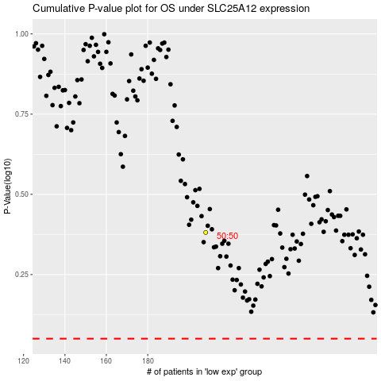

 |  |  |  |  |  | cases_OS | p_OS | rank | exp
 |  |  |  |  |  |  | cases_RFS | p_RFS | rank | exp

