SLC25A14 _multivariate
Reported by Tex Li-Hsing Chi. tex@gate.sinica.edu.tw 2019-08-16

Table 2. The clinicopathological features of HNSCC cohort and SLC25A14 expression. (Chi square test)
Cutoff at -0.218 (50.0%)
 |  | SLC25A14 expression |  | SLC25A14 expression |  | (Optimised)
 | Features | Low | (%) | High | (%) | Case no | P-value | Remark | Matthews
Gender | Female | 146 | 35.2 | 160 | 38.6 | 415 | 0.1714 | 0 | 0
2 | Male | 61 | 14.7 | 48 | 11.6
Age at diagnosis | <=65y | 130 | 31.3 | 144 | 34.7 | 415 | 0.2009 | 0 | 0
4 | >65y | 77 | 18.6 | 64 | 15.4
Clinical T Status | T1+T2 | 73 | 17.6 | 76 | 18.3 | 415 | 0.8666 | 0 | 0
6 | T3+T4 | 134 | 32.3 | 132 | 31.8
Clinical N Status | N0 | 108 | 26 | 108 | 26 | 415 | 1 | 0 | 0
8 | N1-3 | 99 | 23.9 | 100 | 24.1
Clinical M Status | M0 | 206 | 49.6 | 206 | 49.6 | 415 | 1 | 0 | 0
10 | M1 | 1 | 0.2 | 2 | 0.5
Clinical Stage | Stage I+II | 53 | 12.8 | 49 | 11.8 | 415 | 0.7113 | 0 | 0
12 | Stage III+IV | 154 | 37.1 | 159 | 38.3
Surgical Margin status | Negative | 167 | 40.2 | 151 | 36.4 | 415 | 0.0632 | 0 | 0
14 | Positive | 40 | 9.6 | 57 | 13.7
Tobacco Exposure | Low | 87 | 21 | 74 | 17.8 | 415 | 0.1911 | 0 | 0
16 | High | 120 | 28.9 | 134 | 32.3

Table 3. Univariate/Multivariate Cox's proportional hazards regression analyses on OS time of SLC25A14 gene expression in HNSCC

 |  | Univariate |  |  |  | Multivariate
 | Features | HR | CI95%(L) | CI95%(H) | P-value | HR | CI95%(L) | CI95%(H) | P-value
1 | Female | 1 |  |  |  | 1
Gender | Male | 1.157 | 0.843 | 1.587 | 0.367 | 1.196 | 0.856 | 1.671 | 0.293
11 | <=65y | 1 |  |  |  | 1
Age at diagnosis | >65y | 1.329 | 0.99 | 1.784 | 0.058 | 1.401 | 1.03 | 1.906 | 0.032
12 | T1+T2 | 1 |  |  |  | 1
Clinical T Status | T3+T4 | 1.409 | 1.028 | 1.931 | 0.033 | 2.152 | 1.137 | 4.073 | 0.019
13 | N0 | 1 |  |  |  | 1
Clinical N Status | N1-3 | 1.185 | 0.89 | 1.577 | 0.246 | 1.235 | 0.865 | 1.763 | 0.246
14 | M0 | 1 |  |  |  | 1
Clinical M Status | M1 | 4.097 | 1.009 | 16.644 | 0.049 | 9.519 | 2.076 | 43.637 | 0.004
15 | Stage I+II | 1 |  |  |  | 1
Clinical Stage | Stage III+IV | 1.245 | 0.882 | 1.759 | 0.213 | 0.513 | 0.239 | 1.101 | 0.087
16 | Negative | 1 |  |  |  | 1
Surgical Margin status | Positive | 1.591 | 1.155 | 2.191 | 0.004 | 1.723 | 1.244 | 2.388 | 0.001
17 | Low | 1 |  |  |  | 1
Tobacco Exposure | High | 1.364 | 1.008 | 1.844 | 0.044 | 1.506 | 1.088 | 2.084 | 0.014
18 | Low | 1 |  |  |  | 1
RNAseq(z-score) | High | 0.866 | 0.649 | 1.156 | 0.33 | 0.806 | 0.6 | 1.082 | 0.151

Table 4. Univariate/Multivariate Cox's proportional hazards regression analyses on RFS time of SLC25A14 gene expression in HNSCC

 |  | Univariate |  |  |  | Multivariate
 | Features | HR | CI95%(L) | CI95%(H) | P-value | HR | CI95%(L) | CI95%(H) | P-value
1 | Female | 1 |  |  |  | 1
Gender | Male | 1.157 | 0.843 | 1.587 | 0.367 | 1.196 | 0.856 | 1.671 | 0.293
11 | <=65y | 1 |  |  |  | 1
Age at diagnosis | >65y | 1.329 | 0.99 | 1.784 | 0.058 | 1.401 | 1.03 | 1.906 | 0.032
12 | T1+T2 | 1 |  |  |  | 1
Clinical T Status | T3+T4 | 1.409 | 1.028 | 1.931 | 0.033 | 2.152 | 1.137 | 4.073 | 0.019
13 | N0 | 1 |  |  |  | 1
Clinical N Status | N1-3 | 1.185 | 0.89 | 1.577 | 0.246 | 1.235 | 0.865 | 1.763 | 0.246
14 | M0 | 1 |  |  |  | 1
Clinical M Status | M1 | 4.097 | 1.009 | 16.644 | 0.049 | 9.519 | 2.076 | 43.637 | 0.004
15 | Stage I+II | 1 |  |  |  | 1
Clinical Stage | Stage III+IV | 1.245 | 0.882 | 1.759 | 0.213 | 0.513 | 0.239 | 1.101 | 0.087
16 | Negative | 1 |  |  |  | 1
Surgical Margin status | Positive | 1.591 | 1.155 | 2.191 | 0.004 | 1.723 | 1.244 | 2.388 | 0.001
17 | Low | 1 |  |  |  | 1
Tobacco Exposure | High | 1.364 | 1.008 | 1.844 | 0.044 | 1.506 | 1.088 | 2.084 | 0.014
18 | Low | 1 |  |  |  | 1
RNAseq(z-score) | High | 0.866 | 0.649 | 1.156 | 0.33 | 0.806 | 0.6 | 1.082 | 0.151

Kaplan-Meier survival estimate: Cutoff at -0.218 (50.0%)



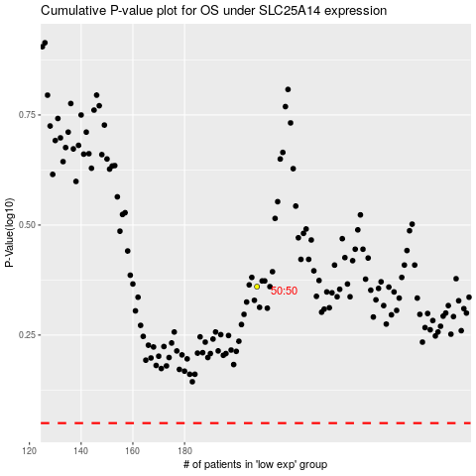

 |  |  |  |  |  | cases_OS | p_OS | rank | exp
 |  |  |  |  |  |  | cases_RFS | p_RFS | rank | exp

