SLC25A18 _multivariate
Reported by Tex Li-Hsing Chi. tex@gate.sinica.edu.tw 2019-08-16

Table 2. The clinicopathological features of HNSCC cohort and SLC25A18 expression. (Chi square test)
Cutoff at -0.19 (50.0%)
 |  | SLC25A18 expression |  | SLC25A18 expression |  | (Optimised)
 | Features | Low | (%) | High | (%) | Case no | P-value | Remark | Matthews
Gender | Female | 152 | 36.6 | 154 | 37.1 | 415 | 0.9766 | 0 | 0
2 | Male | 55 | 13.3 | 54 | 13
Age at diagnosis | <=65y | 137 | 33 | 137 | 33 | 415 | 1 | 0 | 0
4 | >65y | 70 | 16.9 | 71 | 17.1
Clinical T Status | T1+T2 | 78 | 18.8 | 71 | 17.1 | 415 | 0.5152 | 0 | 0
6 | T3+T4 | 129 | 31.1 | 137 | 33
Clinical N Status | N0 | 101 | 24.3 | 115 | 27.7 | 415 | 0.2201 | 0 | 0
8 | N1-3 | 106 | 25.5 | 93 | 22.4
Clinical M Status | M0 | 205 | 49.4 | 207 | 49.9 | 415 | 0.6232 | 0 | 0
10 | M1 | 2 | 0.5 | 1 | 0.2
Clinical Stage | Stage I+II | 53 | 12.8 | 49 | 11.8 | 415 | 0.7113 | 0 | 0
12 | Stage III+IV | 154 | 37.1 | 159 | 38.3
Surgical Margin status | Negative | 164 | 39.5 | 154 | 37.1 | 415 | 0.2462 | 0 | 0
14 | Positive | 43 | 10.4 | 54 | 13
Tobacco Exposure | Low | 78 | 18.8 | 83 | 20 | 415 | 0.6873 | 0 | 0
16 | High | 129 | 31.1 | 125 | 30.1

Table 3. Univariate/Multivariate Cox's proportional hazards regression analyses on OS time of SLC25A18 gene expression in HNSCC

 |  | Univariate |  |  |  | Multivariate
 | Features | HR | CI95%(L) | CI95%(H) | P-value | HR | CI95%(L) | CI95%(H) | P-value
1 | Female | 1 |  |  |  | 1
Gender | Male | 1.157 | 0.843 | 1.587 | 0.367 | 1.212 | 0.868 | 1.693 | 0.259
11 | <=65y | 1 |  |  |  | 1
Age at diagnosis | >65y | 1.329 | 0.99 | 1.784 | 0.058 | 1.393 | 1.025 | 1.893 | 0.034
12 | T1+T2 | 1 |  |  |  | 1
Clinical T Status | T3+T4 | 1.409 | 1.028 | 1.931 | 0.033 | 2.257 | 1.193 | 4.271 | 0.012
13 | N0 | 1 |  |  |  | 1
Clinical N Status | N1-3 | 1.185 | 0.89 | 1.577 | 0.246 | 1.237 | 0.867 | 1.766 | 0.24
14 | M0 | 1 |  |  |  | 1
Clinical M Status | M1 | 4.097 | 1.009 | 16.644 | 0.049 | 9.496 | 2.071 | 43.54 | 0.004
15 | Stage I+II | 1 |  |  |  | 1
Clinical Stage | Stage III+IV | 1.245 | 0.882 | 1.759 | 0.213 | 0.499 | 0.232 | 1.071 | 0.075
16 | Negative | 1 |  |  |  | 1
Surgical Margin status | Positive | 1.591 | 1.155 | 2.191 | 0.004 | 1.713 | 1.237 | 2.373 | 0.001
17 | Low | 1 |  |  |  | 1
Tobacco Exposure | High | 1.364 | 1.008 | 1.844 | 0.044 | 1.45 | 1.052 | 1.997 | 0.023
18 | Low | 1 |  |  |  | 1
RNAseq(z-score) | High | 0.906 | 0.68 | 1.207 | 0.501 | 0.838 | 0.626 | 1.121 | 0.234

Table 4. Univariate/Multivariate Cox's proportional hazards regression analyses on RFS time of SLC25A18 gene expression in HNSCC

 |  | Univariate |  |  |  | Multivariate
 | Features | HR | CI95%(L) | CI95%(H) | P-value | HR | CI95%(L) | CI95%(H) | P-value
1 | Female | 1 |  |  |  | 1
Gender | Male | 1.157 | 0.843 | 1.587 | 0.367 | 1.212 | 0.868 | 1.693 | 0.259
11 | <=65y | 1 |  |  |  | 1
Age at diagnosis | >65y | 1.329 | 0.99 | 1.784 | 0.058 | 1.393 | 1.025 | 1.893 | 0.034
12 | T1+T2 | 1 |  |  |  | 1
Clinical T Status | T3+T4 | 1.409 | 1.028 | 1.931 | 0.033 | 2.257 | 1.193 | 4.271 | 0.012
13 | N0 | 1 |  |  |  | 1
Clinical N Status | N1-3 | 1.185 | 0.89 | 1.577 | 0.246 | 1.237 | 0.867 | 1.766 | 0.24
14 | M0 | 1 |  |  |  | 1
Clinical M Status | M1 | 4.097 | 1.009 | 16.644 | 0.049 | 9.496 | 2.071 | 43.54 | 0.004
15 | Stage I+II | 1 |  |  |  | 1
Clinical Stage | Stage III+IV | 1.245 | 0.882 | 1.759 | 0.213 | 0.499 | 0.232 | 1.071 | 0.075
16 | Negative | 1 |  |  |  | 1
Surgical Margin status | Positive | 1.591 | 1.155 | 2.191 | 0.004 | 1.713 | 1.237 | 2.373 | 0.001
17 | Low | 1 |  |  |  | 1
Tobacco Exposure | High | 1.364 | 1.008 | 1.844 | 0.044 | 1.45 | 1.052 | 1.997 | 0.023
18 | Low | 1 |  |  |  | 1
RNAseq(z-score) | High | 0.906 | 0.68 | 1.207 | 0.501 | 0.838 | 0.626 | 1.121 | 0.234

Kaplan-Meier survival estimate: Cutoff at -0.19 (50.0%)



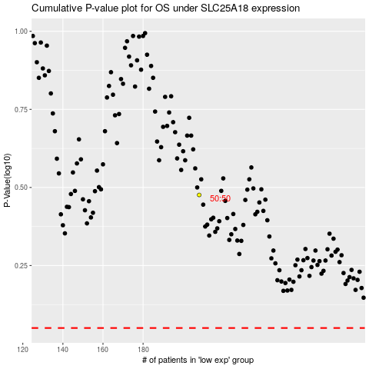

 |  |  |  |  |  | cases_OS | p_OS | rank | exp
 |  |  |  |  |  |  | cases_RFS | p_RFS | rank | exp

